WDR45L _multivariate
Reported by Tex Li-Hsing Chi. tex@gate.sinica.edu.tw 2019-08-15

Table 2. The clinicopathological features of HNSCC cohort and WDR45L expression. (Chi square test)
Cutoff at -0.234 (50.0%)
 |  | WDR45L expression |  | WDR45L expression |  | (Optimised)
 | Features | Low | (%) | High | (%) | Case no | P-value | Remark | Matthews
Gender | Female | 143 | 34.5 | 163 | 39.3 | 415 | 0.0416 | 1 | 0
2 | Male | 64 | 15.4 | 45 | 10.8
Age at diagnosis | <=65y | 136 | 32.8 | 138 | 33.3 | 415 | 0.9719 | 0 | 0
4 | >65y | 71 | 17.1 | 70 | 16.9
Clinical T Status | T1+T2 | 88 | 21.2 | 61 | 14.7 | 415 | 0.007 | 1 | 0
6 | T3+T4 | 119 | 28.7 | 147 | 35.4
Clinical N Status | N0 | 115 | 27.7 | 101 | 24.3 | 415 | 0.184 | 1 | 0
8 | N1-3 | 92 | 22.2 | 107 | 25.8
Clinical M Status | M0 | 206 | 49.6 | 206 | 49.6 | 415 | 1 | 0 | 0
10 | M1 | 1 | 0.2 | 2 | 0.5
Clinical Stage | Stage I+II | 62 | 14.9 | 40 | 9.6 | 415 | 0.0154 | 1 | 0
12 | Stage III+IV | 145 | 34.9 | 168 | 40.5
Surgical Margin status | Negative | 157 | 37.8 | 161 | 38.8 | 415 | 0.729 | 0 | 0
14 | Positive | 50 | 12 | 47 | 11.3
Tobacco Exposure | Low | 103 | 24.8 | 58 | 14 | 415 | 0 | 1 | 0
16 | High | 104 | 25.1 | 150 | 36.1

Table 3. Univariate/Multivariate Cox's proportional hazards regression analyses on OS time of WDR45L gene expression in HNSCC

 |  | Univariate |  |  |  | Multivariate
 | Features | HR | CI95%(L) | CI95%(H) | P-value | HR | CI95%(L) | CI95%(H) | P-value
1 | Female | 1 |  |  |  | 1
Gender | Male | 1.157 | 0.843 | 1.587 | 0.367 | 1.218 | 0.872 | 1.702 | 0.248
11 | <=65y | 1 |  |  |  | 1
Age at diagnosis | >65y | 1.329 | 0.99 | 1.784 | 0.058 | 1.371 | 1.009 | 1.864 | 0.044
12 | T1+T2 | 1 |  |  |  | 1
Clinical T Status | T3+T4 | 1.409 | 1.028 | 1.931 | 0.033 | 2.164 | 1.143 | 4.096 | 0.018
13 | N0 | 1 |  |  |  | 1
Clinical N Status | N1-3 | 1.185 | 0.89 | 1.577 | 0.246 | 1.221 | 0.855 | 1.744 | 0.271
14 | M0 | 1 |  |  |  | 1
Clinical M Status | M1 | 4.097 | 1.009 | 16.644 | 0.049 | 9.234 | 2.014 | 42.335 | 0.004
15 | Stage I+II | 1 |  |  |  | 1
Clinical Stage | Stage III+IV | 1.245 | 0.882 | 1.759 | 0.213 | 0.504 | 0.235 | 1.081 | 0.078
16 | Negative | 1 |  |  |  | 1
Surgical Margin status | Positive | 1.591 | 1.155 | 2.191 | 0.004 | 1.713 | 1.236 | 2.373 | 0.001
17 | Low | 1 |  |  |  | 1
Tobacco Exposure | High | 1.364 | 1.008 | 1.844 | 0.044 | 1.391 | 1.004 | 1.928 | 0.048
18 | Low | 1 |  |  |  | 1
RNAseq(z-score) | High | 1.282 | 0.961 | 1.71 | 0.091 | 1.22 | 0.902 | 1.65 | 0.198

Table 4. Univariate/Multivariate Cox's proportional hazards regression analyses on RFS time of WDR45L gene expression in HNSCC

 |  | Univariate |  |  |  | Multivariate
 | Features | HR | CI95%(L) | CI95%(H) | P-value | HR | CI95%(L) | CI95%(H) | P-value
1 | Female | 1 |  |  |  | 1
Gender | Male | 1.157 | 0.843 | 1.587 | 0.367 | 1.218 | 0.872 | 1.702 | 0.248
11 | <=65y | 1 |  |  |  | 1
Age at diagnosis | >65y | 1.329 | 0.99 | 1.784 | 0.058 | 1.371 | 1.009 | 1.864 | 0.044
12 | T1+T2 | 1 |  |  |  | 1
Clinical T Status | T3+T4 | 1.409 | 1.028 | 1.931 | 0.033 | 2.164 | 1.143 | 4.096 | 0.018
13 | N0 | 1 |  |  |  | 1
Clinical N Status | N1-3 | 1.185 | 0.89 | 1.577 | 0.246 | 1.221 | 0.855 | 1.744 | 0.271
14 | M0 | 1 |  |  |  | 1
Clinical M Status | M1 | 4.097 | 1.009 | 16.644 | 0.049 | 9.234 | 2.014 | 42.335 | 0.004
15 | Stage I+II | 1 |  |  |  | 1
Clinical Stage | Stage III+IV | 1.245 | 0.882 | 1.759 | 0.213 | 0.504 | 0.235 | 1.081 | 0.078
16 | Negative | 1 |  |  |  | 1
Surgical Margin status | Positive | 1.591 | 1.155 | 2.191 | 0.004 | 1.713 | 1.236 | 2.373 | 0.001
17 | Low | 1 |  |  |  | 1
Tobacco Exposure | High | 1.364 | 1.008 | 1.844 | 0.044 | 1.391 | 1.004 | 1.928 | 0.048
18 | Low | 1 |  |  |  | 1
RNAseq(z-score) | High | 1.282 | 0.961 | 1.71 | 0.091 | 1.22 | 0.902 | 1.65 | 0.198

Kaplan-Meier survival estimate: Cutoff at -0.234 (50.0%)



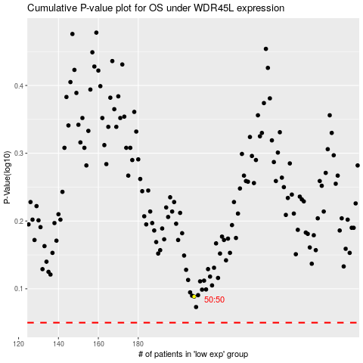

 |  |  |  |  |  | cases_OS | p_OS | rank | exp
 |  |  |  |  |  |  | cases_RFS | p_RFS | rank | exp

