WDR5 _multivariate
Reported by Tex Li-Hsing Chi. tex@gate.sinica.edu.tw 2019-08-15

Table 2. The clinicopathological features of HNSCC cohort and WDR5 expression. (Chi square test)
Cutoff at -0.549 (33.1%)
 |  | WDR5 expression |  | WDR5 expression |  | (Optimised)
 | Features | Low | (%) | High | (%) | Case no | P-value | Remark | Matthews
Gender | Female | 94 | 22.7 | 212 | 51.1 | 415 | 0.0859 | 0 | 0
2 | Male | 44 | 10.6 | 65 | 15.7
Age at diagnosis | <=65y | 91 | 21.9 | 183 | 44.1 | 415 | 1 | 0 | 0
4 | >65y | 47 | 11.3 | 94 | 22.7
Clinical T Status | T1+T2 | 53 | 12.8 | 96 | 23.1 | 415 | 0.5213 | 0 | 0
6 | T3+T4 | 85 | 20.5 | 181 | 43.6
Clinical N Status | N0 | 73 | 17.6 | 143 | 34.5 | 415 | 0.8883 | 0 | 0
8 | N1-3 | 65 | 15.7 | 134 | 32.3
Clinical M Status | M0 | 137 | 33 | 275 | 66.3 | 415 | 1 | 0 | 0
10 | M1 | 1 | 0.2 | 2 | 0.5
Clinical Stage | Stage I+II | 36 | 8.7 | 66 | 15.9 | 415 | 0.7018 | 0 | 0
12 | Stage III+IV | 102 | 24.6 | 211 | 50.8
Surgical Margin status | Negative | 107 | 25.8 | 211 | 50.8 | 415 | 0.8062 | 0 | 0
14 | Positive | 31 | 7.5 | 66 | 15.9
Tobacco Exposure | Low | 66 | 15.9 | 95 | 22.9 | 415 | 0.0102 | 1 | 0
16 | High | 72 | 17.3 | 182 | 43.9

Table 3. Univariate/Multivariate Cox's proportional hazards regression analyses on OS time of WDR5 gene expression in HNSCC

 |  | Univariate |  |  |  | Multivariate
 | Features | HR | CI95%(L) | CI95%(H) | P-value | HR | CI95%(L) | CI95%(H) | P-value
1 | Female | 1 |  |  |  | 1
Gender | Male | 1.157 | 0.843 | 1.587 | 0.367 | 1.22 | 0.87 | 1.71 | 0.249
11 | <=65y | 1 |  |  |  | 1
Age at diagnosis | >65y | 1.329 | 0.99 | 1.784 | 0.058 | 1.346 | 0.986 | 1.836 | 0.061
12 | T1+T2 | 1 |  |  |  | 1
Clinical T Status | T3+T4 | 1.409 | 1.028 | 1.931 | 0.033 | 2.203 | 1.165 | 4.165 | 0.015
13 | N0 | 1 |  |  |  | 1
Clinical N Status | N1-3 | 1.185 | 0.89 | 1.577 | 0.246 | 1.237 | 0.866 | 1.765 | 0.242
14 | M0 | 1 |  |  |  | 1
Clinical M Status | M1 | 4.097 | 1.009 | 16.644 | 0.049 | 9.586 | 2.09 | 43.96 | 0.004
15 | Stage I+II | 1 |  |  |  | 1
Clinical Stage | Stage III+IV | 1.245 | 0.882 | 1.759 | 0.213 | 0.501 | 0.233 | 1.077 | 0.077
16 | Negative | 1 |  |  |  | 1
Surgical Margin status | Positive | 1.591 | 1.155 | 2.191 | 0.004 | 1.65 | 1.194 | 2.28 | 0.002
17 | Low | 1 |  |  |  | 1
Tobacco Exposure | High | 1.364 | 1.008 | 1.844 | 0.044 | 1.413 | 1.022 | 1.953 | 0.036
18 | Low | 1 |  |  |  | 1
RNAseq(z-score) | High | 1.373 | 1.004 | 1.879 | 0.047 | 1.257 | 0.913 | 1.73 | 0.16

Table 4. Univariate/Multivariate Cox's proportional hazards regression analyses on RFS time of WDR5 gene expression in HNSCC

 |  | Univariate |  |  |  | Multivariate
 | Features | HR | CI95%(L) | CI95%(H) | P-value | HR | CI95%(L) | CI95%(H) | P-value
1 | Female | 1 |  |  |  | 1
Gender | Male | 1.157 | 0.843 | 1.587 | 0.367 | 1.22 | 0.87 | 1.71 | 0.249
11 | <=65y | 1 |  |  |  | 1
Age at diagnosis | >65y | 1.329 | 0.99 | 1.784 | 0.058 | 1.346 | 0.986 | 1.836 | 0.061
12 | T1+T2 | 1 |  |  |  | 1
Clinical T Status | T3+T4 | 1.409 | 1.028 | 1.931 | 0.033 | 2.203 | 1.165 | 4.165 | 0.015
13 | N0 | 1 |  |  |  | 1
Clinical N Status | N1-3 | 1.185 | 0.89 | 1.577 | 0.246 | 1.237 | 0.866 | 1.765 | 0.242
14 | M0 | 1 |  |  |  | 1
Clinical M Status | M1 | 4.097 | 1.009 | 16.644 | 0.049 | 9.586 | 2.09 | 43.96 | 0.004
15 | Stage I+II | 1 |  |  |  | 1
Clinical Stage | Stage III+IV | 1.245 | 0.882 | 1.759 | 0.213 | 0.501 | 0.233 | 1.077 | 0.077
16 | Negative | 1 |  |  |  | 1
Surgical Margin status | Positive | 1.591 | 1.155 | 2.191 | 0.004 | 1.65 | 1.194 | 2.28 | 0.002
17 | Low | 1 |  |  |  | 1
Tobacco Exposure | High | 1.364 | 1.008 | 1.844 | 0.044 | 1.413 | 1.022 | 1.953 | 0.036
18 | Low | 1 |  |  |  | 1
RNAseq(z-score) | High | 1.373 | 1.004 | 1.879 | 0.047 | 1.257 | 0.913 | 1.73 | 0.16

Kaplan-Meier survival estimate: Cutoff at -0.549 (33.1%)



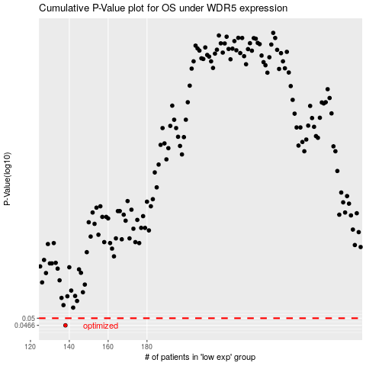

 |  |  |  |  |  | cases_OS | p_OS | rank | exp
 |  |  |  |  |  | 138 | 0.0466 | 88 | -0.5493971442
 |  |  |  |  |  |  | cases_RFS | p_RFS | rank | exp
 |  |  |  |  |  |  | 137 | 0.0466 | 126 | -0.55239047829

