WDR53 _multivariate
Reported by Tex Li-Hsing Chi. tex@gate.sinica.edu.tw 2019-08-15

Table 2. The clinicopathological features of HNSCC cohort and WDR53 expression. (Chi square test)
Cutoff at -0.18 (50.0%)
 |  | WDR53 expression |  | WDR53 expression |  | (Optimised)
 | Features | Low | (%) | High | (%) | Case no | P-value | Remark | Matthews
Gender | Female | 152 | 36.6 | 154 | 37.1 | 415 | 0.9766 | 0 | 0
2 | Male | 55 | 13.3 | 54 | 13
Age at diagnosis | <=65y | 132 | 31.8 | 142 | 34.2 | 415 | 0.3874 | 0 | 0
4 | >65y | 75 | 18.1 | 66 | 15.9
Clinical T Status | T1+T2 | 74 | 17.8 | 75 | 18.1 | 415 | 1 | 0 | 0
6 | T3+T4 | 133 | 32 | 133 | 32
Clinical N Status | N0 | 107 | 25.8 | 109 | 26.3 | 415 | 0.9624 | 0 | 0
8 | N1-3 | 100 | 24.1 | 99 | 23.9
Clinical M Status | M0 | 207 | 49.9 | 205 | 49.4 | 415 | 0.2482 | 0 | 0
10 | M1 | 0 | 0 | 3 | 0.7
Clinical Stage | Stage I+II | 51 | 12.3 | 51 | 12.3 | 415 | 1 | 0 | 0
12 | Stage III+IV | 156 | 37.6 | 157 | 37.8
Surgical Margin status | Negative | 162 | 39 | 156 | 37.6 | 415 | 0.4867 | 0 | 0
14 | Positive | 45 | 10.8 | 52 | 12.5
Tobacco Exposure | Low | 88 | 21.2 | 73 | 17.6 | 415 | 0.1314 | 0 | 0
16 | High | 119 | 28.7 | 135 | 32.5

Table 3. Univariate/Multivariate Cox's proportional hazards regression analyses on OS time of WDR53 gene expression in HNSCC

 |  | Univariate |  |  |  | Multivariate
 | Features | HR | CI95%(L) | CI95%(H) | P-value | HR | CI95%(L) | CI95%(H) | P-value
1 | Female | 1 |  |  |  | 1
Gender | Male | 1.157 | 0.843 | 1.587 | 0.367 | 1.215 | 0.869 | 1.697 | 0.254
11 | <=65y | 1 |  |  |  | 1
Age at diagnosis | >65y | 1.329 | 0.99 | 1.784 | 0.058 | 1.402 | 1.031 | 1.908 | 0.031
12 | T1+T2 | 1 |  |  |  | 1
Clinical T Status | T3+T4 | 1.409 | 1.028 | 1.931 | 0.033 | 2.209 | 1.169 | 4.176 | 0.015
13 | N0 | 1 |  |  |  | 1
Clinical N Status | N1-3 | 1.185 | 0.89 | 1.577 | 0.246 | 1.229 | 0.861 | 1.755 | 0.256
14 | M0 | 1 |  |  |  | 1
Clinical M Status | M1 | 4.097 | 1.009 | 16.644 | 0.049 | 10.113 | 2.183 | 46.838 | 0.003
15 | Stage I+II | 1 |  |  |  | 1
Clinical Stage | Stage III+IV | 1.245 | 0.882 | 1.759 | 0.213 | 0.504 | 0.235 | 1.082 | 0.079
16 | Negative | 1 |  |  |  | 1
Surgical Margin status | Positive | 1.591 | 1.155 | 2.191 | 0.004 | 1.678 | 1.215 | 2.318 | 0.002
17 | Low | 1 |  |  |  | 1
Tobacco Exposure | High | 1.364 | 1.008 | 1.844 | 0.044 | 1.462 | 1.061 | 2.014 | 0.02
18 | Low | 1 |  |  |  | 1
RNAseq(z-score) | High | 0.941 | 0.706 | 1.254 | 0.677 | 0.886 | 0.662 | 1.187 | 0.417

Table 4. Univariate/Multivariate Cox's proportional hazards regression analyses on RFS time of WDR53 gene expression in HNSCC

 |  | Univariate |  |  |  | Multivariate
 | Features | HR | CI95%(L) | CI95%(H) | P-value | HR | CI95%(L) | CI95%(H) | P-value
1 | Female | 1 |  |  |  | 1
Gender | Male | 1.157 | 0.843 | 1.587 | 0.367 | 1.215 | 0.869 | 1.697 | 0.254
11 | <=65y | 1 |  |  |  | 1
Age at diagnosis | >65y | 1.329 | 0.99 | 1.784 | 0.058 | 1.402 | 1.031 | 1.908 | 0.031
12 | T1+T2 | 1 |  |  |  | 1
Clinical T Status | T3+T4 | 1.409 | 1.028 | 1.931 | 0.033 | 2.209 | 1.169 | 4.176 | 0.015
13 | N0 | 1 |  |  |  | 1
Clinical N Status | N1-3 | 1.185 | 0.89 | 1.577 | 0.246 | 1.229 | 0.861 | 1.755 | 0.256
14 | M0 | 1 |  |  |  | 1
Clinical M Status | M1 | 4.097 | 1.009 | 16.644 | 0.049 | 10.113 | 2.183 | 46.838 | 0.003
15 | Stage I+II | 1 |  |  |  | 1
Clinical Stage | Stage III+IV | 1.245 | 0.882 | 1.759 | 0.213 | 0.504 | 0.235 | 1.082 | 0.079
16 | Negative | 1 |  |  |  | 1
Surgical Margin status | Positive | 1.591 | 1.155 | 2.191 | 0.004 | 1.678 | 1.215 | 2.318 | 0.002
17 | Low | 1 |  |  |  | 1
Tobacco Exposure | High | 1.364 | 1.008 | 1.844 | 0.044 | 1.462 | 1.061 | 2.014 | 0.02
18 | Low | 1 |  |  |  | 1
RNAseq(z-score) | High | 0.941 | 0.706 | 1.254 | 0.677 | 0.886 | 0.662 | 1.187 | 0.417

Kaplan-Meier survival estimate: Cutoff at -0.18 (50.0%)



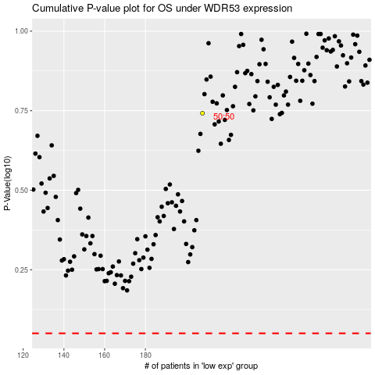

 |  |  |  |  |  | cases_OS | p_OS | rank | exp
 |  |  |  |  |  |  | cases_RFS | p_RFS | rank | exp

