WDR55 _multivariate
Reported by Tex Li-Hsing Chi. tex@gate.sinica.edu.tw 2019-08-15

Table 2. The clinicopathological features of HNSCC cohort and WDR55 expression. (Chi square test)
Cutoff at 0.403 (69.8%)
 |  | WDR55 expression |  | WDR55 expression |  | (Optimised)
 | Features | Low | (%) | High | (%) | Case no | P-value | Remark | Matthews
Gender | Female | 218 | 52.5 | 88 | 21.2 | 415 | 0.3724 | 0 | 0
2 | Male | 72 | 17.3 | 37 | 8.9
Age at diagnosis | <=65y | 200 | 48.2 | 74 | 17.8 | 415 | 0.0697 | 0 | 0
4 | >65y | 90 | 21.7 | 51 | 12.3
Clinical T Status | T1+T2 | 107 | 25.8 | 42 | 10.1 | 415 | 0.5956 | 0 | 0
6 | T3+T4 | 183 | 44.1 | 83 | 20
Clinical N Status | N0 | 147 | 35.4 | 69 | 16.6 | 415 | 0.4613 | 0 | 0
8 | N1-3 | 143 | 34.5 | 56 | 13.5
Clinical M Status | M0 | 289 | 69.6 | 123 | 29.6 | 415 | 0.2169 | 0 | 0
10 | M1 | 1 | 0.2 | 2 | 0.5
Clinical Stage | Stage I+II | 73 | 17.6 | 29 | 7 | 415 | 0.7612 | 0 | 0
12 | Stage III+IV | 217 | 52.3 | 96 | 23.1
Surgical Margin status | Negative | 223 | 53.7 | 95 | 22.9 | 415 | 0.8995 | 0 | 0
14 | Positive | 67 | 16.1 | 30 | 7.2
Tobacco Exposure | Low | 111 | 26.7 | 50 | 12 | 415 | 0.7432 | 0 | 0
16 | High | 179 | 43.1 | 75 | 18.1

Table 3. Univariate/Multivariate Cox's proportional hazards regression analyses on OS time of WDR55 gene expression in HNSCC

 |  | Univariate |  |  |  | Multivariate
 | Features | HR | CI95%(L) | CI95%(H) | P-value | HR | CI95%(L) | CI95%(H) | P-value
1 | Female | 1 |  |  |  | 1
Gender | Male | 1.157 | 0.843 | 1.587 | 0.367 | 1.175 | 0.841 | 1.643 | 0.344
11 | <=65y | 1 |  |  |  | 1
Age at diagnosis | >65y | 1.329 | 0.99 | 1.784 | 0.058 | 1.367 | 1.005 | 1.86 | 0.046
12 | T1+T2 | 1 |  |  |  | 1
Clinical T Status | T3+T4 | 1.409 | 1.028 | 1.931 | 0.033 | 2.256 | 1.193 | 4.266 | 0.012
13 | N0 | 1 |  |  |  | 1
Clinical N Status | N1-3 | 1.185 | 0.89 | 1.577 | 0.246 | 1.285 | 0.9 | 1.835 | 0.168
14 | M0 | 1 |  |  |  | 1
Clinical M Status | M1 | 4.097 | 1.009 | 16.644 | 0.049 | 8.619 | 1.874 | 39.635 | 0.006
15 | Stage I+II | 1 |  |  |  | 1
Clinical Stage | Stage III+IV | 1.245 | 0.882 | 1.759 | 0.213 | 0.483 | 0.225 | 1.037 | 0.062
16 | Negative | 1 |  |  |  | 1
Surgical Margin status | Positive | 1.591 | 1.155 | 2.191 | 0.004 | 1.678 | 1.214 | 2.318 | 0.002
17 | Low | 1 |  |  |  | 1
Tobacco Exposure | High | 1.364 | 1.008 | 1.844 | 0.044 | 1.467 | 1.064 | 2.023 | 0.019
18 | Low | 1 |  |  |  | 1
RNAseq(z-score) | High | 1.365 | 1.007 | 1.85 | 0.045 | 1.365 | 1.002 | 1.86 | 0.048

Table 4. Univariate/Multivariate Cox's proportional hazards regression analyses on RFS time of WDR55 gene expression in HNSCC

 |  | Univariate |  |  |  | Multivariate
 | Features | HR | CI95%(L) | CI95%(H) | P-value | HR | CI95%(L) | CI95%(H) | P-value
1 | Female | 1 |  |  |  | 1
Gender | Male | 1.157 | 0.843 | 1.587 | 0.367 | 1.175 | 0.841 | 1.643 | 0.344
11 | <=65y | 1 |  |  |  | 1
Age at diagnosis | >65y | 1.329 | 0.99 | 1.784 | 0.058 | 1.367 | 1.005 | 1.86 | 0.046
12 | T1+T2 | 1 |  |  |  | 1
Clinical T Status | T3+T4 | 1.409 | 1.028 | 1.931 | 0.033 | 2.256 | 1.193 | 4.266 | 0.012
13 | N0 | 1 |  |  |  | 1
Clinical N Status | N1-3 | 1.185 | 0.89 | 1.577 | 0.246 | 1.285 | 0.9 | 1.835 | 0.168
14 | M0 | 1 |  |  |  | 1
Clinical M Status | M1 | 4.097 | 1.009 | 16.644 | 0.049 | 8.619 | 1.874 | 39.635 | 0.006
15 | Stage I+II | 1 |  |  |  | 1
Clinical Stage | Stage III+IV | 1.245 | 0.882 | 1.759 | 0.213 | 0.483 | 0.225 | 1.037 | 0.062
16 | Negative | 1 |  |  |  | 1
Surgical Margin status | Positive | 1.591 | 1.155 | 2.191 | 0.004 | 1.678 | 1.214 | 2.318 | 0.002
17 | Low | 1 |  |  |  | 1
Tobacco Exposure | High | 1.364 | 1.008 | 1.844 | 0.044 | 1.467 | 1.064 | 2.023 | 0.019
18 | Low | 1 |  |  |  | 1
RNAseq(z-score) | High | 1.365 | 1.007 | 1.85 | 0.045 | 1.365 | 1.002 | 1.86 | 0.048

Kaplan-Meier survival estimate: Cutoff at 0.403 (69.8%)



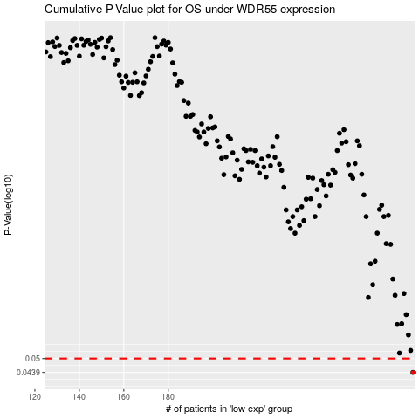

 |  |  |  |  |  | cases_OS | p_OS | rank | exp
 |  |  |  |  |  | 290 | 0.0439 | 309 | 0.40346618989
 |  |  |  |  |  |  | cases_RFS | p_RFS | rank | exp
 |  |  |  |  |  |  | 289 | 0.0439 | 158 | 0.39893232722

