WDR62 _multivariate
Reported by Tex Li-Hsing Chi. tex@gate.sinica.edu.tw 2019-08-15

Table 2. The clinicopathological features of HNSCC cohort and WDR62 expression. (Chi square test)
Cutoff at -0.256 (51.2%)
 |  | WDR62 expression |  | WDR62 expression |  | (Optimised)
 | Features | Low | (%) | High | (%) | Case no | P-value | Remark | Matthews
Gender | Female | 146 | 35.2 | 160 | 38.6 | 415 | 0.0285 | 1 | 0
2 | Male | 66 | 15.9 | 43 | 10.4
Age at diagnosis | <=65y | 137 | 33 | 137 | 33 | 415 | 0.6084 | 0 | 0
4 | >65y | 75 | 18.1 | 66 | 15.9
Clinical T Status | T1+T2 | 74 | 17.8 | 75 | 18.1 | 415 | 0.7408 | 0 | 0
6 | T3+T4 | 138 | 33.3 | 128 | 30.8
Clinical N Status | N0 | 111 | 26.7 | 105 | 25.3 | 415 | 0.9753 | 0 | 0
8 | N1-3 | 101 | 24.3 | 98 | 23.6
Clinical M Status | M0 | 210 | 50.6 | 202 | 48.7 | 415 | 1 | 0 | 0
10 | M1 | 2 | 0.5 | 1 | 0.2
Clinical Stage | Stage I+II | 59 | 14.2 | 43 | 10.4 | 415 | 0.1448 | 0 | 0
12 | Stage III+IV | 153 | 36.9 | 160 | 38.6
Surgical Margin status | Negative | 164 | 39.5 | 154 | 37.1 | 415 | 0.7293 | 0 | 0
14 | Positive | 48 | 11.6 | 49 | 11.8
Tobacco Exposure | Low | 93 | 22.4 | 68 | 16.4 | 415 | 0.0344 | 1 | 0
16 | High | 119 | 28.7 | 135 | 32.5

Table 3. Univariate/Multivariate Cox's proportional hazards regression analyses on OS time of WDR62 gene expression in HNSCC

 |  | Univariate |  |  |  | Multivariate
 | Features | HR | CI95%(L) | CI95%(H) | P-value | HR | CI95%(L) | CI95%(H) | P-value
1 | Female | 1 |  |  |  | 1
Gender | Male | 1.157 | 0.843 | 1.587 | 0.367 | 1.133 | 0.81 | 1.586 | 0.464
11 | <=65y | 1 |  |  |  | 1
Age at diagnosis | >65y | 1.329 | 0.99 | 1.784 | 0.058 | 1.413 | 1.042 | 1.918 | 0.026
12 | T1+T2 | 1 |  |  |  | 1
Clinical T Status | T3+T4 | 1.409 | 1.028 | 1.931 | 0.033 | 1.923 | 1.009 | 3.665 | 0.047
13 | N0 | 1 |  |  |  | 1
Clinical N Status | N1-3 | 1.185 | 0.89 | 1.577 | 0.246 | 1.159 | 0.811 | 1.658 | 0.418
14 | M0 | 1 |  |  |  | 1
Clinical M Status | M1 | 4.097 | 1.009 | 16.644 | 0.049 | 7.974 | 1.732 | 36.714 | 0.008
15 | Stage I+II | 1 |  |  |  | 1
Clinical Stage | Stage III+IV | 1.245 | 0.882 | 1.759 | 0.213 | 0.621 | 0.286 | 1.351 | 0.23
16 | Negative | 1 |  |  |  | 1
Surgical Margin status | Positive | 1.591 | 1.155 | 2.191 | 0.004 | 1.688 | 1.22 | 2.335 | 0.002
17 | Low | 1 |  |  |  | 1
Tobacco Exposure | High | 1.364 | 1.008 | 1.844 | 0.044 | 1.506 | 1.093 | 2.076 | 0.012
18 | Low | 1 |  |  |  | 1
RNAseq(z-score) | High | 0.65 | 0.487 | 0.869 | 0.004 | 0.644 | 0.477 | 0.869 | 0.004

Table 4. Univariate/Multivariate Cox's proportional hazards regression analyses on RFS time of WDR62 gene expression in HNSCC

 |  | Univariate |  |  |  | Multivariate
 | Features | HR | CI95%(L) | CI95%(H) | P-value | HR | CI95%(L) | CI95%(H) | P-value
1 | Female | 1 |  |  |  | 1
Gender | Male | 1.157 | 0.843 | 1.587 | 0.367 | 1.133 | 0.81 | 1.586 | 0.464
11 | <=65y | 1 |  |  |  | 1
Age at diagnosis | >65y | 1.329 | 0.99 | 1.784 | 0.058 | 1.413 | 1.042 | 1.918 | 0.026
12 | T1+T2 | 1 |  |  |  | 1
Clinical T Status | T3+T4 | 1.409 | 1.028 | 1.931 | 0.033 | 1.923 | 1.009 | 3.665 | 0.047
13 | N0 | 1 |  |  |  | 1
Clinical N Status | N1-3 | 1.185 | 0.89 | 1.577 | 0.246 | 1.159 | 0.811 | 1.658 | 0.418
14 | M0 | 1 |  |  |  | 1
Clinical M Status | M1 | 4.097 | 1.009 | 16.644 | 0.049 | 7.974 | 1.732 | 36.714 | 0.008
15 | Stage I+II | 1 |  |  |  | 1
Clinical Stage | Stage III+IV | 1.245 | 0.882 | 1.759 | 0.213 | 0.621 | 0.286 | 1.351 | 0.23
16 | Negative | 1 |  |  |  | 1
Surgical Margin status | Positive | 1.591 | 1.155 | 2.191 | 0.004 | 1.688 | 1.22 | 2.335 | 0.002
17 | Low | 1 |  |  |  | 1
Tobacco Exposure | High | 1.364 | 1.008 | 1.844 | 0.044 | 1.506 | 1.093 | 2.076 | 0.012
18 | Low | 1 |  |  |  | 1
RNAseq(z-score) | High | 0.65 | 0.487 | 0.869 | 0.004 | 0.644 | 0.477 | 0.869 | 0.004

Kaplan-Meier survival estimate: Cutoff at -0.256 (51.2%)

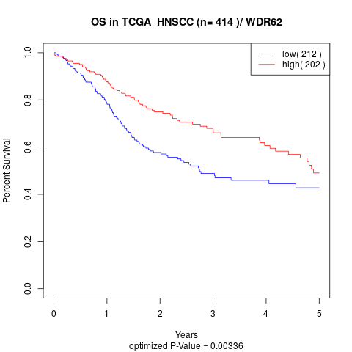

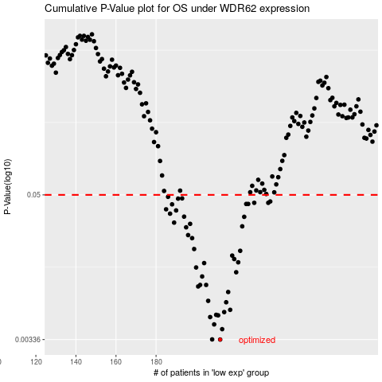

 |  |  |  |  |  | cases_OS | p_OS | rank | exp
 |  |  |  |  |  | 212 | 0.00336 | 320 | -0.25631367565
 |  |  |  |  |  | 208 | 0.00337 | 42 | -0.26447157832
 |  |  |  |  |  | 213 | 0.00408 | 106 | -0.25576832693
 |  |  |  |  |  | 209 | 0.00446 | 53 | -0.26319210632
 |  |  |  |  |  | 207 | 0.00511 | 213 | -0.26529907397
 |  |  |  |  |  | 211 | 0.00528 | 198 | -0.25904617046
 |  |  |  |  |  | 210 | 0.00533 | 228 | -0.26170592956
 |  |  |  |  |  | 214 | 0.00561 | 96 | -0.25335925233
 |  |  |  |  |  | 217 | 0.00585 | 245 | -0.24846126299
 |  |  |  |  |  | 215 | 0.00674 | 303 | -0.25207707388
 |  |  |  |  |  | 206 | 0.00692 | 86 | -0.26633022962
 |  |  |  |  |  | 216 | 0.00816 | 326 | -0.24986117181
 |  |  |  |  |  | 201 | 0.00905 | 172 | -0.2824870313
 |  |  |  |  |  | 205 | 0.00931 | 176 | -0.27772808559
 |  |  |  |  |  | 202 | 0.00931 | 294 | -0.27905255224
 |  |  |  |  |  | 203 | 0.0109 | 328 | -0.27864861529
 |  |  |  |  |  | 220 | 0.0118 | 37 | -0.23859085707
 |  |  |  |  |  | 200 | 0.0129 | 114 | -0.28964490244
 |  |  |  |  |  | 204 | 0.014 | 108 | -0.27845950242
 |  |  |  |  |  | 221 | 0.0142 | 286 | -0.23619429978
 |  |  |  |  |  | 219 | 0.0151 | 202 | -0.24755189738
 |  |  |  |  |  | 218 | 0.0161 | 218 | -0.24795211297
 |  |  |  |  |  | 222 | 0.0176 | 183 | -0.22878371431
 |  |  |  |  |  | 199 | 0.0182 | 196 | -0.29140341526
 |  |  |  |  |  | 198 | 0.0223 | 371 | -0.2922370004
 |  |  |  |  |  | 196 | 0.0236 | 83 | -0.30011749243
 |  |  |  |  |  | 195 | 0.0273 | 142 | -0.30348769341
 |  |  |  |  |  | 223 | 0.0278 | 93 | -0.22773226032
 |  |  |  |  |  | 197 | 0.0291 | 65 | -0.29506895708
 |  |  |  |  |  | 189 | 0.0298 | 169 | -0.31618633464
 |  |  |  |  |  | 224 | 0.0332 | 141 | -0.22606475173
 |  |  |  |  |  | 194 | 0.0333 | 56 | -0.30931162534
 |  |  |  |  |  | 187 | 0.0352 | 334 | -0.32327823618
 |  |  |  |  |  | 190 | 0.0374 | 192 | -0.31612307148
 |  |  |  |  |  | 185 | 0.0382 | 151 | -0.33313172682
 |  |  |  |  |  | 188 | 0.0419 | 224 | -0.32163610051
 |  |  |  |  |  | 226 | 0.0422 | 149 | -0.22383870049
 |  |  |  |  |  | 225 | 0.0422 | 333 | -0.22405115644
 |  |  |  |  |  | 236 | 0.0431 | 25 | -0.18299066025
 |  |  |  |  |  | 229 | 0.0431 | 242 | -0.21423048146
 |  |  |  |  |  | 237 | 0.0442 | 230 | -0.1760892248
 |  |  |  |  |  | 191 | 0.0466 | 33 | -0.31270043313
 |  |  |  |  |  | 193 | 0.0468 | 85 | -0.31042431265
 |  |  |  |  |  | 186 | 0.0482 | 70 | -0.3260293378
 |  |  |  |  |  |  | cases_RFS | p_RFS | rank | exp
 |  |  |  |  |  |  | 211 | 0.00336 | 198 | -0.25904617046
 |  |  |  |  |  |  | 207 | 0.00337 | 213 | -0.26529907397
 |  |  |  |  |  |  | 212 | 0.00408 | 320 | -0.25631367565
 |  |  |  |  |  |  | 208 | 0.00446 | 42 | -0.26447157832
 |  |  |  |  |  |  | 206 | 0.00511 | 86 | -0.26633022962
 |  |  |  |  |  |  | 210 | 0.00528 | 228 | -0.26170592956
 |  |  |  |  |  |  | 209 | 0.00533 | 53 | -0.26319210632
 |  |  |  |  |  |  | 213 | 0.00561 | 106 | -0.25576832693
 |  |  |  |  |  |  | 216 | 0.00585 | 326 | -0.24986117181
 |  |  |  |  |  |  | 214 | 0.00674 | 96 | -0.25335925233
 |  |  |  |  |  |  | 205 | 0.00692 | 176 | -0.27772808559
 |  |  |  |  |  |  | 215 | 0.00816 | 303 | -0.25207707388
 |  |  |  |  |  |  | 200 | 0.00905 | 114 | -0.28964490244
 |  |  |  |  |  |  | 204 | 0.00931 | 108 | -0.27845950242
 |  |  |  |  |  |  | 201 | 0.00931 | 172 | -0.2824870313
 |  |  |  |  |  |  | 202 | 0.0109 | 294 | -0.27905255224
 |  |  |  |  |  |  | 219 | 0.0118 | 202 | -0.24755189738
 |  |  |  |  |  |  | 199 | 0.0129 | 196 | -0.29140341526
 |  |  |  |  |  |  | 203 | 0.014 | 328 | -0.27864861529
 |  |  |  |  |  |  | 220 | 0.0142 | 37 | -0.23859085707
 |  |  |  |  |  |  | 218 | 0.0151 | 218 | -0.24795211297
 |  |  |  |  |  |  | 217 | 0.0161 | 245 | -0.24846126299
 |  |  |  |  |  |  | 221 | 0.0176 | 286 | -0.23619429978
 |  |  |  |  |  |  | 198 | 0.0182 | 371 | -0.2922370004
 |  |  |  |  |  |  | 197 | 0.0223 | 65 | -0.29506895708
 |  |  |  |  |  |  | 195 | 0.0236 | 142 | -0.30348769341
 |  |  |  |  |  |  | 194 | 0.0273 | 56 | -0.30931162534
 |  |  |  |  |  |  | 222 | 0.0278 | 183 | -0.22878371431
 |  |  |  |  |  |  | 196 | 0.0291 | 83 | -0.30011749243
 |  |  |  |  |  |  | 188 | 0.0298 | 224 | -0.32163610051
 |  |  |  |  |  |  | 223 | 0.0332 | 93 | -0.22773226032
 |  |  |  |  |  |  | 193 | 0.0333 | 85 | -0.31042431265
 |  |  |  |  |  |  | 186 | 0.0352 | 70 | -0.3260293378
 |  |  |  |  |  |  | 189 | 0.0374 | 169 | -0.31618633464
 |  |  |  |  |  |  | 184 | 0.0382 | 216 | -0.33810989459
 |  |  |  |  |  |  | 187 | 0.0419 | 334 | -0.32327823618
 |  |  |  |  |  |  | 224 | 0.0422 | 141 | -0.22606475173
 |  |  |  |  |  |  | 225 | 0.0422 | 333 | -0.22405115644
 |  |  |  |  |  |  | 228 | 0.0431 | 21 | -0.22042891775
 |  |  |  |  |  |  | 235 | 0.0431 | 412 | -0.1843919223
 |  |  |  |  |  |  | 236 | 0.0442 | 25 | -0.18299066025
 |  |  |  |  |  |  | 190 | 0.0466 | 192 | -0.31612307148
 |  |  |  |  |  |  | 192 | 0.0468 | 153 | -0.31169228226
 |  |  |  |  |  |  | 185 | 0.0482 | 151 | -0.33313172682

