WDR65 _multivariate
Reported by Tex Li-Hsing Chi. tex@gate.sinica.edu.tw 2019-08-15

Table 2. The clinicopathological features of HNSCC cohort and WDR65 expression. (Chi square test)
Cutoff at -0.13 (50.0%)
 |  | WDR65 expression |  | WDR65 expression |  | (Optimised)
 | Features | Low | (%) | High | (%) | Case no | P-value | Remark | Matthews
Gender | Female | 150 | 36.1 | 156 | 37.6 | 415 | 0.6344 | 0 | 0
2 | Male | 57 | 13.7 | 52 | 12.5
Age at diagnosis | <=65y | 135 | 32.5 | 139 | 33.5 | 415 | 0.8084 | 0 | 0
4 | >65y | 72 | 17.3 | 69 | 16.6
Clinical T Status | T1+T2 | 72 | 17.3 | 77 | 18.6 | 415 | 0.7095 | 0 | 0
6 | T3+T4 | 135 | 32.5 | 131 | 31.6
Clinical N Status | N0 | 111 | 26.7 | 105 | 25.3 | 415 | 0.5875 | 0 | 0
8 | N1-3 | 96 | 23.1 | 103 | 24.8
Clinical M Status | M0 | 205 | 49.4 | 207 | 49.9 | 415 | 0.6232 | 0 | 0
10 | M1 | 2 | 0.5 | 1 | 0.2
Clinical Stage | Stage I+II | 48 | 11.6 | 54 | 13 | 415 | 0.5878 | 0 | 0
12 | Stage III+IV | 159 | 38.3 | 154 | 37.1
Surgical Margin status | Negative | 154 | 37.1 | 164 | 39.5 | 415 | 0.2984 | 0 | 0
14 | Positive | 53 | 12.8 | 44 | 10.6
Tobacco Exposure | Low | 79 | 19 | 82 | 19.8 | 415 | 0.8405 | 0 | 0
16 | High | 128 | 30.8 | 126 | 30.4

Table 3. Univariate/Multivariate Cox's proportional hazards regression analyses on OS time of WDR65 gene expression in HNSCC

 |  | Univariate |  |  |  | Multivariate
 | Features | HR | CI95%(L) | CI95%(H) | P-value | HR | CI95%(L) | CI95%(H) | P-value
1 | Female | 1 |  |  |  | 1
Gender | Male | 1.157 | 0.843 | 1.587 | 0.367 | 1.221 | 0.872 | 1.71 | 0.245
11 | <=65y | 1 |  |  |  | 1
Age at diagnosis | >65y | 1.329 | 0.99 | 1.784 | 0.058 | 1.382 | 1.016 | 1.88 | 0.039
12 | T1+T2 | 1 |  |  |  | 1
Clinical T Status | T3+T4 | 1.409 | 1.028 | 1.931 | 0.033 | 2.218 | 1.173 | 4.196 | 0.014
13 | N0 | 1 |  |  |  | 1
Clinical N Status | N1-3 | 1.185 | 0.89 | 1.577 | 0.246 | 1.227 | 0.859 | 1.753 | 0.26
14 | M0 | 1 |  |  |  | 1
Clinical M Status | M1 | 4.097 | 1.009 | 16.644 | 0.049 | 9.662 | 2.104 | 44.383 | 0.004
15 | Stage I+II | 1 |  |  |  | 1
Clinical Stage | Stage III+IV | 1.245 | 0.882 | 1.759 | 0.213 | 0.507 | 0.236 | 1.088 | 0.081
16 | Negative | 1 |  |  |  | 1
Surgical Margin status | Positive | 1.591 | 1.155 | 2.191 | 0.004 | 1.694 | 1.223 | 2.347 | 0.002
17 | Low | 1 |  |  |  | 1
Tobacco Exposure | High | 1.364 | 1.008 | 1.844 | 0.044 | 1.462 | 1.061 | 2.015 | 0.02
18 | Low | 1 |  |  |  | 1
RNAseq(z-score) | High | 1.001 | 0.751 | 1.335 | 0.994 | 1.11 | 0.826 | 1.492 | 0.49

Table 4. Univariate/Multivariate Cox's proportional hazards regression analyses on RFS time of WDR65 gene expression in HNSCC

 |  | Univariate |  |  |  | Multivariate
 | Features | HR | CI95%(L) | CI95%(H) | P-value | HR | CI95%(L) | CI95%(H) | P-value
1 | Female | 1 |  |  |  | 1
Gender | Male | 1.157 | 0.843 | 1.587 | 0.367 | 1.221 | 0.872 | 1.71 | 0.245
11 | <=65y | 1 |  |  |  | 1
Age at diagnosis | >65y | 1.329 | 0.99 | 1.784 | 0.058 | 1.382 | 1.016 | 1.88 | 0.039
12 | T1+T2 | 1 |  |  |  | 1
Clinical T Status | T3+T4 | 1.409 | 1.028 | 1.931 | 0.033 | 2.218 | 1.173 | 4.196 | 0.014
13 | N0 | 1 |  |  |  | 1
Clinical N Status | N1-3 | 1.185 | 0.89 | 1.577 | 0.246 | 1.227 | 0.859 | 1.753 | 0.26
14 | M0 | 1 |  |  |  | 1
Clinical M Status | M1 | 4.097 | 1.009 | 16.644 | 0.049 | 9.662 | 2.104 | 44.383 | 0.004
15 | Stage I+II | 1 |  |  |  | 1
Clinical Stage | Stage III+IV | 1.245 | 0.882 | 1.759 | 0.213 | 0.507 | 0.236 | 1.088 | 0.081
16 | Negative | 1 |  |  |  | 1
Surgical Margin status | Positive | 1.591 | 1.155 | 2.191 | 0.004 | 1.694 | 1.223 | 2.347 | 0.002
17 | Low | 1 |  |  |  | 1
Tobacco Exposure | High | 1.364 | 1.008 | 1.844 | 0.044 | 1.462 | 1.061 | 2.015 | 0.02
18 | Low | 1 |  |  |  | 1
RNAseq(z-score) | High | 1.001 | 0.751 | 1.335 | 0.994 | 1.11 | 0.826 | 1.492 | 0.49

Kaplan-Meier survival estimate: Cutoff at -0.13 (50.0%)



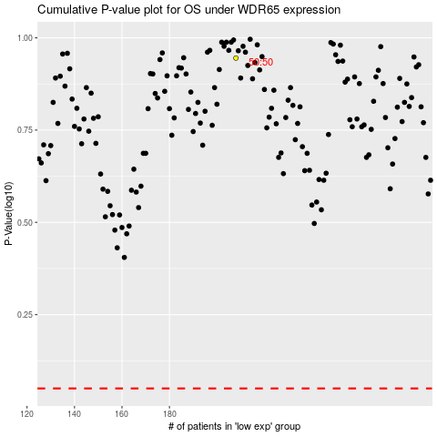

 |  |  |  |  |  | cases_OS | p_OS | rank | exp
 |  |  |  |  |  |  | cases_RFS | p_RFS | rank | exp

