WDR82 _multivariate
Reported by Tex Li-Hsing Chi. tex@gate.sinica.edu.tw 2019-08-15

Table 2. The clinicopathological features of HNSCC cohort and WDR82 expression. (Chi square test)
Cutoff at -0.19 (49.8%)
 |  | WDR82 expression |  | WDR82 expression |  | (Optimised)
 | Features | Low | (%) | High | (%) | Case no | P-value | Remark | Matthews
Gender | Female | 159 | 38.3 | 147 | 35.4 | 415 | 0.1905 | 0 | 0
2 | Male | 48 | 11.6 | 61 | 14.7
Age at diagnosis | <=65y | 143 | 34.5 | 131 | 31.6 | 415 | 0.2269 | 0 | 0
4 | >65y | 64 | 15.4 | 77 | 18.6
Clinical T Status | T1+T2 | 79 | 19 | 70 | 16.9 | 415 | 0.3924 | 0 | 0
6 | T3+T4 | 128 | 30.8 | 138 | 33.3
Clinical N Status | N0 | 113 | 27.2 | 103 | 24.8 | 415 | 0.3495 | 1 | 0
8 | N1-3 | 94 | 22.7 | 105 | 25.3
Clinical M Status | M0 | 204 | 49.2 | 208 | 50.1 | 415 | 0.1232 | 0 | 0
10 | M1 | 3 | 0.7 | 0 | 0
Clinical Stage | Stage I+II | 56 | 13.5 | 46 | 11.1 | 415 | 0.2918 | 0 | 0
12 | Stage III+IV | 151 | 36.4 | 162 | 39
Surgical Margin status | Negative | 159 | 38.3 | 159 | 38.3 | 415 | 1 | 0 | 0
14 | Positive | 48 | 11.6 | 49 | 11.8
Tobacco Exposure | Low | 80 | 19.3 | 81 | 19.5 | 415 | 1 | 0 | 0
16 | High | 127 | 30.6 | 127 | 30.6

Table 3. Univariate/Multivariate Cox's proportional hazards regression analyses on OS time of WDR82 gene expression in HNSCC

 |  | Univariate |  |  |  | Multivariate
 | Features | HR | CI95%(L) | CI95%(H) | P-value | HR | CI95%(L) | CI95%(H) | P-value
1 | Female | 1 |  |  |  | 1
Gender | Male | 1.157 | 0.843 | 1.587 | 0.367 | 1.204 | 0.862 | 1.683 | 0.277
11 | <=65y | 1 |  |  |  | 1
Age at diagnosis | >65y | 1.329 | 0.99 | 1.784 | 0.058 | 1.394 | 1.026 | 1.895 | 0.034
12 | T1+T2 | 1 |  |  |  | 1
Clinical T Status | T3+T4 | 1.409 | 1.028 | 1.931 | 0.033 | 2.197 | 1.162 | 4.154 | 0.015
13 | N0 | 1 |  |  |  | 1
Clinical N Status | N1-3 | 1.185 | 0.89 | 1.577 | 0.246 | 1.241 | 0.87 | 1.77 | 0.234
14 | M0 | 1 |  |  |  | 1
Clinical M Status | M1 | 4.097 | 1.009 | 16.644 | 0.049 | 9.038 | 1.957 | 41.752 | 0.005
15 | Stage I+II | 1 |  |  |  | 1
Clinical Stage | Stage III+IV | 1.245 | 0.882 | 1.759 | 0.213 | 0.507 | 0.236 | 1.088 | 0.081
16 | Negative | 1 |  |  |  | 1
Surgical Margin status | Positive | 1.591 | 1.155 | 2.191 | 0.004 | 1.67 | 1.209 | 2.307 | 0.002
17 | Low | 1 |  |  |  | 1
Tobacco Exposure | High | 1.364 | 1.008 | 1.844 | 0.044 | 1.447 | 1.049 | 1.995 | 0.024
18 | Low | 1 |  |  |  | 1
RNAseq(z-score) | High | 0.903 | 0.678 | 1.203 | 0.486 | 0.929 | 0.695 | 1.241 | 0.618

Table 4. Univariate/Multivariate Cox's proportional hazards regression analyses on RFS time of WDR82 gene expression in HNSCC

 |  | Univariate |  |  |  | Multivariate
 | Features | HR | CI95%(L) | CI95%(H) | P-value | HR | CI95%(L) | CI95%(H) | P-value
1 | Female | 1 |  |  |  | 1
Gender | Male | 1.157 | 0.843 | 1.587 | 0.367 | 1.204 | 0.862 | 1.683 | 0.277
11 | <=65y | 1 |  |  |  | 1
Age at diagnosis | >65y | 1.329 | 0.99 | 1.784 | 0.058 | 1.394 | 1.026 | 1.895 | 0.034
12 | T1+T2 | 1 |  |  |  | 1
Clinical T Status | T3+T4 | 1.409 | 1.028 | 1.931 | 0.033 | 2.197 | 1.162 | 4.154 | 0.015
13 | N0 | 1 |  |  |  | 1
Clinical N Status | N1-3 | 1.185 | 0.89 | 1.577 | 0.246 | 1.241 | 0.87 | 1.77 | 0.234
14 | M0 | 1 |  |  |  | 1
Clinical M Status | M1 | 4.097 | 1.009 | 16.644 | 0.049 | 9.038 | 1.957 | 41.752 | 0.005
15 | Stage I+II | 1 |  |  |  | 1
Clinical Stage | Stage III+IV | 1.245 | 0.882 | 1.759 | 0.213 | 0.507 | 0.236 | 1.088 | 0.081
16 | Negative | 1 |  |  |  | 1
Surgical Margin status | Positive | 1.591 | 1.155 | 2.191 | 0.004 | 1.67 | 1.209 | 2.307 | 0.002
17 | Low | 1 |  |  |  | 1
Tobacco Exposure | High | 1.364 | 1.008 | 1.844 | 0.044 | 1.447 | 1.049 | 1.995 | 0.024
18 | Low | 1 |  |  |  | 1
RNAseq(z-score) | High | 0.903 | 0.678 | 1.203 | 0.486 | 0.929 | 0.695 | 1.241 | 0.618

Kaplan-Meier survival estimate: Cutoff at -0.19 (49.8%)



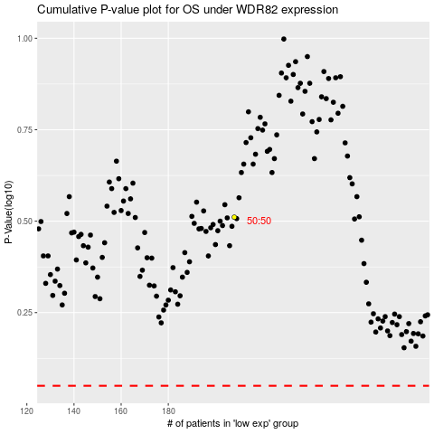

 |  |  |  |  |  | cases_OS | p_OS | rank | exp
 |  |  |  |  |  |  | cases_RFS | p_RFS | rank | exp

