WDR89 _multivariate
Reported by Tex Li-Hsing Chi. tex@gate.sinica.edu.tw 2019-08-15

Table 2. The clinicopathological features of HNSCC cohort and WDR89 expression. (Chi square test)
Cutoff at -0.086 (49.8%)
 |  | WDR89 expression |  | WDR89 expression |  | (Optimised)
 | Features | Low | (%) | High | (%) | Case no | P-value | Remark | Matthews
Gender | Female | 155 | 37.3 | 151 | 36.4 | 415 | 0.6768 | 0 | 0
2 | Male | 52 | 12.5 | 57 | 13.7
Age at diagnosis | <=65y | 127 | 30.6 | 147 | 35.4 | 415 | 0.0573 | 0 | 0
4 | >65y | 80 | 19.3 | 61 | 14.7
Clinical T Status | T1+T2 | 62 | 14.9 | 87 | 21 | 415 | 0.0156 | 1 | 0
6 | T3+T4 | 145 | 34.9 | 121 | 29.2
Clinical N Status | N0 | 108 | 26 | 108 | 26 | 415 | 1 | 0 | 0
8 | N1-3 | 99 | 23.9 | 100 | 24.1
Clinical M Status | M0 | 206 | 49.6 | 206 | 49.6 | 415 | 1 | 0 | 0
10 | M1 | 1 | 0.2 | 2 | 0.5
Clinical Stage | Stage I+II | 38 | 9.2 | 64 | 15.4 | 415 | 0.0048 | 1 | 0
12 | Stage III+IV | 169 | 40.7 | 144 | 34.7
Surgical Margin status | Negative | 162 | 39 | 156 | 37.6 | 415 | 0.4867 | 0 | 0
14 | Positive | 45 | 10.8 | 52 | 12.5
Tobacco Exposure | Low | 85 | 20.5 | 76 | 18.3 | 415 | 0.3655 | 0 | 0
16 | High | 122 | 29.4 | 132 | 31.8

Table 3. Univariate/Multivariate Cox's proportional hazards regression analyses on OS time of WDR89 gene expression in HNSCC

 |  | Univariate |  |  |  | Multivariate
 | Features | HR | CI95%(L) | CI95%(H) | P-value | HR | CI95%(L) | CI95%(H) | P-value
1 | Female | 1 |  |  |  | 1
Gender | Male | 1.157 | 0.843 | 1.587 | 0.367 | 1.193 | 0.853 | 1.67 | 0.303
11 | <=65y | 1 |  |  |  | 1
Age at diagnosis | >65y | 1.329 | 0.99 | 1.784 | 0.058 | 1.401 | 1.029 | 1.906 | 0.032
12 | T1+T2 | 1 |  |  |  | 1
Clinical T Status | T3+T4 | 1.409 | 1.028 | 1.931 | 0.033 | 2.199 | 1.163 | 4.157 | 0.015
13 | N0 | 1 |  |  |  | 1
Clinical N Status | N1-3 | 1.185 | 0.89 | 1.577 | 0.246 | 1.235 | 0.865 | 1.763 | 0.246
14 | M0 | 1 |  |  |  | 1
Clinical M Status | M1 | 4.097 | 1.009 | 16.644 | 0.049 | 9.175 | 1.994 | 42.21 | 0.004
15 | Stage I+II | 1 |  |  |  | 1
Clinical Stage | Stage III+IV | 1.245 | 0.882 | 1.759 | 0.213 | 0.513 | 0.238 | 1.104 | 0.088
16 | Negative | 1 |  |  |  | 1
Surgical Margin status | Positive | 1.591 | 1.155 | 2.191 | 0.004 | 1.66 | 1.2 | 2.297 | 0.002
17 | Low | 1 |  |  |  | 1
Tobacco Exposure | High | 1.364 | 1.008 | 1.844 | 0.044 | 1.447 | 1.05 | 1.995 | 0.024
18 | Low | 1 |  |  |  | 1
RNAseq(z-score) | High | 1.096 | 0.823 | 1.46 | 0.531 | 1.072 | 0.799 | 1.44 | 0.643

Table 4. Univariate/Multivariate Cox's proportional hazards regression analyses on RFS time of WDR89 gene expression in HNSCC

 |  | Univariate |  |  |  | Multivariate
 | Features | HR | CI95%(L) | CI95%(H) | P-value | HR | CI95%(L) | CI95%(H) | P-value
1 | Female | 1 |  |  |  | 1
Gender | Male | 1.157 | 0.843 | 1.587 | 0.367 | 1.193 | 0.853 | 1.67 | 0.303
11 | <=65y | 1 |  |  |  | 1
Age at diagnosis | >65y | 1.329 | 0.99 | 1.784 | 0.058 | 1.401 | 1.029 | 1.906 | 0.032
12 | T1+T2 | 1 |  |  |  | 1
Clinical T Status | T3+T4 | 1.409 | 1.028 | 1.931 | 0.033 | 2.199 | 1.163 | 4.157 | 0.015
13 | N0 | 1 |  |  |  | 1
Clinical N Status | N1-3 | 1.185 | 0.89 | 1.577 | 0.246 | 1.235 | 0.865 | 1.763 | 0.246
14 | M0 | 1 |  |  |  | 1
Clinical M Status | M1 | 4.097 | 1.009 | 16.644 | 0.049 | 9.175 | 1.994 | 42.21 | 0.004
15 | Stage I+II | 1 |  |  |  | 1
Clinical Stage | Stage III+IV | 1.245 | 0.882 | 1.759 | 0.213 | 0.513 | 0.238 | 1.104 | 0.088
16 | Negative | 1 |  |  |  | 1
Surgical Margin status | Positive | 1.591 | 1.155 | 2.191 | 0.004 | 1.66 | 1.2 | 2.297 | 0.002
17 | Low | 1 |  |  |  | 1
Tobacco Exposure | High | 1.364 | 1.008 | 1.844 | 0.044 | 1.447 | 1.05 | 1.995 | 0.024
18 | Low | 1 |  |  |  | 1
RNAseq(z-score) | High | 1.096 | 0.823 | 1.46 | 0.531 | 1.072 | 0.799 | 1.44 | 0.643

Kaplan-Meier survival estimate: Cutoff at -0.086 (49.8%)



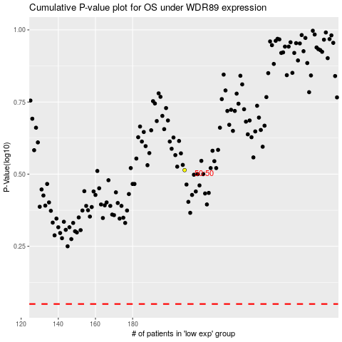

 |  |  |  |  |  | cases_OS | p_OS | rank | exp
 |  |  |  |  |  |  | cases_RFS | p_RFS | rank | exp

