WDR92 _multivariate
Reported by Tex Li-Hsing Chi. tex@gate.sinica.edu.tw 2019-08-15

Table 2. The clinicopathological features of HNSCC cohort and WDR92 expression. (Chi square test)
Cutoff at -0.118 (49.8%)
 |  | WDR92 expression |  | WDR92 expression |  | (Optimised)
 | Features | Low | (%) | High | (%) | Case no | P-value | Remark | Matthews
Gender | Female | 151 | 36.4 | 155 | 37.3 | 415 | 0.8007 | 0 | 0
2 | Male | 56 | 13.5 | 53 | 12.8
Age at diagnosis | <=65y | 129 | 31.1 | 145 | 34.9 | 415 | 0.1372 | 0 | 0
4 | >65y | 78 | 18.8 | 63 | 15.2
Clinical T Status | T1+T2 | 57 | 13.7 | 92 | 22.2 | 415 | 6e-04 | 1 | 0
6 | T3+T4 | 150 | 36.1 | 116 | 28
Clinical N Status | N0 | 107 | 25.8 | 109 | 26.3 | 415 | 0.9624 | 0 | 0
8 | N1-3 | 100 | 24.1 | 99 | 23.9
Clinical M Status | M0 | 206 | 49.6 | 206 | 49.6 | 415 | 1 | 0 | 0
10 | M1 | 1 | 0.2 | 2 | 0.5
Clinical Stage | Stage I+II | 42 | 10.1 | 60 | 14.5 | 415 | 0.0561 | 0 | 0
12 | Stage III+IV | 165 | 39.8 | 148 | 35.7
Surgical Margin status | Negative | 163 | 39.3 | 155 | 37.3 | 415 | 0.3537 | 0 | 0
14 | Positive | 44 | 10.6 | 53 | 12.8
Tobacco Exposure | Low | 79 | 19 | 82 | 19.8 | 415 | 0.8405 | 0 | 0
16 | High | 128 | 30.8 | 126 | 30.4

Table 3. Univariate/Multivariate Cox's proportional hazards regression analyses on OS time of WDR92 gene expression in HNSCC

 |  | Univariate |  |  |  | Multivariate
 | Features | HR | CI95%(L) | CI95%(H) | P-value | HR | CI95%(L) | CI95%(H) | P-value
1 | Female | 1 |  |  |  | 1
Gender | Male | 1.157 | 0.843 | 1.587 | 0.367 | 1.199 | 0.858 | 1.676 | 0.287
11 | <=65y | 1 |  |  |  | 1
Age at diagnosis | >65y | 1.329 | 0.99 | 1.784 | 0.058 | 1.408 | 1.034 | 1.918 | 0.03
12 | T1+T2 | 1 |  |  |  | 1
Clinical T Status | T3+T4 | 1.409 | 1.028 | 1.931 | 0.033 | 2.244 | 1.185 | 4.251 | 0.013
13 | N0 | 1 |  |  |  | 1
Clinical N Status | N1-3 | 1.185 | 0.89 | 1.577 | 0.246 | 1.233 | 0.864 | 1.76 | 0.248
14 | M0 | 1 |  |  |  | 1
Clinical M Status | M1 | 4.097 | 1.009 | 16.644 | 0.049 | 9.459 | 2.064 | 43.362 | 0.004
15 | Stage I+II | 1 |  |  |  | 1
Clinical Stage | Stage III+IV | 1.245 | 0.882 | 1.759 | 0.213 | 0.506 | 0.236 | 1.087 | 0.081
16 | Negative | 1 |  |  |  | 1
Surgical Margin status | Positive | 1.591 | 1.155 | 2.191 | 0.004 | 1.654 | 1.195 | 2.288 | 0.002
17 | Low | 1 |  |  |  | 1
Tobacco Exposure | High | 1.364 | 1.008 | 1.844 | 0.044 | 1.458 | 1.058 | 2.009 | 0.021
18 | Low | 1 |  |  |  | 1
RNAseq(z-score) | High | 1.06 | 0.796 | 1.411 | 0.691 | 1.121 | 0.836 | 1.503 | 0.447

Table 4. Univariate/Multivariate Cox's proportional hazards regression analyses on RFS time of WDR92 gene expression in HNSCC

 |  | Univariate |  |  |  | Multivariate
 | Features | HR | CI95%(L) | CI95%(H) | P-value | HR | CI95%(L) | CI95%(H) | P-value
1 | Female | 1 |  |  |  | 1
Gender | Male | 1.157 | 0.843 | 1.587 | 0.367 | 1.199 | 0.858 | 1.676 | 0.287
11 | <=65y | 1 |  |  |  | 1
Age at diagnosis | >65y | 1.329 | 0.99 | 1.784 | 0.058 | 1.408 | 1.034 | 1.918 | 0.03
12 | T1+T2 | 1 |  |  |  | 1
Clinical T Status | T3+T4 | 1.409 | 1.028 | 1.931 | 0.033 | 2.244 | 1.185 | 4.251 | 0.013
13 | N0 | 1 |  |  |  | 1
Clinical N Status | N1-3 | 1.185 | 0.89 | 1.577 | 0.246 | 1.233 | 0.864 | 1.76 | 0.248
14 | M0 | 1 |  |  |  | 1
Clinical M Status | M1 | 4.097 | 1.009 | 16.644 | 0.049 | 9.459 | 2.064 | 43.362 | 0.004
15 | Stage I+II | 1 |  |  |  | 1
Clinical Stage | Stage III+IV | 1.245 | 0.882 | 1.759 | 0.213 | 0.506 | 0.236 | 1.087 | 0.081
16 | Negative | 1 |  |  |  | 1
Surgical Margin status | Positive | 1.591 | 1.155 | 2.191 | 0.004 | 1.654 | 1.195 | 2.288 | 0.002
17 | Low | 1 |  |  |  | 1
Tobacco Exposure | High | 1.364 | 1.008 | 1.844 | 0.044 | 1.458 | 1.058 | 2.009 | 0.021
18 | Low | 1 |  |  |  | 1
RNAseq(z-score) | High | 1.06 | 0.796 | 1.411 | 0.691 | 1.121 | 0.836 | 1.503 | 0.447

Kaplan-Meier survival estimate: Cutoff at -0.118 (49.8%)



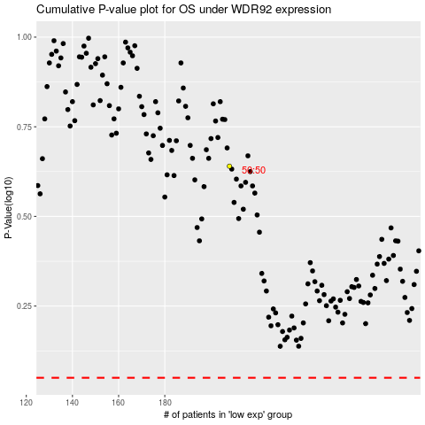

 |  |  |  |  |  | cases_OS | p_OS | rank | exp
 |  |  |  |  |  |  | cases_RFS | p_RFS | rank | exp

