WDSUB1 _multivariate
Reported by Tex Li-Hsing Chi. tex@gate.sinica.edu.tw 2019-08-15

Table 2. The clinicopathological features of HNSCC cohort and WDSUB1 expression. (Chi square test)
Cutoff at -0.28 (50.0%)
 |  | WDSUB1 expression |  | WDSUB1 expression |  | (Optimised)
 | Features | Low | (%) | High | (%) | Case no | P-value | Remark | Matthews
Gender | Female | 148 | 35.7 | 158 | 38.1 | 415 | 0.3567 | 0 | 0
2 | Male | 59 | 14.2 | 50 | 12
Age at diagnosis | <=65y | 134 | 32.3 | 140 | 33.7 | 415 | 0.6529 | 0 | 0
4 | >65y | 73 | 17.6 | 68 | 16.4
Clinical T Status | T1+T2 | 75 | 18.1 | 74 | 17.8 | 415 | 0.9707 | 0 | 0
6 | T3+T4 | 132 | 31.8 | 134 | 32.3
Clinical N Status | N0 | 106 | 25.5 | 110 | 26.5 | 415 | 0.8075 | 0 | 0
8 | N1-3 | 101 | 24.3 | 98 | 23.6
Clinical M Status | M0 | 205 | 49.4 | 207 | 49.9 | 415 | 0.6232 | 0 | 0
10 | M1 | 2 | 0.5 | 1 | 0.2
Clinical Stage | Stage I+II | 53 | 12.8 | 49 | 11.8 | 415 | 0.7113 | 0 | 0
12 | Stage III+IV | 154 | 37.1 | 159 | 38.3
Surgical Margin status | Negative | 161 | 38.8 | 157 | 37.8 | 415 | 0.6429 | 0 | 0
14 | Positive | 46 | 11.1 | 51 | 12.3
Tobacco Exposure | Low | 88 | 21.2 | 73 | 17.6 | 415 | 0.1314 | 0 | 0
16 | High | 119 | 28.7 | 135 | 32.5

Table 3. Univariate/Multivariate Cox's proportional hazards regression analyses on OS time of WDSUB1 gene expression in HNSCC

 |  | Univariate |  |  |  | Multivariate
 | Features | HR | CI95%(L) | CI95%(H) | P-value | HR | CI95%(L) | CI95%(H) | P-value
1 | Female | 1 |  |  |  | 1
Gender | Male | 1.157 | 0.843 | 1.587 | 0.367 | 1.202 | 0.86 | 1.68 | 0.281
11 | <=65y | 1 |  |  |  | 1
Age at diagnosis | >65y | 1.329 | 0.99 | 1.784 | 0.058 | 1.388 | 1.021 | 1.887 | 0.036
12 | T1+T2 | 1 |  |  |  | 1
Clinical T Status | T3+T4 | 1.409 | 1.028 | 1.931 | 0.033 | 2.19 | 1.158 | 4.142 | 0.016
13 | N0 | 1 |  |  |  | 1
Clinical N Status | N1-3 | 1.185 | 0.89 | 1.577 | 0.246 | 1.232 | 0.863 | 1.759 | 0.251
14 | M0 | 1 |  |  |  | 1
Clinical M Status | M1 | 4.097 | 1.009 | 16.644 | 0.049 | 9.297 | 2.027 | 42.643 | 0.004
15 | Stage I+II | 1 |  |  |  | 1
Clinical Stage | Stage III+IV | 1.245 | 0.882 | 1.759 | 0.213 | 0.51 | 0.237 | 1.095 | 0.084
16 | Negative | 1 |  |  |  | 1
Surgical Margin status | Positive | 1.591 | 1.155 | 2.191 | 0.004 | 1.683 | 1.217 | 2.328 | 0.002
17 | Low | 1 |  |  |  | 1
Tobacco Exposure | High | 1.364 | 1.008 | 1.844 | 0.044 | 1.47 | 1.064 | 2.031 | 0.02
18 | Low | 1 |  |  |  | 1
RNAseq(z-score) | High | 0.945 | 0.71 | 1.259 | 0.699 | 0.921 | 0.688 | 1.232 | 0.58

Table 4. Univariate/Multivariate Cox's proportional hazards regression analyses on RFS time of WDSUB1 gene expression in HNSCC

 |  | Univariate |  |  |  | Multivariate
 | Features | HR | CI95%(L) | CI95%(H) | P-value | HR | CI95%(L) | CI95%(H) | P-value
1 | Female | 1 |  |  |  | 1
Gender | Male | 1.157 | 0.843 | 1.587 | 0.367 | 1.202 | 0.86 | 1.68 | 0.281
11 | <=65y | 1 |  |  |  | 1
Age at diagnosis | >65y | 1.329 | 0.99 | 1.784 | 0.058 | 1.388 | 1.021 | 1.887 | 0.036
12 | T1+T2 | 1 |  |  |  | 1
Clinical T Status | T3+T4 | 1.409 | 1.028 | 1.931 | 0.033 | 2.19 | 1.158 | 4.142 | 0.016
13 | N0 | 1 |  |  |  | 1
Clinical N Status | N1-3 | 1.185 | 0.89 | 1.577 | 0.246 | 1.232 | 0.863 | 1.759 | 0.251
14 | M0 | 1 |  |  |  | 1
Clinical M Status | M1 | 4.097 | 1.009 | 16.644 | 0.049 | 9.297 | 2.027 | 42.643 | 0.004
15 | Stage I+II | 1 |  |  |  | 1
Clinical Stage | Stage III+IV | 1.245 | 0.882 | 1.759 | 0.213 | 0.51 | 0.237 | 1.095 | 0.084
16 | Negative | 1 |  |  |  | 1
Surgical Margin status | Positive | 1.591 | 1.155 | 2.191 | 0.004 | 1.683 | 1.217 | 2.328 | 0.002
17 | Low | 1 |  |  |  | 1
Tobacco Exposure | High | 1.364 | 1.008 | 1.844 | 0.044 | 1.47 | 1.064 | 2.031 | 0.02
18 | Low | 1 |  |  |  | 1
RNAseq(z-score) | High | 0.945 | 0.71 | 1.259 | 0.699 | 0.921 | 0.688 | 1.232 | 0.58

Kaplan-Meier survival estimate: Cutoff at -0.28 (50.0%)



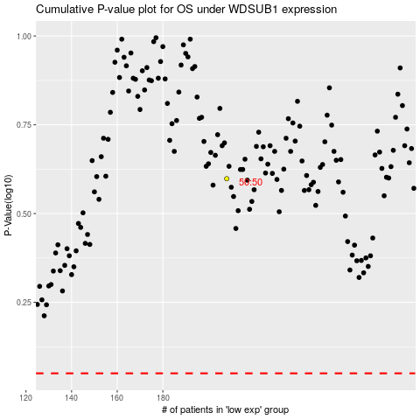

 |  |  |  |  |  | cases_OS | p_OS | rank | exp
 |  |  |  |  |  |  | cases_RFS | p_RFS | rank | exp

