WFDC12 _multivariate
Reported by Tex Li-Hsing Chi. tex@gate.sinica.edu.tw 2019-08-15

Table 2. The clinicopathological features of HNSCC cohort and WFDC12 expression. (Chi square test)
Cutoff at -0.254 (50.0%)
 |  | WFDC12 expression |  | WFDC12 expression |  | (Optimised)
 | Features | Low | (%) | High | (%) | Case no | P-value | Remark | Matthews
Gender | Female | 166 | 40 | 140 | 33.7 | 415 | 0.0041 | 1 | 0
2 | Male | 41 | 9.9 | 68 | 16.4
Age at diagnosis | <=65y | 139 | 33.5 | 135 | 32.5 | 415 | 0.7044 | 0 | 0
4 | >65y | 68 | 16.4 | 73 | 17.6
Clinical T Status | T1+T2 | 84 | 20.2 | 65 | 15.7 | 415 | 0.0603 | 0 | 0
6 | T3+T4 | 123 | 29.6 | 143 | 34.5
Clinical N Status | N0 | 99 | 23.9 | 117 | 28.2 | 415 | 0.1054 | 0 | 0
8 | N1-3 | 108 | 26 | 91 | 21.9
Clinical M Status | M0 | 206 | 49.6 | 206 | 49.6 | 415 | 1 | 0 | 0
10 | M1 | 1 | 0.2 | 2 | 0.5
Clinical Stage | Stage I+II | 50 | 12 | 52 | 12.5 | 415 | 0.9315 | 0 | 0
12 | Stage III+IV | 157 | 37.8 | 156 | 37.6
Surgical Margin status | Negative | 149 | 35.9 | 169 | 40.7 | 415 | 0.0278 | 1 | 0
14 | Positive | 58 | 14 | 39 | 9.4
Tobacco Exposure | Low | 68 | 16.4 | 93 | 22.4 | 415 | 0.0156 | 1 | 0
16 | High | 139 | 33.5 | 115 | 27.7

Table 3. Univariate/Multivariate Cox's proportional hazards regression analyses on OS time of WFDC12 gene expression in HNSCC

 |  | Univariate |  |  |  | Multivariate
 | Features | HR | CI95%(L) | CI95%(H) | P-value | HR | CI95%(L) | CI95%(H) | P-value
1 | Female | 1 |  |  |  | 1
Gender | Male | 1.157 | 0.843 | 1.587 | 0.367 | 1.26 | 0.896 | 1.771 | 0.185
11 | <=65y | 1 |  |  |  | 1
Age at diagnosis | >65y | 1.329 | 0.99 | 1.784 | 0.058 | 1.381 | 1.016 | 1.878 | 0.039
12 | T1+T2 | 1 |  |  |  | 1
Clinical T Status | T3+T4 | 1.409 | 1.028 | 1.931 | 0.033 | 2.361 | 1.24 | 4.495 | 0.009
13 | N0 | 1 |  |  |  | 1
Clinical N Status | N1-3 | 1.185 | 0.89 | 1.577 | 0.246 | 1.23 | 0.861 | 1.756 | 0.255
14 | M0 | 1 |  |  |  | 1
Clinical M Status | M1 | 4.097 | 1.009 | 16.644 | 0.049 | 10.816 | 2.33 | 50.215 | 0.002
15 | Stage I+II | 1 |  |  |  | 1
Clinical Stage | Stage III+IV | 1.245 | 0.882 | 1.759 | 0.213 | 0.479 | 0.222 | 1.031 | 0.06
16 | Negative | 1 |  |  |  | 1
Surgical Margin status | Positive | 1.591 | 1.155 | 2.191 | 0.004 | 1.645 | 1.19 | 2.275 | 0.003
17 | Low | 1 |  |  |  | 1
Tobacco Exposure | High | 1.364 | 1.008 | 1.844 | 0.044 | 1.427 | 1.034 | 1.968 | 0.03
18 | Low | 1 |  |  |  | 1
RNAseq(z-score) | High | 0.852 | 0.638 | 1.139 | 0.28 | 0.806 | 0.595 | 1.091 | 0.163

Table 4. Univariate/Multivariate Cox's proportional hazards regression analyses on RFS time of WFDC12 gene expression in HNSCC

 |  | Univariate |  |  |  | Multivariate
 | Features | HR | CI95%(L) | CI95%(H) | P-value | HR | CI95%(L) | CI95%(H) | P-value
1 | Female | 1 |  |  |  | 1
Gender | Male | 1.157 | 0.843 | 1.587 | 0.367 | 1.26 | 0.896 | 1.771 | 0.185
11 | <=65y | 1 |  |  |  | 1
Age at diagnosis | >65y | 1.329 | 0.99 | 1.784 | 0.058 | 1.381 | 1.016 | 1.878 | 0.039
12 | T1+T2 | 1 |  |  |  | 1
Clinical T Status | T3+T4 | 1.409 | 1.028 | 1.931 | 0.033 | 2.361 | 1.24 | 4.495 | 0.009
13 | N0 | 1 |  |  |  | 1
Clinical N Status | N1-3 | 1.185 | 0.89 | 1.577 | 0.246 | 1.23 | 0.861 | 1.756 | 0.255
14 | M0 | 1 |  |  |  | 1
Clinical M Status | M1 | 4.097 | 1.009 | 16.644 | 0.049 | 10.816 | 2.33 | 50.215 | 0.002
15 | Stage I+II | 1 |  |  |  | 1
Clinical Stage | Stage III+IV | 1.245 | 0.882 | 1.759 | 0.213 | 0.479 | 0.222 | 1.031 | 0.06
16 | Negative | 1 |  |  |  | 1
Surgical Margin status | Positive | 1.591 | 1.155 | 2.191 | 0.004 | 1.645 | 1.19 | 2.275 | 0.003
17 | Low | 1 |  |  |  | 1
Tobacco Exposure | High | 1.364 | 1.008 | 1.844 | 0.044 | 1.427 | 1.034 | 1.968 | 0.03
18 | Low | 1 |  |  |  | 1
RNAseq(z-score) | High | 0.852 | 0.638 | 1.139 | 0.28 | 0.806 | 0.595 | 1.091 | 0.163

Kaplan-Meier survival estimate: Cutoff at -0.254 (50.0%)



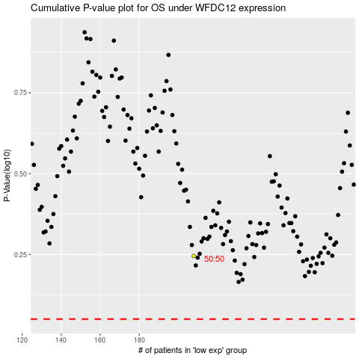

 |  |  |  |  |  | cases_OS | p_OS | rank | exp
 |  |  |  |  |  |  | cases_RFS | p_RFS | rank | exp

