WFDC2 _multivariate
Reported by Tex Li-Hsing Chi. tex@gate.sinica.edu.tw 2019-08-15

Table 2. The clinicopathological features of HNSCC cohort and WFDC2 expression. (Chi square test)
Cutoff at -0.213 (49.8%)
 |  | WFDC2 expression |  | WFDC2 expression |  | (Optimised)
 | Features | Low | (%) | High | (%) | Case no | P-value | Remark | Matthews
Gender | Female | 151 | 36.4 | 155 | 37.3 | 415 | 0.8007 | 0 | 0
2 | Male | 56 | 13.5 | 53 | 12.8
Age at diagnosis | <=65y | 132 | 31.8 | 142 | 34.2 | 415 | 0.3874 | 0 | 0
4 | >65y | 75 | 18.1 | 66 | 15.9
Clinical T Status | T1+T2 | 80 | 19.3 | 69 | 16.6 | 415 | 0.2891 | 0 | 0
6 | T3+T4 | 127 | 30.6 | 139 | 33.5
Clinical N Status | N0 | 117 | 28.2 | 99 | 23.9 | 415 | 0.0852 | 1 | 0
8 | N1-3 | 90 | 21.7 | 109 | 26.3
Clinical M Status | M0 | 205 | 49.4 | 207 | 49.9 | 415 | 0.6232 | 0 | 0
10 | M1 | 2 | 0.5 | 1 | 0.2
Clinical Stage | Stage I+II | 57 | 13.7 | 45 | 10.8 | 415 | 0.1998 | 0 | 0
12 | Stage III+IV | 150 | 36.1 | 163 | 39.3
Surgical Margin status | Negative | 166 | 40 | 152 | 36.6 | 415 | 0.1042 | 0 | 0
14 | Positive | 41 | 9.9 | 56 | 13.5
Tobacco Exposure | Low | 99 | 23.9 | 62 | 14.9 | 415 | 2e-04 | 1 | 0
16 | High | 108 | 26 | 146 | 35.2

Table 3. Univariate/Multivariate Cox's proportional hazards regression analyses on OS time of WFDC2 gene expression in HNSCC

 |  | Univariate |  |  |  | Multivariate
 | Features | HR | CI95%(L) | CI95%(H) | P-value | HR | CI95%(L) | CI95%(H) | P-value
1 | Female | 1 |  |  |  | 1
Gender | Male | 1.157 | 0.843 | 1.587 | 0.367 | 1.198 | 0.858 | 1.674 | 0.289
11 | <=65y | 1 |  |  |  | 1
Age at diagnosis | >65y | 1.329 | 0.99 | 1.784 | 0.058 | 1.401 | 1.03 | 1.905 | 0.032
12 | T1+T2 | 1 |  |  |  | 1
Clinical T Status | T3+T4 | 1.409 | 1.028 | 1.931 | 0.033 | 2.211 | 1.17 | 4.18 | 0.015
13 | N0 | 1 |  |  |  | 1
Clinical N Status | N1-3 | 1.185 | 0.89 | 1.577 | 0.246 | 1.252 | 0.877 | 1.787 | 0.217
14 | M0 | 1 |  |  |  | 1
Clinical M Status | M1 | 4.097 | 1.009 | 16.644 | 0.049 | 9.094 | 1.978 | 41.801 | 0.005
15 | Stage I+II | 1 |  |  |  | 1
Clinical Stage | Stage III+IV | 1.245 | 0.882 | 1.759 | 0.213 | 0.506 | 0.236 | 1.087 | 0.081
16 | Negative | 1 |  |  |  | 1
Surgical Margin status | Positive | 1.591 | 1.155 | 2.191 | 0.004 | 1.688 | 1.221 | 2.335 | 0.002
17 | Low | 1 |  |  |  | 1
Tobacco Exposure | High | 1.364 | 1.008 | 1.844 | 0.044 | 1.482 | 1.07 | 2.051 | 0.018
18 | Low | 1 |  |  |  | 1
RNAseq(z-score) | High | 1.012 | 0.757 | 1.352 | 0.937 | 0.9 | 0.667 | 1.214 | 0.491

Table 4. Univariate/Multivariate Cox's proportional hazards regression analyses on RFS time of WFDC2 gene expression in HNSCC

 |  | Univariate |  |  |  | Multivariate
 | Features | HR | CI95%(L) | CI95%(H) | P-value | HR | CI95%(L) | CI95%(H) | P-value
1 | Female | 1 |  |  |  | 1
Gender | Male | 1.157 | 0.843 | 1.587 | 0.367 | 1.198 | 0.858 | 1.674 | 0.289
11 | <=65y | 1 |  |  |  | 1
Age at diagnosis | >65y | 1.329 | 0.99 | 1.784 | 0.058 | 1.401 | 1.03 | 1.905 | 0.032
12 | T1+T2 | 1 |  |  |  | 1
Clinical T Status | T3+T4 | 1.409 | 1.028 | 1.931 | 0.033 | 2.211 | 1.17 | 4.18 | 0.015
13 | N0 | 1 |  |  |  | 1
Clinical N Status | N1-3 | 1.185 | 0.89 | 1.577 | 0.246 | 1.252 | 0.877 | 1.787 | 0.217
14 | M0 | 1 |  |  |  | 1
Clinical M Status | M1 | 4.097 | 1.009 | 16.644 | 0.049 | 9.094 | 1.978 | 41.801 | 0.005
15 | Stage I+II | 1 |  |  |  | 1
Clinical Stage | Stage III+IV | 1.245 | 0.882 | 1.759 | 0.213 | 0.506 | 0.236 | 1.087 | 0.081
16 | Negative | 1 |  |  |  | 1
Surgical Margin status | Positive | 1.591 | 1.155 | 2.191 | 0.004 | 1.688 | 1.221 | 2.335 | 0.002
17 | Low | 1 |  |  |  | 1
Tobacco Exposure | High | 1.364 | 1.008 | 1.844 | 0.044 | 1.482 | 1.07 | 2.051 | 0.018
18 | Low | 1 |  |  |  | 1
RNAseq(z-score) | High | 1.012 | 0.757 | 1.352 | 0.937 | 0.9 | 0.667 | 1.214 | 0.491

Kaplan-Meier survival estimate: Cutoff at -0.213 (49.8%)



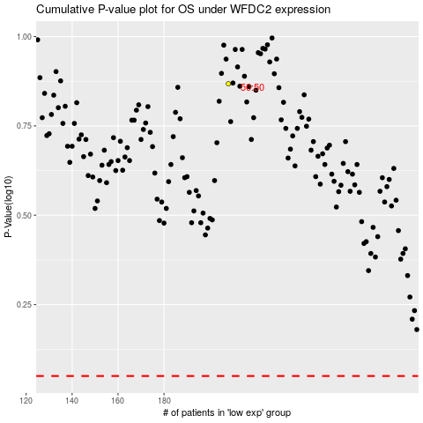

 |  |  |  |  |  | cases_OS | p_OS | rank | exp
 |  |  |  |  |  |  | cases_RFS | p_RFS | rank | exp

