WFDC5 _multivariate
Reported by Tex Li-Hsing Chi. tex@gate.sinica.edu.tw 2019-08-15

Table 2. The clinicopathological features of HNSCC cohort and WFDC5 expression. (Chi square test)
Cutoff at -0.324 (50.0%)
 |  | WFDC5 expression |  | WFDC5 expression |  | (Optimised)
 | Features | Low | (%) | High | (%) | Case no | P-value | Remark | Matthews
Gender | Female | 158 | 38.1 | 148 | 35.7 | 415 | 0.2774 | 0 | 0
2 | Male | 49 | 11.8 | 60 | 14.5
Age at diagnosis | <=65y | 136 | 32.8 | 138 | 33.3 | 415 | 0.9719 | 0 | 0
4 | >65y | 71 | 17.1 | 70 | 16.9
Clinical T Status | T1+T2 | 85 | 20.5 | 64 | 15.4 | 415 | 0.0372 | 1 | 0
6 | T3+T4 | 122 | 29.4 | 144 | 34.7
Clinical N Status | N0 | 108 | 26 | 108 | 26 | 415 | 1 | 0 | 0
8 | N1-3 | 99 | 23.9 | 100 | 24.1
Clinical M Status | M0 | 205 | 49.4 | 207 | 49.9 | 415 | 0.6232 | 0 | 0
10 | M1 | 2 | 0.5 | 1 | 0.2
Clinical Stage | Stage I+II | 57 | 13.7 | 45 | 10.8 | 415 | 0.1998 | 0 | 0
12 | Stage III+IV | 150 | 36.1 | 163 | 39.3
Surgical Margin status | Negative | 154 | 37.1 | 164 | 39.5 | 415 | 0.2984 | 0 | 0
14 | Positive | 53 | 12.8 | 44 | 10.6
Tobacco Exposure | Low | 76 | 18.3 | 85 | 20.5 | 415 | 0.4207 | 0 | 0
16 | High | 131 | 31.6 | 123 | 29.6

Table 3. Univariate/Multivariate Cox's proportional hazards regression analyses on OS time of WFDC5 gene expression in HNSCC

 |  | Univariate |  |  |  | Multivariate
 | Features | HR | CI95%(L) | CI95%(H) | P-value | HR | CI95%(L) | CI95%(H) | P-value
1 | Female | 1 |  |  |  | 1
Gender | Male | 1.157 | 0.843 | 1.587 | 0.367 | 1.238 | 0.884 | 1.733 | 0.215
11 | <=65y | 1 |  |  |  | 1
Age at diagnosis | >65y | 1.329 | 0.99 | 1.784 | 0.058 | 1.404 | 1.032 | 1.909 | 0.031
12 | T1+T2 | 1 |  |  |  | 1
Clinical T Status | T3+T4 | 1.409 | 1.028 | 1.931 | 0.033 | 2.25 | 1.189 | 4.259 | 0.013
13 | N0 | 1 |  |  |  | 1
Clinical N Status | N1-3 | 1.185 | 0.89 | 1.577 | 0.246 | 1.228 | 0.86 | 1.754 | 0.258
14 | M0 | 1 |  |  |  | 1
Clinical M Status | M1 | 4.097 | 1.009 | 16.644 | 0.049 | 9.408 | 2.052 | 43.141 | 0.004
15 | Stage I+II | 1 |  |  |  | 1
Clinical Stage | Stage III+IV | 1.245 | 0.882 | 1.759 | 0.213 | 0.504 | 0.235 | 1.082 | 0.079
16 | Negative | 1 |  |  |  | 1
Surgical Margin status | Positive | 1.591 | 1.155 | 2.191 | 0.004 | 1.645 | 1.19 | 2.274 | 0.003
17 | Low | 1 |  |  |  | 1
Tobacco Exposure | High | 1.364 | 1.008 | 1.844 | 0.044 | 1.445 | 1.048 | 1.991 | 0.025
18 | Low | 1 |  |  |  | 1
RNAseq(z-score) | High | 0.819 | 0.614 | 1.093 | 0.175 | 0.805 | 0.601 | 1.079 | 0.147

Table 4. Univariate/Multivariate Cox's proportional hazards regression analyses on RFS time of WFDC5 gene expression in HNSCC

 |  | Univariate |  |  |  | Multivariate
 | Features | HR | CI95%(L) | CI95%(H) | P-value | HR | CI95%(L) | CI95%(H) | P-value
1 | Female | 1 |  |  |  | 1
Gender | Male | 1.157 | 0.843 | 1.587 | 0.367 | 1.238 | 0.884 | 1.733 | 0.215
11 | <=65y | 1 |  |  |  | 1
Age at diagnosis | >65y | 1.329 | 0.99 | 1.784 | 0.058 | 1.404 | 1.032 | 1.909 | 0.031
12 | T1+T2 | 1 |  |  |  | 1
Clinical T Status | T3+T4 | 1.409 | 1.028 | 1.931 | 0.033 | 2.25 | 1.189 | 4.259 | 0.013
13 | N0 | 1 |  |  |  | 1
Clinical N Status | N1-3 | 1.185 | 0.89 | 1.577 | 0.246 | 1.228 | 0.86 | 1.754 | 0.258
14 | M0 | 1 |  |  |  | 1
Clinical M Status | M1 | 4.097 | 1.009 | 16.644 | 0.049 | 9.408 | 2.052 | 43.141 | 0.004
15 | Stage I+II | 1 |  |  |  | 1
Clinical Stage | Stage III+IV | 1.245 | 0.882 | 1.759 | 0.213 | 0.504 | 0.235 | 1.082 | 0.079
16 | Negative | 1 |  |  |  | 1
Surgical Margin status | Positive | 1.591 | 1.155 | 2.191 | 0.004 | 1.645 | 1.19 | 2.274 | 0.003
17 | Low | 1 |  |  |  | 1
Tobacco Exposure | High | 1.364 | 1.008 | 1.844 | 0.044 | 1.445 | 1.048 | 1.991 | 0.025
18 | Low | 1 |  |  |  | 1
RNAseq(z-score) | High | 0.819 | 0.614 | 1.093 | 0.175 | 0.805 | 0.601 | 1.079 | 0.147

Kaplan-Meier survival estimate: Cutoff at -0.324 (50.0%)



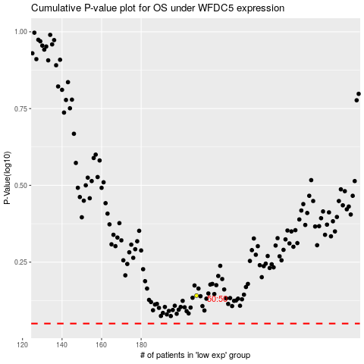

 |  |  |  |  |  | cases_OS | p_OS | rank | exp
 |  |  |  |  |  |  | cases_RFS | p_RFS | rank | exp

