WFIKKN2 _multivariate
Reported by Tex Li-Hsing Chi. tex@gate.sinica.edu.tw 2019-08-15

Table 2. The clinicopathological features of HNSCC cohort and WFIKKN2 expression. (Chi square test)
Cutoff at -0.194 (50.0%)
 |  | WFIKKN2 expression |  | WFIKKN2 expression |  | (Optimised)
 | Features | Low | (%) | High | (%) | Case no | P-value | Remark | Matthews
Gender | Female | 156 | 37.6 | 150 | 36.1 | 415 | 0.5222 | 0 | 0
2 | Male | 51 | 12.3 | 58 | 14
Age at diagnosis | <=65y | 124 | 29.9 | 150 | 36.1 | 415 | 0.0116 | 1 | 0
4 | >65y | 83 | 20 | 58 | 14
Clinical T Status | T1+T2 | 73 | 17.6 | 76 | 18.3 | 415 | 0.8666 | 0 | 0
6 | T3+T4 | 134 | 32.3 | 132 | 31.8
Clinical N Status | N0 | 106 | 25.5 | 110 | 26.5 | 415 | 0.8075 | 0 | 0
8 | N1-3 | 101 | 24.3 | 98 | 23.6
Clinical M Status | M0 | 204 | 49.2 | 208 | 50.1 | 415 | 0.1232 | 0 | 0
10 | M1 | 3 | 0.7 | 0 | 0
Clinical Stage | Stage I+II | 48 | 11.6 | 54 | 13 | 415 | 0.5878 | 0 | 0
12 | Stage III+IV | 159 | 38.3 | 154 | 37.1
Surgical Margin status | Negative | 156 | 37.6 | 162 | 39 | 415 | 0.5636 | 0 | 0
14 | Positive | 51 | 12.3 | 46 | 11.1
Tobacco Exposure | Low | 91 | 21.9 | 70 | 16.9 | 415 | 0.0346 | 1 | 0
16 | High | 116 | 28 | 138 | 33.3

Table 3. Univariate/Multivariate Cox's proportional hazards regression analyses on OS time of WFIKKN2 gene expression in HNSCC

 |  | Univariate |  |  |  | Multivariate
 | Features | HR | CI95%(L) | CI95%(H) | P-value | HR | CI95%(L) | CI95%(H) | P-value
1 | Female | 1 |  |  |  | 1
Gender | Male | 1.157 | 0.843 | 1.587 | 0.367 | 1.207 | 0.864 | 1.686 | 0.269
11 | <=65y | 1 |  |  |  | 1
Age at diagnosis | >65y | 1.329 | 0.99 | 1.784 | 0.058 | 1.367 | 1.004 | 1.86 | 0.047
12 | T1+T2 | 1 |  |  |  | 1
Clinical T Status | T3+T4 | 1.409 | 1.028 | 1.931 | 0.033 | 2.238 | 1.183 | 4.234 | 0.013
13 | N0 | 1 |  |  |  | 1
Clinical N Status | N1-3 | 1.185 | 0.89 | 1.577 | 0.246 | 1.238 | 0.868 | 1.766 | 0.238
14 | M0 | 1 |  |  |  | 1
Clinical M Status | M1 | 4.097 | 1.009 | 16.644 | 0.049 | 8.868 | 1.927 | 40.817 | 0.005
15 | Stage I+II | 1 |  |  |  | 1
Clinical Stage | Stage III+IV | 1.245 | 0.882 | 1.759 | 0.213 | 0.497 | 0.231 | 1.067 | 0.073
16 | Negative | 1 |  |  |  | 1
Surgical Margin status | Positive | 1.591 | 1.155 | 2.191 | 0.004 | 1.677 | 1.213 | 2.317 | 0.002
17 | Low | 1 |  |  |  | 1
Tobacco Exposure | High | 1.364 | 1.008 | 1.844 | 0.044 | 1.491 | 1.078 | 2.062 | 0.016
18 | Low | 1 |  |  |  | 1
RNAseq(z-score) | High | 0.876 | 0.658 | 1.167 | 0.367 | 0.856 | 0.637 | 1.15 | 0.302

Table 4. Univariate/Multivariate Cox's proportional hazards regression analyses on RFS time of WFIKKN2 gene expression in HNSCC

 |  | Univariate |  |  |  | Multivariate
 | Features | HR | CI95%(L) | CI95%(H) | P-value | HR | CI95%(L) | CI95%(H) | P-value
1 | Female | 1 |  |  |  | 1
Gender | Male | 1.157 | 0.843 | 1.587 | 0.367 | 1.207 | 0.864 | 1.686 | 0.269
11 | <=65y | 1 |  |  |  | 1
Age at diagnosis | >65y | 1.329 | 0.99 | 1.784 | 0.058 | 1.367 | 1.004 | 1.86 | 0.047
12 | T1+T2 | 1 |  |  |  | 1
Clinical T Status | T3+T4 | 1.409 | 1.028 | 1.931 | 0.033 | 2.238 | 1.183 | 4.234 | 0.013
13 | N0 | 1 |  |  |  | 1
Clinical N Status | N1-3 | 1.185 | 0.89 | 1.577 | 0.246 | 1.238 | 0.868 | 1.766 | 0.238
14 | M0 | 1 |  |  |  | 1
Clinical M Status | M1 | 4.097 | 1.009 | 16.644 | 0.049 | 8.868 | 1.927 | 40.817 | 0.005
15 | Stage I+II | 1 |  |  |  | 1
Clinical Stage | Stage III+IV | 1.245 | 0.882 | 1.759 | 0.213 | 0.497 | 0.231 | 1.067 | 0.073
16 | Negative | 1 |  |  |  | 1
Surgical Margin status | Positive | 1.591 | 1.155 | 2.191 | 0.004 | 1.677 | 1.213 | 2.317 | 0.002
17 | Low | 1 |  |  |  | 1
Tobacco Exposure | High | 1.364 | 1.008 | 1.844 | 0.044 | 1.491 | 1.078 | 2.062 | 0.016
18 | Low | 1 |  |  |  | 1
RNAseq(z-score) | High | 0.876 | 0.658 | 1.167 | 0.367 | 0.856 | 0.637 | 1.15 | 0.302

Kaplan-Meier survival estimate: Cutoff at -0.194 (50.0%)



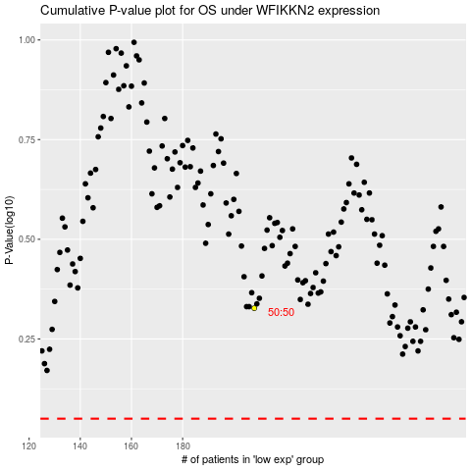

 |  |  |  |  |  | cases_OS | p_OS | rank | exp
 |  |  |  |  |  |  | cases_RFS | p_RFS | rank | exp

