WHAMM _multivariate
Reported by Tex Li-Hsing Chi. tex@gate.sinica.edu.tw 2019-08-15

Table 2. The clinicopathological features of HNSCC cohort and WHAMM expression. (Chi square test)
Cutoff at -0.215 (50.0%)
 |  | WHAMM expression |  | WHAMM expression |  | (Optimised)
 | Features | Low | (%) | High | (%) | Case no | P-value | Remark | Matthews
Gender | Female | 150 | 36.1 | 156 | 37.6 | 415 | 0.6344 | 0 | 0
2 | Male | 57 | 13.7 | 52 | 12.5
Age at diagnosis | <=65y | 137 | 33 | 137 | 33 | 415 | 1 | 0 | 0
4 | >65y | 70 | 16.9 | 71 | 17.1
Clinical T Status | T1+T2 | 69 | 16.6 | 80 | 19.3 | 415 | 0.3239 | 0 | 0
6 | T3+T4 | 138 | 33.3 | 128 | 30.8
Clinical N Status | N0 | 101 | 24.3 | 115 | 27.7 | 415 | 0.2201 | 0 | 0
8 | N1-3 | 106 | 25.5 | 93 | 22.4
Clinical M Status | M0 | 207 | 49.9 | 205 | 49.4 | 415 | 0.2482 | 0 | 0
10 | M1 | 0 | 0 | 3 | 0.7
Clinical Stage | Stage I+II | 51 | 12.3 | 51 | 12.3 | 415 | 1 | 0 | 0
12 | Stage III+IV | 156 | 37.6 | 157 | 37.8
Surgical Margin status | Negative | 162 | 39 | 156 | 37.6 | 415 | 0.4867 | 0 | 0
14 | Positive | 45 | 10.8 | 52 | 12.5
Tobacco Exposure | Low | 73 | 17.6 | 88 | 21.2 | 415 | 0.1587 | 0 | 0
16 | High | 134 | 32.3 | 120 | 28.9

Table 3. Univariate/Multivariate Cox's proportional hazards regression analyses on OS time of WHAMM gene expression in HNSCC

 |  | Univariate |  |  |  | Multivariate
 | Features | HR | CI95%(L) | CI95%(H) | P-value | HR | CI95%(L) | CI95%(H) | P-value
1 | Female | 1 |  |  |  | 1
Gender | Male | 1.157 | 0.843 | 1.587 | 0.367 | 1.194 | 0.854 | 1.669 | 0.299
11 | <=65y | 1 |  |  |  | 1
Age at diagnosis | >65y | 1.329 | 0.99 | 1.784 | 0.058 | 1.399 | 1.029 | 1.903 | 0.032
12 | T1+T2 | 1 |  |  |  | 1
Clinical T Status | T3+T4 | 1.409 | 1.028 | 1.931 | 0.033 | 2.168 | 1.146 | 4.103 | 0.017
13 | N0 | 1 |  |  |  | 1
Clinical N Status | N1-3 | 1.185 | 0.89 | 1.577 | 0.246 | 1.226 | 0.858 | 1.751 | 0.264
14 | M0 | 1 |  |  |  | 1
Clinical M Status | M1 | 4.097 | 1.009 | 16.644 | 0.049 | 9.903 | 2.149 | 45.64 | 0.003
15 | Stage I+II | 1 |  |  |  | 1
Clinical Stage | Stage III+IV | 1.245 | 0.882 | 1.759 | 0.213 | 0.516 | 0.24 | 1.109 | 0.09
16 | Negative | 1 |  |  |  | 1
Surgical Margin status | Positive | 1.591 | 1.155 | 2.191 | 0.004 | 1.685 | 1.219 | 2.33 | 0.002
17 | Low | 1 |  |  |  | 1
Tobacco Exposure | High | 1.364 | 1.008 | 1.844 | 0.044 | 1.439 | 1.044 | 1.984 | 0.026
18 | Low | 1 |  |  |  | 1
RNAseq(z-score) | High | 0.889 | 0.667 | 1.185 | 0.423 | 0.888 | 0.662 | 1.19 | 0.426

Table 4. Univariate/Multivariate Cox's proportional hazards regression analyses on RFS time of WHAMM gene expression in HNSCC

 |  | Univariate |  |  |  | Multivariate
 | Features | HR | CI95%(L) | CI95%(H) | P-value | HR | CI95%(L) | CI95%(H) | P-value
1 | Female | 1 |  |  |  | 1
Gender | Male | 1.157 | 0.843 | 1.587 | 0.367 | 1.194 | 0.854 | 1.669 | 0.299
11 | <=65y | 1 |  |  |  | 1
Age at diagnosis | >65y | 1.329 | 0.99 | 1.784 | 0.058 | 1.399 | 1.029 | 1.903 | 0.032
12 | T1+T2 | 1 |  |  |  | 1
Clinical T Status | T3+T4 | 1.409 | 1.028 | 1.931 | 0.033 | 2.168 | 1.146 | 4.103 | 0.017
13 | N0 | 1 |  |  |  | 1
Clinical N Status | N1-3 | 1.185 | 0.89 | 1.577 | 0.246 | 1.226 | 0.858 | 1.751 | 0.264
14 | M0 | 1 |  |  |  | 1
Clinical M Status | M1 | 4.097 | 1.009 | 16.644 | 0.049 | 9.903 | 2.149 | 45.64 | 0.003
15 | Stage I+II | 1 |  |  |  | 1
Clinical Stage | Stage III+IV | 1.245 | 0.882 | 1.759 | 0.213 | 0.516 | 0.24 | 1.109 | 0.09
16 | Negative | 1 |  |  |  | 1
Surgical Margin status | Positive | 1.591 | 1.155 | 2.191 | 0.004 | 1.685 | 1.219 | 2.33 | 0.002
17 | Low | 1 |  |  |  | 1
Tobacco Exposure | High | 1.364 | 1.008 | 1.844 | 0.044 | 1.439 | 1.044 | 1.984 | 0.026
18 | Low | 1 |  |  |  | 1
RNAseq(z-score) | High | 0.889 | 0.667 | 1.185 | 0.423 | 0.888 | 0.662 | 1.19 | 0.426

Kaplan-Meier survival estimate: Cutoff at -0.215 (50.0%)



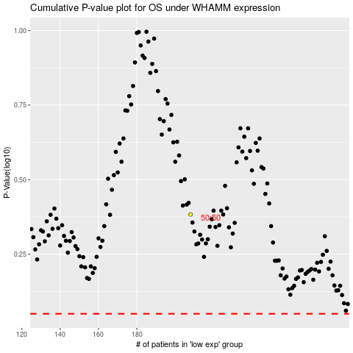

 |  |  |  |  |  | cases_OS | p_OS | rank | exp
 |  |  |  |  |  |  | cases_RFS | p_RFS | rank | exp

