WHSC2 _multivariate
Reported by Tex Li-Hsing Chi. tex@gate.sinica.edu.tw 2019-08-15

Table 2. The clinicopathological features of HNSCC cohort and WHSC2 expression. (Chi square test)
Cutoff at -0.093 (49.8%)
 |  | WHSC2 expression |  | WHSC2 expression |  | (Optimised)
 | Features | Low | (%) | High | (%) | Case no | P-value | Remark | Matthews
Gender | Female | 154 | 37.1 | 152 | 36.6 | 415 | 0.8463 | 0 | 0
2 | Male | 53 | 12.8 | 56 | 13.5
Age at diagnosis | <=65y | 136 | 32.8 | 138 | 33.3 | 415 | 0.9719 | 0 | 0
4 | >65y | 71 | 17.1 | 70 | 16.9
Clinical T Status | T1+T2 | 78 | 18.8 | 71 | 17.1 | 415 | 0.5152 | 0 | 0
6 | T3+T4 | 129 | 31.1 | 137 | 33
Clinical N Status | N0 | 116 | 28 | 100 | 24.1 | 415 | 0.1273 | 1 | 0
8 | N1-3 | 91 | 21.9 | 108 | 26
Clinical M Status | M0 | 207 | 49.9 | 205 | 49.4 | 415 | 0.2482 | 0 | 0
10 | M1 | 0 | 0 | 3 | 0.7
Clinical Stage | Stage I+II | 59 | 14.2 | 43 | 10.4 | 415 | 0.0822 | 0 | 0
12 | Stage III+IV | 148 | 35.7 | 165 | 39.8
Surgical Margin status | Negative | 159 | 38.3 | 159 | 38.3 | 415 | 1 | 0 | 0
14 | Positive | 48 | 11.6 | 49 | 11.8
Tobacco Exposure | Low | 75 | 18.1 | 86 | 20.7 | 415 | 0.3141 | 0 | 0
16 | High | 132 | 31.8 | 122 | 29.4

Table 3. Univariate/Multivariate Cox's proportional hazards regression analyses on OS time of WHSC2 gene expression in HNSCC

 |  | Univariate |  |  |  | Multivariate
 | Features | HR | CI95%(L) | CI95%(H) | P-value | HR | CI95%(L) | CI95%(H) | P-value
1 | Female | 1 |  |  |  | 1
Gender | Male | 1.157 | 0.843 | 1.587 | 0.367 | 1.198 | 0.857 | 1.674 | 0.291
11 | <=65y | 1 |  |  |  | 1
Age at diagnosis | >65y | 1.329 | 0.99 | 1.784 | 0.058 | 1.39 | 1.023 | 1.89 | 0.035
12 | T1+T2 | 1 |  |  |  | 1
Clinical T Status | T3+T4 | 1.409 | 1.028 | 1.931 | 0.033 | 2.196 | 1.161 | 4.152 | 0.016
13 | N0 | 1 |  |  |  | 1
Clinical N Status | N1-3 | 1.185 | 0.89 | 1.577 | 0.246 | 1.242 | 0.87 | 1.772 | 0.232
14 | M0 | 1 |  |  |  | 1
Clinical M Status | M1 | 4.097 | 1.009 | 16.644 | 0.049 | 9.623 | 2.09 | 44.307 | 0.004
15 | Stage I+II | 1 |  |  |  | 1
Clinical Stage | Stage III+IV | 1.245 | 0.882 | 1.759 | 0.213 | 0.51 | 0.237 | 1.096 | 0.084
16 | Negative | 1 |  |  |  | 1
Surgical Margin status | Positive | 1.591 | 1.155 | 2.191 | 0.004 | 1.665 | 1.204 | 2.301 | 0.002
17 | Low | 1 |  |  |  | 1
Tobacco Exposure | High | 1.364 | 1.008 | 1.844 | 0.044 | 1.446 | 1.049 | 1.994 | 0.024
18 | Low | 1 |  |  |  | 1
RNAseq(z-score) | High | 0.925 | 0.694 | 1.232 | 0.592 | 0.944 | 0.705 | 1.264 | 0.698

Table 4. Univariate/Multivariate Cox's proportional hazards regression analyses on RFS time of WHSC2 gene expression in HNSCC

 |  | Univariate |  |  |  | Multivariate
 | Features | HR | CI95%(L) | CI95%(H) | P-value | HR | CI95%(L) | CI95%(H) | P-value
1 | Female | 1 |  |  |  | 1
Gender | Male | 1.157 | 0.843 | 1.587 | 0.367 | 1.198 | 0.857 | 1.674 | 0.291
11 | <=65y | 1 |  |  |  | 1
Age at diagnosis | >65y | 1.329 | 0.99 | 1.784 | 0.058 | 1.39 | 1.023 | 1.89 | 0.035
12 | T1+T2 | 1 |  |  |  | 1
Clinical T Status | T3+T4 | 1.409 | 1.028 | 1.931 | 0.033 | 2.196 | 1.161 | 4.152 | 0.016
13 | N0 | 1 |  |  |  | 1
Clinical N Status | N1-3 | 1.185 | 0.89 | 1.577 | 0.246 | 1.242 | 0.87 | 1.772 | 0.232
14 | M0 | 1 |  |  |  | 1
Clinical M Status | M1 | 4.097 | 1.009 | 16.644 | 0.049 | 9.623 | 2.09 | 44.307 | 0.004
15 | Stage I+II | 1 |  |  |  | 1
Clinical Stage | Stage III+IV | 1.245 | 0.882 | 1.759 | 0.213 | 0.51 | 0.237 | 1.096 | 0.084
16 | Negative | 1 |  |  |  | 1
Surgical Margin status | Positive | 1.591 | 1.155 | 2.191 | 0.004 | 1.665 | 1.204 | 2.301 | 0.002
17 | Low | 1 |  |  |  | 1
Tobacco Exposure | High | 1.364 | 1.008 | 1.844 | 0.044 | 1.446 | 1.049 | 1.994 | 0.024
18 | Low | 1 |  |  |  | 1
RNAseq(z-score) | High | 0.925 | 0.694 | 1.232 | 0.592 | 0.944 | 0.705 | 1.264 | 0.698

Kaplan-Meier survival estimate: Cutoff at -0.093 (49.8%)



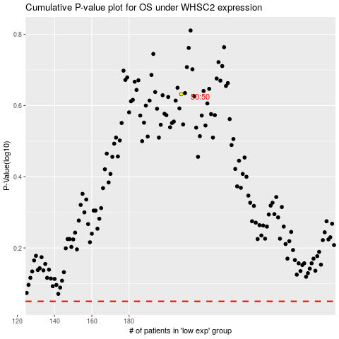

 |  |  |  |  |  | cases_OS | p_OS | rank | exp
 |  |  |  |  |  |  | cases_RFS | p_RFS | rank | exp

