WIPF3 _multivariate
Reported by Tex Li-Hsing Chi. tex@gate.sinica.edu.tw 2019-08-14

Table 2. The clinicopathological features of HNSCC cohort and WIPF3 expression. (Chi square test)
Cutoff at -0.266 (50.0%)
 |  | WIPF3 expression |  | WIPF3 expression |  | (Optimised)
 | Features | Low | (%) | High | (%) | Case no | P-value | Remark | Matthews
Gender | Female | 153 | 36.9 | 153 | 36.9 | 415 | 1 | 0 | 0
2 | Male | 54 | 13 | 55 | 13.3
Age at diagnosis | <=65y | 133 | 32 | 141 | 34 | 415 | 0.5111 | 0 | 0
4 | >65y | 74 | 17.8 | 67 | 16.1
Clinical T Status | T1+T2 | 61 | 14.7 | 88 | 21.2 | 415 | 0.0087 | 1 | 0
6 | T3+T4 | 146 | 35.2 | 120 | 28.9
Clinical N Status | N0 | 105 | 25.3 | 111 | 26.7 | 415 | 0.6598 | 0 | 0
8 | N1-3 | 102 | 24.6 | 97 | 23.4
Clinical M Status | M0 | 205 | 49.4 | 207 | 49.9 | 415 | 0.6232 | 0 | 0
10 | M1 | 2 | 0.5 | 1 | 0.2
Clinical Stage | Stage I+II | 40 | 9.6 | 62 | 14.9 | 415 | 0.018 | 1 | 0
12 | Stage III+IV | 167 | 40.2 | 146 | 35.2
Surgical Margin status | Negative | 162 | 39 | 156 | 37.6 | 415 | 0.4867 | 0 | 0
14 | Positive | 45 | 10.8 | 52 | 12.5
Tobacco Exposure | Low | 93 | 22.4 | 68 | 16.4 | 415 | 0.0118 | 1 | 0
16 | High | 114 | 27.5 | 140 | 33.7

Table 3. Univariate/Multivariate Cox's proportional hazards regression analyses on OS time of WIPF3 gene expression in HNSCC

 |  | Univariate |  |  |  | Multivariate
 | Features | HR | CI95%(L) | CI95%(H) | P-value | HR | CI95%(L) | CI95%(H) | P-value
1 | Female | 1 |  |  |  | 1
Gender | Male | 1.157 | 0.843 | 1.587 | 0.367 | 1.214 | 0.868 | 1.698 | 0.257
11 | <=65y | 1 |  |  |  | 1
Age at diagnosis | >65y | 1.329 | 0.99 | 1.784 | 0.058 | 1.4 | 1.029 | 1.904 | 0.032
12 | T1+T2 | 1 |  |  |  | 1
Clinical T Status | T3+T4 | 1.409 | 1.028 | 1.931 | 0.033 | 2.246 | 1.187 | 4.25 | 0.013
13 | N0 | 1 |  |  |  | 1
Clinical N Status | N1-3 | 1.185 | 0.89 | 1.577 | 0.246 | 1.245 | 0.872 | 1.778 | 0.228
14 | M0 | 1 |  |  |  | 1
Clinical M Status | M1 | 4.097 | 1.009 | 16.644 | 0.049 | 9.815 | 2.138 | 45.066 | 0.003
15 | Stage I+II | 1 |  |  |  | 1
Clinical Stage | Stage III+IV | 1.245 | 0.882 | 1.759 | 0.213 | 0.503 | 0.234 | 1.079 | 0.077
16 | Negative | 1 |  |  |  | 1
Surgical Margin status | Positive | 1.591 | 1.155 | 2.191 | 0.004 | 1.655 | 1.197 | 2.288 | 0.002
17 | Low | 1 |  |  |  | 1
Tobacco Exposure | High | 1.364 | 1.008 | 1.844 | 0.044 | 1.436 | 1.042 | 1.98 | 0.027
18 | Low | 1 |  |  |  | 1
RNAseq(z-score) | High | 1.218 | 0.911 | 1.627 | 0.183 | 1.233 | 0.921 | 1.651 | 0.16

Table 4. Univariate/Multivariate Cox's proportional hazards regression analyses on RFS time of WIPF3 gene expression in HNSCC

 |  | Univariate |  |  |  | Multivariate
 | Features | HR | CI95%(L) | CI95%(H) | P-value | HR | CI95%(L) | CI95%(H) | P-value
1 | Female | 1 |  |  |  | 1
Gender | Male | 1.157 | 0.843 | 1.587 | 0.367 | 1.214 | 0.868 | 1.698 | 0.257
11 | <=65y | 1 |  |  |  | 1
Age at diagnosis | >65y | 1.329 | 0.99 | 1.784 | 0.058 | 1.4 | 1.029 | 1.904 | 0.032
12 | T1+T2 | 1 |  |  |  | 1
Clinical T Status | T3+T4 | 1.409 | 1.028 | 1.931 | 0.033 | 2.246 | 1.187 | 4.25 | 0.013
13 | N0 | 1 |  |  |  | 1
Clinical N Status | N1-3 | 1.185 | 0.89 | 1.577 | 0.246 | 1.245 | 0.872 | 1.778 | 0.228
14 | M0 | 1 |  |  |  | 1
Clinical M Status | M1 | 4.097 | 1.009 | 16.644 | 0.049 | 9.815 | 2.138 | 45.066 | 0.003
15 | Stage I+II | 1 |  |  |  | 1
Clinical Stage | Stage III+IV | 1.245 | 0.882 | 1.759 | 0.213 | 0.503 | 0.234 | 1.079 | 0.077
16 | Negative | 1 |  |  |  | 1
Surgical Margin status | Positive | 1.591 | 1.155 | 2.191 | 0.004 | 1.655 | 1.197 | 2.288 | 0.002
17 | Low | 1 |  |  |  | 1
Tobacco Exposure | High | 1.364 | 1.008 | 1.844 | 0.044 | 1.436 | 1.042 | 1.98 | 0.027
18 | Low | 1 |  |  |  | 1
RNAseq(z-score) | High | 1.218 | 0.911 | 1.627 | 0.183 | 1.233 | 0.921 | 1.651 | 0.16

Kaplan-Meier survival estimate: Cutoff at -0.266 (50.0%)



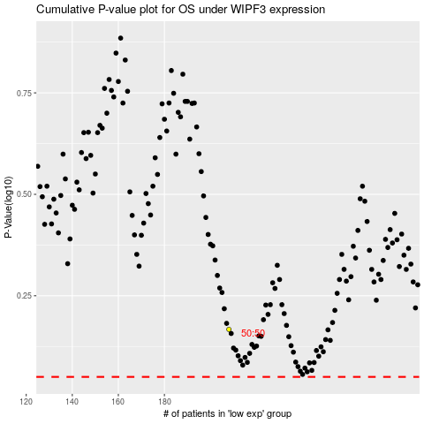

 |  |  |  |  |  | cases_OS | p_OS | rank | exp
 |  |  |  |  |  |  | cases_RFS | p_RFS | rank | exp

