WIPI1 _multivariate
Reported by Tex Li-Hsing Chi. tex@gate.sinica.edu.tw 2019-08-14

Table 2. The clinicopathological features of HNSCC cohort and WIPI1 expression. (Chi square test)
Cutoff at -0.163 (50.0%)
 |  | WIPI1 expression |  | WIPI1 expression |  | (Optimised)
 | Features | Low | (%) | High | (%) | Case no | P-value | Remark | Matthews
Gender | Female | 147 | 35.4 | 159 | 38.3 | 415 | 0.2523 | 0 | 0
2 | Male | 60 | 14.5 | 49 | 11.8
Age at diagnosis | <=65y | 143 | 34.5 | 131 | 31.6 | 415 | 0.2269 | 0 | 0
4 | >65y | 64 | 15.4 | 77 | 18.6
Clinical T Status | T1+T2 | 73 | 17.6 | 76 | 18.3 | 415 | 0.8666 | 0 | 0
6 | T3+T4 | 134 | 32.3 | 132 | 31.8
Clinical N Status | N0 | 91 | 21.9 | 125 | 30.1 | 415 | 0.0014 | 1 | 0
8 | N1-3 | 116 | 28 | 83 | 20
Clinical M Status | M0 | 205 | 49.4 | 207 | 49.9 | 415 | 0.6232 | 0 | 0
10 | M1 | 2 | 0.5 | 1 | 0.2
Clinical Stage | Stage I+II | 45 | 10.8 | 57 | 13.7 | 415 | 0.2202 | 0 | 0
12 | Stage III+IV | 162 | 39 | 151 | 36.4
Surgical Margin status | Negative | 153 | 36.9 | 165 | 39.8 | 415 | 0.2036 | 0 | 0
14 | Positive | 54 | 13 | 43 | 10.4
Tobacco Exposure | Low | 93 | 22.4 | 68 | 16.4 | 415 | 0.0118 | 1 | 0
16 | High | 114 | 27.5 | 140 | 33.7

Table 3. Univariate/Multivariate Cox's proportional hazards regression analyses on OS time of WIPI1 gene expression in HNSCC

 |  | Univariate |  |  |  | Multivariate
 | Features | HR | CI95%(L) | CI95%(H) | P-value | HR | CI95%(L) | CI95%(H) | P-value
1 | Female | 1 |  |  |  | 1
Gender | Male | 1.157 | 0.843 | 1.587 | 0.367 | 1.193 | 0.851 | 1.672 | 0.307
11 | <=65y | 1 |  |  |  | 1
Age at diagnosis | >65y | 1.329 | 0.99 | 1.784 | 0.058 | 1.397 | 1.027 | 1.901 | 0.033
12 | T1+T2 | 1 |  |  |  | 1
Clinical T Status | T3+T4 | 1.409 | 1.028 | 1.931 | 0.033 | 2.214 | 1.17 | 4.189 | 0.015
13 | N0 | 1 |  |  |  | 1
Clinical N Status | N1-3 | 1.185 | 0.89 | 1.577 | 0.246 | 1.227 | 0.855 | 1.763 | 0.267
14 | M0 | 1 |  |  |  | 1
Clinical M Status | M1 | 4.097 | 1.009 | 16.644 | 0.049 | 9.449 | 2.061 | 43.326 | 0.004
15 | Stage I+II | 1 |  |  |  | 1
Clinical Stage | Stage III+IV | 1.245 | 0.882 | 1.759 | 0.213 | 0.504 | 0.235 | 1.081 | 0.078
16 | Negative | 1 |  |  |  | 1
Surgical Margin status | Positive | 1.591 | 1.155 | 2.191 | 0.004 | 1.665 | 1.204 | 2.303 | 0.002
17 | Low | 1 |  |  |  | 1
Tobacco Exposure | High | 1.364 | 1.008 | 1.844 | 0.044 | 1.465 | 1.059 | 2.027 | 0.021
18 | Low | 1 |  |  |  | 1
RNAseq(z-score) | High | 0.969 | 0.727 | 1.292 | 0.831 | 0.954 | 0.703 | 1.294 | 0.76

Table 4. Univariate/Multivariate Cox's proportional hazards regression analyses on RFS time of WIPI1 gene expression in HNSCC

 |  | Univariate |  |  |  | Multivariate
 | Features | HR | CI95%(L) | CI95%(H) | P-value | HR | CI95%(L) | CI95%(H) | P-value
1 | Female | 1 |  |  |  | 1
Gender | Male | 1.157 | 0.843 | 1.587 | 0.367 | 1.193 | 0.851 | 1.672 | 0.307
11 | <=65y | 1 |  |  |  | 1
Age at diagnosis | >65y | 1.329 | 0.99 | 1.784 | 0.058 | 1.397 | 1.027 | 1.901 | 0.033
12 | T1+T2 | 1 |  |  |  | 1
Clinical T Status | T3+T4 | 1.409 | 1.028 | 1.931 | 0.033 | 2.214 | 1.17 | 4.189 | 0.015
13 | N0 | 1 |  |  |  | 1
Clinical N Status | N1-3 | 1.185 | 0.89 | 1.577 | 0.246 | 1.227 | 0.855 | 1.763 | 0.267
14 | M0 | 1 |  |  |  | 1
Clinical M Status | M1 | 4.097 | 1.009 | 16.644 | 0.049 | 9.449 | 2.061 | 43.326 | 0.004
15 | Stage I+II | 1 |  |  |  | 1
Clinical Stage | Stage III+IV | 1.245 | 0.882 | 1.759 | 0.213 | 0.504 | 0.235 | 1.081 | 0.078
16 | Negative | 1 |  |  |  | 1
Surgical Margin status | Positive | 1.591 | 1.155 | 2.191 | 0.004 | 1.665 | 1.204 | 2.303 | 0.002
17 | Low | 1 |  |  |  | 1
Tobacco Exposure | High | 1.364 | 1.008 | 1.844 | 0.044 | 1.465 | 1.059 | 2.027 | 0.021
18 | Low | 1 |  |  |  | 1
RNAseq(z-score) | High | 0.969 | 0.727 | 1.292 | 0.831 | 0.954 | 0.703 | 1.294 | 0.76

Kaplan-Meier survival estimate: Cutoff at -0.163 (50.0%)



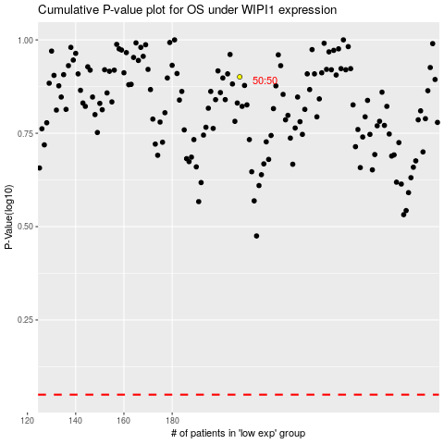

 |  |  |  |  |  | cases_OS | p_OS | rank | exp
 |  |  |  |  |  |  | cases_RFS | p_RFS | rank | exp

