WNK4 _multivariate
Reported by Tex Li-Hsing Chi. tex@gate.sinica.edu.tw 2019-08-14

Table 2. The clinicopathological features of HNSCC cohort and WNK4 expression. (Chi square test)
Cutoff at -0.305 (50.0%)
 |  | WNK4 expression |  | WNK4 expression |  | (Optimised)
 | Features | Low | (%) | High | (%) | Case no | P-value | Remark | Matthews
Gender | Female | 151 | 36.4 | 155 | 37.3 | 415 | 0.8007 | 0 | 0
2 | Male | 56 | 13.5 | 53 | 12.8
Age at diagnosis | <=65y | 141 | 34 | 133 | 32 | 415 | 0.4272 | 0 | 0
4 | >65y | 66 | 15.9 | 75 | 18.1
Clinical T Status | T1+T2 | 80 | 19.3 | 69 | 16.6 | 415 | 0.2891 | 0 | 0
6 | T3+T4 | 127 | 30.6 | 139 | 33.5
Clinical N Status | N0 | 106 | 25.5 | 110 | 26.5 | 415 | 0.8075 | 0 | 0
8 | N1-3 | 101 | 24.3 | 98 | 23.6
Clinical M Status | M0 | 206 | 49.6 | 206 | 49.6 | 415 | 1 | 0 | 0
10 | M1 | 1 | 0.2 | 2 | 0.5
Clinical Stage | Stage I+II | 60 | 14.5 | 42 | 10.1 | 415 | 0.0493 | 1 | 0
12 | Stage III+IV | 147 | 35.4 | 166 | 40
Surgical Margin status | Negative | 157 | 37.8 | 161 | 38.8 | 415 | 0.729 | 0 | 0
14 | Positive | 50 | 12 | 47 | 11.3
Tobacco Exposure | Low | 84 | 20.2 | 77 | 18.6 | 415 | 0.4816 | 0 | 0
16 | High | 123 | 29.6 | 131 | 31.6

Table 3. Univariate/Multivariate Cox's proportional hazards regression analyses on OS time of WNK4 gene expression in HNSCC

 |  | Univariate |  |  |  | Multivariate
 | Features | HR | CI95%(L) | CI95%(H) | P-value | HR | CI95%(L) | CI95%(H) | P-value
1 | Female | 1 |  |  |  | 1
Gender | Male | 1.157 | 0.843 | 1.587 | 0.367 | 1.201 | 0.86 | 1.678 | 0.283
11 | <=65y | 1 |  |  |  | 1
Age at diagnosis | >65y | 1.329 | 0.99 | 1.784 | 0.058 | 1.404 | 1.027 | 1.92 | 0.033
12 | T1+T2 | 1 |  |  |  | 1
Clinical T Status | T3+T4 | 1.409 | 1.028 | 1.931 | 0.033 | 2.187 | 1.155 | 4.142 | 0.016
13 | N0 | 1 |  |  |  | 1
Clinical N Status | N1-3 | 1.185 | 0.89 | 1.577 | 0.246 | 1.236 | 0.866 | 1.765 | 0.243
14 | M0 | 1 |  |  |  | 1
Clinical M Status | M1 | 4.097 | 1.009 | 16.644 | 0.049 | 9.398 | 2.05 | 43.078 | 0.004
15 | Stage I+II | 1 |  |  |  | 1
Clinical Stage | Stage III+IV | 1.245 | 0.882 | 1.759 | 0.213 | 0.512 | 0.237 | 1.104 | 0.088
16 | Negative | 1 |  |  |  | 1
Surgical Margin status | Positive | 1.591 | 1.155 | 2.191 | 0.004 | 1.665 | 1.204 | 2.303 | 0.002
17 | Low | 1 |  |  |  | 1
Tobacco Exposure | High | 1.364 | 1.008 | 1.844 | 0.044 | 1.458 | 1.057 | 2.011 | 0.021
18 | Low | 1 |  |  |  | 1
RNAseq(z-score) | High | 0.978 | 0.734 | 1.302 | 0.877 | 0.955 | 0.711 | 1.284 | 0.762

Table 4. Univariate/Multivariate Cox's proportional hazards regression analyses on RFS time of WNK4 gene expression in HNSCC

 |  | Univariate |  |  |  | Multivariate
 | Features | HR | CI95%(L) | CI95%(H) | P-value | HR | CI95%(L) | CI95%(H) | P-value
1 | Female | 1 |  |  |  | 1
Gender | Male | 1.157 | 0.843 | 1.587 | 0.367 | 1.201 | 0.86 | 1.678 | 0.283
11 | <=65y | 1 |  |  |  | 1
Age at diagnosis | >65y | 1.329 | 0.99 | 1.784 | 0.058 | 1.404 | 1.027 | 1.92 | 0.033
12 | T1+T2 | 1 |  |  |  | 1
Clinical T Status | T3+T4 | 1.409 | 1.028 | 1.931 | 0.033 | 2.187 | 1.155 | 4.142 | 0.016
13 | N0 | 1 |  |  |  | 1
Clinical N Status | N1-3 | 1.185 | 0.89 | 1.577 | 0.246 | 1.236 | 0.866 | 1.765 | 0.243
14 | M0 | 1 |  |  |  | 1
Clinical M Status | M1 | 4.097 | 1.009 | 16.644 | 0.049 | 9.398 | 2.05 | 43.078 | 0.004
15 | Stage I+II | 1 |  |  |  | 1
Clinical Stage | Stage III+IV | 1.245 | 0.882 | 1.759 | 0.213 | 0.512 | 0.237 | 1.104 | 0.088
16 | Negative | 1 |  |  |  | 1
Surgical Margin status | Positive | 1.591 | 1.155 | 2.191 | 0.004 | 1.665 | 1.204 | 2.303 | 0.002
17 | Low | 1 |  |  |  | 1
Tobacco Exposure | High | 1.364 | 1.008 | 1.844 | 0.044 | 1.458 | 1.057 | 2.011 | 0.021
18 | Low | 1 |  |  |  | 1
RNAseq(z-score) | High | 0.978 | 0.734 | 1.302 | 0.877 | 0.955 | 0.711 | 1.284 | 0.762

Kaplan-Meier survival estimate: Cutoff at -0.305 (50.0%)



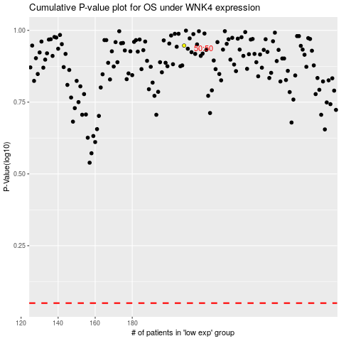

 |  |  |  |  |  | cases_OS | p_OS | rank | exp
 |  |  |  |  |  |  | cases_RFS | p_RFS | rank | exp

