WNT10B _multivariate
Reported by Tex Li-Hsing Chi. tex@gate.sinica.edu.tw 2019-08-14

Table 2. The clinicopathological features of HNSCC cohort and WNT10B expression. (Chi square test)
Cutoff at -0.291 (50.0%)
 |  | WNT10B expression |  | WNT10B expression |  | (Optimised)
 | Features | Low | (%) | High | (%) | Case no | P-value | Remark | Matthews
Gender | Female | 143 | 34.5 | 163 | 39.3 | 415 | 0.0416 | 1 | 0
2 | Male | 64 | 15.4 | 45 | 10.8
Age at diagnosis | <=65y | 129 | 31.1 | 145 | 34.9 | 415 | 0.1372 | 0 | 0
4 | >65y | 78 | 18.8 | 63 | 15.2
Clinical T Status | T1+T2 | 80 | 19.3 | 69 | 16.6 | 415 | 0.2891 | 0 | 0
6 | T3+T4 | 127 | 30.6 | 139 | 33.5
Clinical N Status | N0 | 111 | 26.7 | 105 | 25.3 | 415 | 0.5875 | 0 | 0
8 | N1-3 | 96 | 23.1 | 103 | 24.8
Clinical M Status | M0 | 204 | 49.2 | 208 | 50.1 | 415 | 0.1232 | 0 | 0
10 | M1 | 3 | 0.7 | 0 | 0
Clinical Stage | Stage I+II | 53 | 12.8 | 49 | 11.8 | 415 | 0.7113 | 0 | 0
12 | Stage III+IV | 154 | 37.1 | 159 | 38.3
Surgical Margin status | Negative | 158 | 38.1 | 160 | 38.6 | 415 | 0.9081 | 0 | 0
14 | Positive | 49 | 11.8 | 48 | 11.6
Tobacco Exposure | Low | 99 | 23.9 | 62 | 14.9 | 415 | 2e-04 | 1 | 0
16 | High | 108 | 26 | 146 | 35.2

Table 3. Univariate/Multivariate Cox's proportional hazards regression analyses on OS time of WNT10B gene expression in HNSCC

 |  | Univariate |  |  |  | Multivariate
 | Features | HR | CI95%(L) | CI95%(H) | P-value | HR | CI95%(L) | CI95%(H) | P-value
1 | Female | 1 |  |  |  | 1
Gender | Male | 1.157 | 0.843 | 1.587 | 0.367 | 1.217 | 0.87 | 1.703 | 0.252
11 | <=65y | 1 |  |  |  | 1
Age at diagnosis | >65y | 1.329 | 0.99 | 1.784 | 0.058 | 1.404 | 1.031 | 1.91 | 0.031
12 | T1+T2 | 1 |  |  |  | 1
Clinical T Status | T3+T4 | 1.409 | 1.028 | 1.931 | 0.033 | 2.195 | 1.161 | 4.149 | 0.016
13 | N0 | 1 |  |  |  | 1
Clinical N Status | N1-3 | 1.185 | 0.89 | 1.577 | 0.246 | 1.234 | 0.864 | 1.762 | 0.247
14 | M0 | 1 |  |  |  | 1
Clinical M Status | M1 | 4.097 | 1.009 | 16.644 | 0.049 | 10.04 | 2.169 | 46.482 | 0.003
15 | Stage I+II | 1 |  |  |  | 1
Clinical Stage | Stage III+IV | 1.245 | 0.882 | 1.759 | 0.213 | 0.504 | 0.235 | 1.081 | 0.078
16 | Negative | 1 |  |  |  | 1
Surgical Margin status | Positive | 1.591 | 1.155 | 2.191 | 0.004 | 1.677 | 1.213 | 2.318 | 0.002
17 | Low | 1 |  |  |  | 1
Tobacco Exposure | High | 1.364 | 1.008 | 1.844 | 0.044 | 1.428 | 1.033 | 1.973 | 0.031
18 | Low | 1 |  |  |  | 1
RNAseq(z-score) | High | 1.124 | 0.842 | 1.501 | 0.428 | 1.123 | 0.832 | 1.517 | 0.448

Table 4. Univariate/Multivariate Cox's proportional hazards regression analyses on RFS time of WNT10B gene expression in HNSCC

 |  | Univariate |  |  |  | Multivariate
 | Features | HR | CI95%(L) | CI95%(H) | P-value | HR | CI95%(L) | CI95%(H) | P-value
1 | Female | 1 |  |  |  | 1
Gender | Male | 1.157 | 0.843 | 1.587 | 0.367 | 1.217 | 0.87 | 1.703 | 0.252
11 | <=65y | 1 |  |  |  | 1
Age at diagnosis | >65y | 1.329 | 0.99 | 1.784 | 0.058 | 1.404 | 1.031 | 1.91 | 0.031
12 | T1+T2 | 1 |  |  |  | 1
Clinical T Status | T3+T4 | 1.409 | 1.028 | 1.931 | 0.033 | 2.195 | 1.161 | 4.149 | 0.016
13 | N0 | 1 |  |  |  | 1
Clinical N Status | N1-3 | 1.185 | 0.89 | 1.577 | 0.246 | 1.234 | 0.864 | 1.762 | 0.247
14 | M0 | 1 |  |  |  | 1
Clinical M Status | M1 | 4.097 | 1.009 | 16.644 | 0.049 | 10.04 | 2.169 | 46.482 | 0.003
15 | Stage I+II | 1 |  |  |  | 1
Clinical Stage | Stage III+IV | 1.245 | 0.882 | 1.759 | 0.213 | 0.504 | 0.235 | 1.081 | 0.078
16 | Negative | 1 |  |  |  | 1
Surgical Margin status | Positive | 1.591 | 1.155 | 2.191 | 0.004 | 1.677 | 1.213 | 2.318 | 0.002
17 | Low | 1 |  |  |  | 1
Tobacco Exposure | High | 1.364 | 1.008 | 1.844 | 0.044 | 1.428 | 1.033 | 1.973 | 0.031
18 | Low | 1 |  |  |  | 1
RNAseq(z-score) | High | 1.124 | 0.842 | 1.501 | 0.428 | 1.123 | 0.832 | 1.517 | 0.448

Kaplan-Meier survival estimate: Cutoff at -0.291 (50.0%)



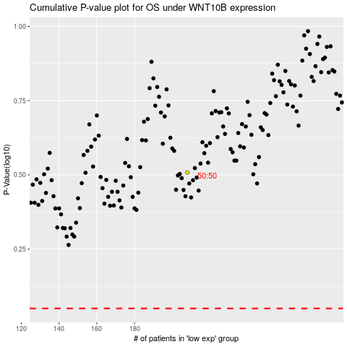

 |  |  |  |  |  | cases_OS | p_OS | rank | exp
 |  |  |  |  |  |  | cases_RFS | p_RFS | rank | exp

