WNT11 _multivariate
Reported by Tex Li-Hsing Chi. tex@gate.sinica.edu.tw 2019-08-14

Table 2. The clinicopathological features of HNSCC cohort and WNT11 expression. (Chi square test)
Cutoff at -0.273 (50.0%)
 |  | WNT11 expression |  | WNT11 expression |  | (Optimised)
 | Features | Low | (%) | High | (%) | Case no | P-value | Remark | Matthews
Gender | Female | 162 | 39 | 144 | 34.7 | 415 | 0.0479 | 1 | 0
2 | Male | 45 | 10.8 | 64 | 15.4
Age at diagnosis | <=65y | 140 | 33.7 | 134 | 32.3 | 415 | 0.5574 | 0 | 0
4 | >65y | 67 | 16.1 | 74 | 17.8
Clinical T Status | T1+T2 | 69 | 16.6 | 80 | 19.3 | 415 | 0.3239 | 0 | 0
6 | T3+T4 | 138 | 33.3 | 128 | 30.8
Clinical N Status | N0 | 98 | 23.6 | 118 | 28.4 | 415 | 0.0694 | 0 | 0
8 | N1-3 | 109 | 26.3 | 90 | 21.7
Clinical M Status | M0 | 204 | 49.2 | 208 | 50.1 | 415 | 0.1232 | 0 | 0
10 | M1 | 3 | 0.7 | 0 | 0
Clinical Stage | Stage I+II | 41 | 9.9 | 61 | 14.7 | 415 | 0.0325 | 1 | 0
12 | Stage III+IV | 166 | 40 | 147 | 35.4
Surgical Margin status | Negative | 157 | 37.8 | 161 | 38.8 | 415 | 0.729 | 0 | 0
14 | Positive | 50 | 12 | 47 | 11.3
Tobacco Exposure | Low | 75 | 18.1 | 86 | 20.7 | 415 | 0.3141 | 0 | 0
16 | High | 132 | 31.8 | 122 | 29.4

Table 3. Univariate/Multivariate Cox's proportional hazards regression analyses on OS time of WNT11 gene expression in HNSCC

 |  | Univariate |  |  |  | Multivariate
 | Features | HR | CI95%(L) | CI95%(H) | P-value | HR | CI95%(L) | CI95%(H) | P-value
1 | Female | 1 |  |  |  | 1
Gender | Male | 1.157 | 0.843 | 1.587 | 0.367 | 1.195 | 0.854 | 1.673 | 0.299
11 | <=65y | 1 |  |  |  | 1
Age at diagnosis | >65y | 1.329 | 0.99 | 1.784 | 0.058 | 1.395 | 1.026 | 1.897 | 0.034
12 | T1+T2 | 1 |  |  |  | 1
Clinical T Status | T3+T4 | 1.409 | 1.028 | 1.931 | 0.033 | 2.189 | 1.156 | 4.145 | 0.016
13 | N0 | 1 |  |  |  | 1
Clinical N Status | N1-3 | 1.185 | 0.89 | 1.577 | 0.246 | 1.238 | 0.868 | 1.767 | 0.239
14 | M0 | 1 |  |  |  | 1
Clinical M Status | M1 | 4.097 | 1.009 | 16.644 | 0.049 | 9.54 | 2.074 | 43.868 | 0.004
15 | Stage I+II | 1 |  |  |  | 1
Clinical Stage | Stage III+IV | 1.245 | 0.882 | 1.759 | 0.213 | 0.51 | 0.237 | 1.1 | 0.086
16 | Negative | 1 |  |  |  | 1
Surgical Margin status | Positive | 1.591 | 1.155 | 2.191 | 0.004 | 1.665 | 1.204 | 2.303 | 0.002
17 | Low | 1 |  |  |  | 1
Tobacco Exposure | High | 1.364 | 1.008 | 1.844 | 0.044 | 1.452 | 1.054 | 2 | 0.023
18 | Low | 1 |  |  |  | 1
RNAseq(z-score) | High | 1.066 | 0.8 | 1.421 | 0.662 | 1.043 | 0.777 | 1.4 | 0.78

Table 4. Univariate/Multivariate Cox's proportional hazards regression analyses on RFS time of WNT11 gene expression in HNSCC

 |  | Univariate |  |  |  | Multivariate
 | Features | HR | CI95%(L) | CI95%(H) | P-value | HR | CI95%(L) | CI95%(H) | P-value
1 | Female | 1 |  |  |  | 1
Gender | Male | 1.157 | 0.843 | 1.587 | 0.367 | 1.195 | 0.854 | 1.673 | 0.299
11 | <=65y | 1 |  |  |  | 1
Age at diagnosis | >65y | 1.329 | 0.99 | 1.784 | 0.058 | 1.395 | 1.026 | 1.897 | 0.034
12 | T1+T2 | 1 |  |  |  | 1
Clinical T Status | T3+T4 | 1.409 | 1.028 | 1.931 | 0.033 | 2.189 | 1.156 | 4.145 | 0.016
13 | N0 | 1 |  |  |  | 1
Clinical N Status | N1-3 | 1.185 | 0.89 | 1.577 | 0.246 | 1.238 | 0.868 | 1.767 | 0.239
14 | M0 | 1 |  |  |  | 1
Clinical M Status | M1 | 4.097 | 1.009 | 16.644 | 0.049 | 9.54 | 2.074 | 43.868 | 0.004
15 | Stage I+II | 1 |  |  |  | 1
Clinical Stage | Stage III+IV | 1.245 | 0.882 | 1.759 | 0.213 | 0.51 | 0.237 | 1.1 | 0.086
16 | Negative | 1 |  |  |  | 1
Surgical Margin status | Positive | 1.591 | 1.155 | 2.191 | 0.004 | 1.665 | 1.204 | 2.303 | 0.002
17 | Low | 1 |  |  |  | 1
Tobacco Exposure | High | 1.364 | 1.008 | 1.844 | 0.044 | 1.452 | 1.054 | 2 | 0.023
18 | Low | 1 |  |  |  | 1
RNAseq(z-score) | High | 1.066 | 0.8 | 1.421 | 0.662 | 1.043 | 0.777 | 1.4 | 0.78

Kaplan-Meier survival estimate: Cutoff at -0.273 (50.0%)



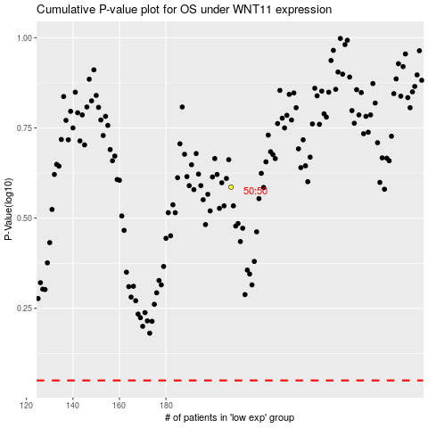

 |  |  |  |  |  | cases_OS | p_OS | rank | exp
 |  |  |  |  |  |  | cases_RFS | p_RFS | rank | exp

