WNT16 _multivariate
Reported by Tex Li-Hsing Chi. tex@gate.sinica.edu.tw 2019-08-14

Table 2. The clinicopathological features of HNSCC cohort and WNT16 expression. (Chi square test)
Cutoff at -0.283 (32.6%)
 |  | WNT16 expression |  | WNT16 expression |  | (Optimised)
 | Features | Low | (%) | High | (%) | Case no | P-value | Remark | Matthews
Gender | Female | 98 | 23.6 | 208 | 50.1 | 415 | 0.804 | 0 | 0
2 | Male | 37 | 8.9 | 72 | 17.3
Age at diagnosis | <=65y | 88 | 21.2 | 186 | 44.8 | 415 | 0.8887 | 0 | 0
4 | >65y | 47 | 11.3 | 94 | 22.7
Clinical T Status | T1+T2 | 43 | 10.4 | 106 | 25.5 | 415 | 0.2777 | 0 | 0
6 | T3+T4 | 92 | 22.2 | 174 | 41.9
Clinical N Status | N0 | 67 | 16.1 | 149 | 35.9 | 415 | 0.562 | 0 | 0
8 | N1-3 | 68 | 16.4 | 131 | 31.6
Clinical M Status | M0 | 134 | 32.3 | 278 | 67 | 415 | 1 | 0 | 0
10 | M1 | 1 | 0.2 | 2 | 0.5
Clinical Stage | Stage I+II | 27 | 6.5 | 75 | 18.1 | 415 | 0.1668 | 0 | 0
12 | Stage III+IV | 108 | 26 | 205 | 49.4
Surgical Margin status | Negative | 97 | 23.4 | 221 | 53.3 | 415 | 0.137 | 0 | 0
14 | Positive | 38 | 9.2 | 59 | 14.2
Tobacco Exposure | Low | 55 | 13.3 | 106 | 25.5 | 415 | 0.5919 | 0 | 0
16 | High | 80 | 19.3 | 174 | 41.9

Table 3. Univariate/Multivariate Cox's proportional hazards regression analyses on OS time of WNT16 gene expression in HNSCC

 |  | Univariate |  |  |  | Multivariate
 | Features | HR | CI95%(L) | CI95%(H) | P-value | HR | CI95%(L) | CI95%(H) | P-value
1 | Female | 1 |  |  |  | 1
Gender | Male | 1.157 | 0.843 | 1.587 | 0.367 | 1.216 | 0.87 | 1.701 | 0.252
11 | <=65y | 1 |  |  |  | 1
Age at diagnosis | >65y | 1.329 | 0.99 | 1.784 | 0.058 | 1.397 | 1.028 | 1.899 | 0.033
12 | T1+T2 | 1 |  |  |  | 1
Clinical T Status | T3+T4 | 1.409 | 1.028 | 1.931 | 0.033 | 2.176 | 1.151 | 4.111 | 0.017
13 | N0 | 1 |  |  |  | 1
Clinical N Status | N1-3 | 1.185 | 0.89 | 1.577 | 0.246 | 1.24 | 0.869 | 1.77 | 0.235
14 | M0 | 1 |  |  |  | 1
Clinical M Status | M1 | 4.097 | 1.009 | 16.644 | 0.049 | 9.197 | 2.005 | 42.19 | 0.004
15 | Stage I+II | 1 |  |  |  | 1
Clinical Stage | Stage III+IV | 1.245 | 0.882 | 1.759 | 0.213 | 0.499 | 0.233 | 1.071 | 0.074
16 | Negative | 1 |  |  |  | 1
Surgical Margin status | Positive | 1.591 | 1.155 | 2.191 | 0.004 | 1.608 | 1.161 | 2.228 | 0.004
17 | Low | 1 |  |  |  | 1
Tobacco Exposure | High | 1.364 | 1.008 | 1.844 | 0.044 | 1.51 | 1.091 | 2.089 | 0.013
18 | Low | 1 |  |  |  | 1
RNAseq(z-score) | High | 0.734 | 0.542 | 0.992 | 0.044 | 0.749 | 0.55 | 1.02 | 0.067

Table 4. Univariate/Multivariate Cox's proportional hazards regression analyses on RFS time of WNT16 gene expression in HNSCC

 |  | Univariate |  |  |  | Multivariate
 | Features | HR | CI95%(L) | CI95%(H) | P-value | HR | CI95%(L) | CI95%(H) | P-value
1 | Female | 1 |  |  |  | 1
Gender | Male | 1.157 | 0.843 | 1.587 | 0.367 | 1.216 | 0.87 | 1.701 | 0.252
11 | <=65y | 1 |  |  |  | 1
Age at diagnosis | >65y | 1.329 | 0.99 | 1.784 | 0.058 | 1.397 | 1.028 | 1.899 | 0.033
12 | T1+T2 | 1 |  |  |  | 1
Clinical T Status | T3+T4 | 1.409 | 1.028 | 1.931 | 0.033 | 2.176 | 1.151 | 4.111 | 0.017
13 | N0 | 1 |  |  |  | 1
Clinical N Status | N1-3 | 1.185 | 0.89 | 1.577 | 0.246 | 1.24 | 0.869 | 1.77 | 0.235
14 | M0 | 1 |  |  |  | 1
Clinical M Status | M1 | 4.097 | 1.009 | 16.644 | 0.049 | 9.197 | 2.005 | 42.19 | 0.004
15 | Stage I+II | 1 |  |  |  | 1
Clinical Stage | Stage III+IV | 1.245 | 0.882 | 1.759 | 0.213 | 0.499 | 0.233 | 1.071 | 0.074
16 | Negative | 1 |  |  |  | 1
Surgical Margin status | Positive | 1.591 | 1.155 | 2.191 | 0.004 | 1.608 | 1.161 | 2.228 | 0.004
17 | Low | 1 |  |  |  | 1
Tobacco Exposure | High | 1.364 | 1.008 | 1.844 | 0.044 | 1.51 | 1.091 | 2.089 | 0.013
18 | Low | 1 |  |  |  | 1
RNAseq(z-score) | High | 0.734 | 0.542 | 0.992 | 0.044 | 0.749 | 0.55 | 1.02 | 0.067

Kaplan-Meier survival estimate: Cutoff at -0.283 (32.6%)



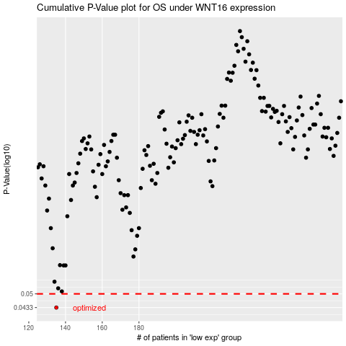

 |  |  |  |  |  | cases_OS | p_OS | rank | exp
 |  |  |  |  |  | 135 | 0.0433 | 158 | -0.28287244198
 |  |  |  |  |  |  | cases_RFS | p_RFS | rank | exp
 |  |  |  |  |  |  | 134 | 0.0433 | 208 | -0.2832985696

