WNT2 _multivariate
Reported by Tex Li-Hsing Chi. tex@gate.sinica.edu.tw 2019-08-14

Table 2. The clinicopathological features of HNSCC cohort and WNT2 expression. (Chi square test)
Cutoff at -0.287 (49.8%)
 |  | WNT2 expression |  | WNT2 expression |  | (Optimised)
 | Features | Low | (%) | High | (%) | Case no | P-value | Remark | Matthews
Gender | Female | 151 | 36.4 | 155 | 37.3 | 415 | 0.8007 | 0 | 0
2 | Male | 56 | 13.5 | 53 | 12.8
Age at diagnosis | <=65y | 144 | 34.7 | 130 | 31.3 | 415 | 0.1568 | 0 | 0
4 | >65y | 63 | 15.2 | 78 | 18.8
Clinical T Status | T1+T2 | 79 | 19 | 70 | 16.9 | 415 | 0.3924 | 0 | 0
6 | T3+T4 | 128 | 30.8 | 138 | 33.3
Clinical N Status | N0 | 105 | 25.3 | 111 | 26.7 | 415 | 0.6598 | 0 | 0
8 | N1-3 | 102 | 24.6 | 97 | 23.4
Clinical M Status | M0 | 205 | 49.4 | 207 | 49.9 | 415 | 0.6232 | 0 | 0
10 | M1 | 2 | 0.5 | 1 | 0.2
Clinical Stage | Stage I+II | 51 | 12.3 | 51 | 12.3 | 415 | 1 | 0 | 0
12 | Stage III+IV | 156 | 37.6 | 157 | 37.8
Surgical Margin status | Negative | 157 | 37.8 | 161 | 38.8 | 415 | 0.729 | 0 | 0
14 | Positive | 50 | 12 | 47 | 11.3
Tobacco Exposure | Low | 92 | 22.2 | 69 | 16.6 | 415 | 0.0206 | 1 | 0
16 | High | 115 | 27.7 | 139 | 33.5

Table 3. Univariate/Multivariate Cox's proportional hazards regression analyses on OS time of WNT2 gene expression in HNSCC

 |  | Univariate |  |  |  | Multivariate
 | Features | HR | CI95%(L) | CI95%(H) | P-value | HR | CI95%(L) | CI95%(H) | P-value
1 | Female | 1 |  |  |  | 1
Gender | Male | 1.157 | 0.843 | 1.587 | 0.367 | 1.199 | 0.858 | 1.675 | 0.289
11 | <=65y | 1 |  |  |  | 1
Age at diagnosis | >65y | 1.329 | 0.99 | 1.784 | 0.058 | 1.398 | 1.029 | 1.901 | 0.032
12 | T1+T2 | 1 |  |  |  | 1
Clinical T Status | T3+T4 | 1.409 | 1.028 | 1.931 | 0.033 | 2.241 | 1.183 | 4.246 | 0.013
13 | N0 | 1 |  |  |  | 1
Clinical N Status | N1-3 | 1.185 | 0.89 | 1.577 | 0.246 | 1.245 | 0.873 | 1.776 | 0.226
14 | M0 | 1 |  |  |  | 1
Clinical M Status | M1 | 4.097 | 1.009 | 16.644 | 0.049 | 9.423 | 2.055 | 43.207 | 0.004
15 | Stage I+II | 1 |  |  |  | 1
Clinical Stage | Stage III+IV | 1.245 | 0.882 | 1.759 | 0.213 | 0.496 | 0.231 | 1.066 | 0.073
16 | Negative | 1 |  |  |  | 1
Surgical Margin status | Positive | 1.591 | 1.155 | 2.191 | 0.004 | 1.671 | 1.209 | 2.309 | 0.002
17 | Low | 1 |  |  |  | 1
Tobacco Exposure | High | 1.364 | 1.008 | 1.844 | 0.044 | 1.457 | 1.058 | 2.008 | 0.021
18 | Low | 1 |  |  |  | 1
RNAseq(z-score) | High | 0.935 | 0.7 | 1.248 | 0.648 | 0.891 | 0.667 | 1.191 | 0.436

Table 4. Univariate/Multivariate Cox's proportional hazards regression analyses on RFS time of WNT2 gene expression in HNSCC

 |  | Univariate |  |  |  | Multivariate
 | Features | HR | CI95%(L) | CI95%(H) | P-value | HR | CI95%(L) | CI95%(H) | P-value
1 | Female | 1 |  |  |  | 1
Gender | Male | 1.157 | 0.843 | 1.587 | 0.367 | 1.199 | 0.858 | 1.675 | 0.289
11 | <=65y | 1 |  |  |  | 1
Age at diagnosis | >65y | 1.329 | 0.99 | 1.784 | 0.058 | 1.398 | 1.029 | 1.901 | 0.032
12 | T1+T2 | 1 |  |  |  | 1
Clinical T Status | T3+T4 | 1.409 | 1.028 | 1.931 | 0.033 | 2.241 | 1.183 | 4.246 | 0.013
13 | N0 | 1 |  |  |  | 1
Clinical N Status | N1-3 | 1.185 | 0.89 | 1.577 | 0.246 | 1.245 | 0.873 | 1.776 | 0.226
14 | M0 | 1 |  |  |  | 1
Clinical M Status | M1 | 4.097 | 1.009 | 16.644 | 0.049 | 9.423 | 2.055 | 43.207 | 0.004
15 | Stage I+II | 1 |  |  |  | 1
Clinical Stage | Stage III+IV | 1.245 | 0.882 | 1.759 | 0.213 | 0.496 | 0.231 | 1.066 | 0.073
16 | Negative | 1 |  |  |  | 1
Surgical Margin status | Positive | 1.591 | 1.155 | 2.191 | 0.004 | 1.671 | 1.209 | 2.309 | 0.002
17 | Low | 1 |  |  |  | 1
Tobacco Exposure | High | 1.364 | 1.008 | 1.844 | 0.044 | 1.457 | 1.058 | 2.008 | 0.021
18 | Low | 1 |  |  |  | 1
RNAseq(z-score) | High | 0.935 | 0.7 | 1.248 | 0.648 | 0.891 | 0.667 | 1.191 | 0.436

Kaplan-Meier survival estimate: Cutoff at -0.287 (49.8%)



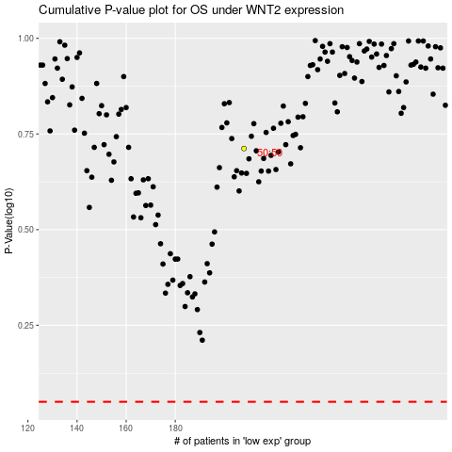

 |  |  |  |  |  | cases_OS | p_OS | rank | exp
 |  |  |  |  |  |  | cases_RFS | p_RFS | rank | exp

