WNT2B _multivariate
Reported by Tex Li-Hsing Chi. tex@gate.sinica.edu.tw 2019-08-14

Table 2. The clinicopathological features of HNSCC cohort and WNT2B expression. (Chi square test)
Cutoff at -0.33 (50.0%)
 |  | WNT2B expression |  | WNT2B expression |  | (Optimised)
 | Features | Low | (%) | High | (%) | Case no | P-value | Remark | Matthews
Gender | Female | 146 | 35.2 | 160 | 38.6 | 415 | 0.1714 | 0 | 0
2 | Male | 61 | 14.7 | 48 | 11.6
Age at diagnosis | <=65y | 130 | 31.3 | 144 | 34.7 | 415 | 0.2009 | 0 | 0
4 | >65y | 77 | 18.6 | 64 | 15.4
Clinical T Status | T1+T2 | 82 | 19.8 | 67 | 16.1 | 415 | 0.1417 | 0 | 0
6 | T3+T4 | 125 | 30.1 | 141 | 34
Clinical N Status | N0 | 102 | 24.6 | 114 | 27.5 | 415 | 0.3031 | 0 | 0
8 | N1-3 | 105 | 25.3 | 94 | 22.7
Clinical M Status | M0 | 205 | 49.4 | 207 | 49.9 | 415 | 0.6232 | 0 | 0
10 | M1 | 2 | 0.5 | 1 | 0.2
Clinical Stage | Stage I+II | 54 | 13 | 48 | 11.6 | 415 | 0.5498 | 0 | 0
12 | Stage III+IV | 153 | 36.9 | 160 | 38.6
Surgical Margin status | Negative | 157 | 37.8 | 161 | 38.8 | 415 | 0.729 | 0 | 0
14 | Positive | 50 | 12 | 47 | 11.3
Tobacco Exposure | Low | 97 | 23.4 | 64 | 15.4 | 415 | 9e-04 | 1 | 0
16 | High | 110 | 26.5 | 144 | 34.7

Table 3. Univariate/Multivariate Cox's proportional hazards regression analyses on OS time of WNT2B gene expression in HNSCC

 |  | Univariate |  |  |  | Multivariate
 | Features | HR | CI95%(L) | CI95%(H) | P-value | HR | CI95%(L) | CI95%(H) | P-value
1 | Female | 1 |  |  |  | 1
Gender | Male | 1.157 | 0.843 | 1.587 | 0.367 | 1.2 | 0.859 | 1.678 | 0.286
11 | <=65y | 1 |  |  |  | 1
Age at diagnosis | >65y | 1.329 | 0.99 | 1.784 | 0.058 | 1.374 | 1.01 | 1.87 | 0.043
12 | T1+T2 | 1 |  |  |  | 1
Clinical T Status | T3+T4 | 1.409 | 1.028 | 1.931 | 0.033 | 2.229 | 1.178 | 4.217 | 0.014
13 | N0 | 1 |  |  |  | 1
Clinical N Status | N1-3 | 1.185 | 0.89 | 1.577 | 0.246 | 1.226 | 0.859 | 1.751 | 0.262
14 | M0 | 1 |  |  |  | 1
Clinical M Status | M1 | 4.097 | 1.009 | 16.644 | 0.049 | 9.351 | 2.04 | 42.866 | 0.004
15 | Stage I+II | 1 |  |  |  | 1
Clinical Stage | Stage III+IV | 1.245 | 0.882 | 1.759 | 0.213 | 0.511 | 0.238 | 1.098 | 0.086
16 | Negative | 1 |  |  |  | 1
Surgical Margin status | Positive | 1.591 | 1.155 | 2.191 | 0.004 | 1.656 | 1.198 | 2.289 | 0.002
17 | Low | 1 |  |  |  | 1
Tobacco Exposure | High | 1.364 | 1.008 | 1.844 | 0.044 | 1.508 | 1.082 | 2.103 | 0.015
18 | Low | 1 |  |  |  | 1
RNAseq(z-score) | High | 0.928 | 0.696 | 1.236 | 0.608 | 0.874 | 0.643 | 1.186 | 0.386

Table 4. Univariate/Multivariate Cox's proportional hazards regression analyses on RFS time of WNT2B gene expression in HNSCC

 |  | Univariate |  |  |  | Multivariate
 | Features | HR | CI95%(L) | CI95%(H) | P-value | HR | CI95%(L) | CI95%(H) | P-value
1 | Female | 1 |  |  |  | 1
Gender | Male | 1.157 | 0.843 | 1.587 | 0.367 | 1.2 | 0.859 | 1.678 | 0.286
11 | <=65y | 1 |  |  |  | 1
Age at diagnosis | >65y | 1.329 | 0.99 | 1.784 | 0.058 | 1.374 | 1.01 | 1.87 | 0.043
12 | T1+T2 | 1 |  |  |  | 1
Clinical T Status | T3+T4 | 1.409 | 1.028 | 1.931 | 0.033 | 2.229 | 1.178 | 4.217 | 0.014
13 | N0 | 1 |  |  |  | 1
Clinical N Status | N1-3 | 1.185 | 0.89 | 1.577 | 0.246 | 1.226 | 0.859 | 1.751 | 0.262
14 | M0 | 1 |  |  |  | 1
Clinical M Status | M1 | 4.097 | 1.009 | 16.644 | 0.049 | 9.351 | 2.04 | 42.866 | 0.004
15 | Stage I+II | 1 |  |  |  | 1
Clinical Stage | Stage III+IV | 1.245 | 0.882 | 1.759 | 0.213 | 0.511 | 0.238 | 1.098 | 0.086
16 | Negative | 1 |  |  |  | 1
Surgical Margin status | Positive | 1.591 | 1.155 | 2.191 | 0.004 | 1.656 | 1.198 | 2.289 | 0.002
17 | Low | 1 |  |  |  | 1
Tobacco Exposure | High | 1.364 | 1.008 | 1.844 | 0.044 | 1.508 | 1.082 | 2.103 | 0.015
18 | Low | 1 |  |  |  | 1
RNAseq(z-score) | High | 0.928 | 0.696 | 1.236 | 0.608 | 0.874 | 0.643 | 1.186 | 0.386

Kaplan-Meier survival estimate: Cutoff at -0.33 (50.0%)

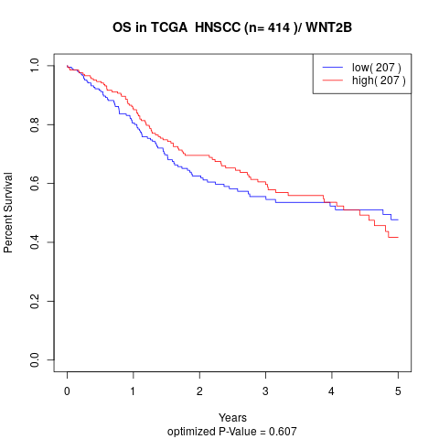

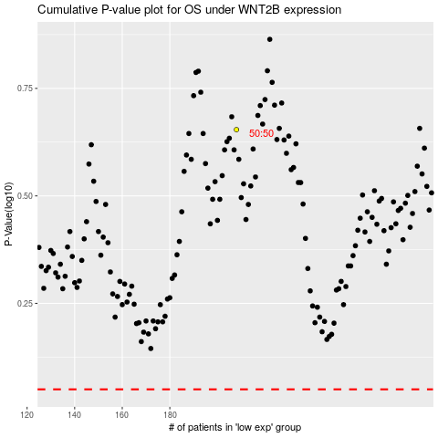

 |  |  |  |  |  | cases_OS | p_OS | rank | exp
 |  |  |  |  |  |  | cases_RFS | p_RFS | rank | exp

