WNT3 _multivariate
Reported by Tex Li-Hsing Chi. tex@gate.sinica.edu.tw 2019-08-14

Table 2. The clinicopathological features of HNSCC cohort and WNT3 expression. (Chi square test)
Cutoff at -0.219 (50.0%)
 |  | WNT3 expression |  | WNT3 expression |  | (Optimised)
 | Features | Low | (%) | High | (%) | Case no | P-value | Remark | Matthews
Gender | Female | 153 | 36.9 | 153 | 36.9 | 415 | 1 | 0 | 0
2 | Male | 54 | 13 | 55 | 13.3
Age at diagnosis | <=65y | 136 | 32.8 | 138 | 33.3 | 415 | 0.9719 | 0 | 0
4 | >65y | 71 | 17.1 | 70 | 16.9
Clinical T Status | T1+T2 | 76 | 18.3 | 73 | 17.6 | 415 | 0.8092 | 0 | 0
6 | T3+T4 | 131 | 31.6 | 135 | 32.5
Clinical N Status | N0 | 96 | 23.1 | 120 | 28.9 | 415 | 0.0272 | 1 | 0
8 | N1-3 | 111 | 26.7 | 88 | 21.2
Clinical M Status | M0 | 207 | 49.9 | 205 | 49.4 | 415 | 0.2482 | 0 | 0
10 | M1 | 0 | 0 | 3 | 0.7
Clinical Stage | Stage I+II | 45 | 10.8 | 57 | 13.7 | 415 | 0.2202 | 0 | 0
12 | Stage III+IV | 162 | 39 | 151 | 36.4
Surgical Margin status | Negative | 158 | 38.1 | 160 | 38.6 | 415 | 0.9081 | 0 | 0
14 | Positive | 49 | 11.8 | 48 | 11.6
Tobacco Exposure | Low | 85 | 20.5 | 76 | 18.3 | 415 | 0.3655 | 0 | 0
16 | High | 122 | 29.4 | 132 | 31.8

Table 3. Univariate/Multivariate Cox's proportional hazards regression analyses on OS time of WNT3 gene expression in HNSCC

 |  | Univariate |  |  |  | Multivariate
 | Features | HR | CI95%(L) | CI95%(H) | P-value | HR | CI95%(L) | CI95%(H) | P-value
1 | Female | 1 |  |  |  | 1
Gender | Male | 1.157 | 0.843 | 1.587 | 0.367 | 1.199 | 0.857 | 1.677 | 0.29
11 | <=65y | 1 |  |  |  | 1
Age at diagnosis | >65y | 1.329 | 0.99 | 1.784 | 0.058 | 1.401 | 1.03 | 1.904 | 0.032
12 | T1+T2 | 1 |  |  |  | 1
Clinical T Status | T3+T4 | 1.409 | 1.028 | 1.931 | 0.033 | 2.248 | 1.188 | 4.256 | 0.013
13 | N0 | 1 |  |  |  | 1
Clinical N Status | N1-3 | 1.185 | 0.89 | 1.577 | 0.246 | 1.222 | 0.855 | 1.746 | 0.271
14 | M0 | 1 |  |  |  | 1
Clinical M Status | M1 | 4.097 | 1.009 | 16.644 | 0.049 | 10.383 | 2.232 | 48.302 | 0.003
15 | Stage I+II | 1 |  |  |  | 1
Clinical Stage | Stage III+IV | 1.245 | 0.882 | 1.759 | 0.213 | 0.493 | 0.23 | 1.059 | 0.07
16 | Negative | 1 |  |  |  | 1
Surgical Margin status | Positive | 1.591 | 1.155 | 2.191 | 0.004 | 1.664 | 1.204 | 2.299 | 0.002
17 | Low | 1 |  |  |  | 1
Tobacco Exposure | High | 1.364 | 1.008 | 1.844 | 0.044 | 1.468 | 1.064 | 2.026 | 0.019
18 | Low | 1 |  |  |  | 1
RNAseq(z-score) | High | 0.906 | 0.681 | 1.207 | 0.502 | 0.871 | 0.65 | 1.167 | 0.354

Table 4. Univariate/Multivariate Cox's proportional hazards regression analyses on RFS time of WNT3 gene expression in HNSCC

 |  | Univariate |  |  |  | Multivariate
 | Features | HR | CI95%(L) | CI95%(H) | P-value | HR | CI95%(L) | CI95%(H) | P-value
1 | Female | 1 |  |  |  | 1
Gender | Male | 1.157 | 0.843 | 1.587 | 0.367 | 1.199 | 0.857 | 1.677 | 0.29
11 | <=65y | 1 |  |  |  | 1
Age at diagnosis | >65y | 1.329 | 0.99 | 1.784 | 0.058 | 1.401 | 1.03 | 1.904 | 0.032
12 | T1+T2 | 1 |  |  |  | 1
Clinical T Status | T3+T4 | 1.409 | 1.028 | 1.931 | 0.033 | 2.248 | 1.188 | 4.256 | 0.013
13 | N0 | 1 |  |  |  | 1
Clinical N Status | N1-3 | 1.185 | 0.89 | 1.577 | 0.246 | 1.222 | 0.855 | 1.746 | 0.271
14 | M0 | 1 |  |  |  | 1
Clinical M Status | M1 | 4.097 | 1.009 | 16.644 | 0.049 | 10.383 | 2.232 | 48.302 | 0.003
15 | Stage I+II | 1 |  |  |  | 1
Clinical Stage | Stage III+IV | 1.245 | 0.882 | 1.759 | 0.213 | 0.493 | 0.23 | 1.059 | 0.07
16 | Negative | 1 |  |  |  | 1
Surgical Margin status | Positive | 1.591 | 1.155 | 2.191 | 0.004 | 1.664 | 1.204 | 2.299 | 0.002
17 | Low | 1 |  |  |  | 1
Tobacco Exposure | High | 1.364 | 1.008 | 1.844 | 0.044 | 1.468 | 1.064 | 2.026 | 0.019
18 | Low | 1 |  |  |  | 1
RNAseq(z-score) | High | 0.906 | 0.681 | 1.207 | 0.502 | 0.871 | 0.65 | 1.167 | 0.354

Kaplan-Meier survival estimate: Cutoff at -0.219 (50.0%)



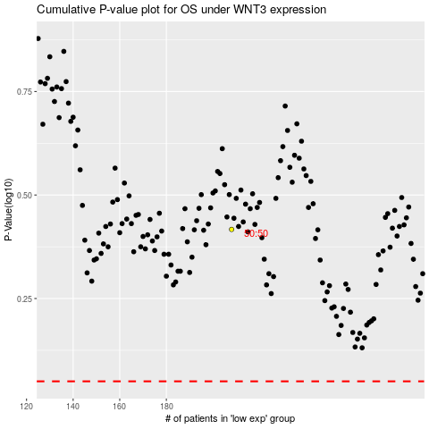

 |  |  |  |  |  | cases_OS | p_OS | rank | exp
 |  |  |  |  |  |  | cases_RFS | p_RFS | rank | exp

