WNT3A _multivariate
Reported by Tex Li-Hsing Chi. tex@gate.sinica.edu.tw 2019-08-14

Table 2. The clinicopathological features of HNSCC cohort and WNT3A expression. (Chi square test)
Cutoff at -0.268 (50.0%)
 |  | WNT3A expression |  | WNT3A expression |  | (Optimised)
 | Features | Low | (%) | High | (%) | Case no | P-value | Remark | Matthews
Gender | Female | 144 | 34.7 | 162 | 39 | 415 | 0.0697 | 0 | 0
2 | Male | 63 | 15.2 | 46 | 11.1
Age at diagnosis | <=65y | 137 | 33 | 137 | 33 | 415 | 1 | 0 | 0
4 | >65y | 70 | 16.9 | 71 | 17.1
Clinical T Status | T1+T2 | 62 | 14.9 | 87 | 21 | 415 | 0.0156 | 1 | 0
6 | T3+T4 | 145 | 34.9 | 121 | 29.2
Clinical N Status | N0 | 105 | 25.3 | 111 | 26.7 | 415 | 0.6598 | 0 | 0
8 | N1-3 | 102 | 24.6 | 97 | 23.4
Clinical M Status | M0 | 206 | 49.6 | 206 | 49.6 | 415 | 1 | 0 | 0
10 | M1 | 1 | 0.2 | 2 | 0.5
Clinical Stage | Stage I+II | 41 | 9.9 | 61 | 14.7 | 415 | 0.0325 | 1 | 0
12 | Stage III+IV | 166 | 40 | 147 | 35.4
Surgical Margin status | Negative | 146 | 35.2 | 172 | 41.4 | 415 | 0.0037 | 1 | 0
14 | Positive | 61 | 14.7 | 36 | 8.7
Tobacco Exposure | Low | 78 | 18.8 | 83 | 20 | 415 | 0.6873 | 0 | 0
16 | High | 129 | 31.1 | 125 | 30.1

Table 3. Univariate/Multivariate Cox's proportional hazards regression analyses on OS time of WNT3A gene expression in HNSCC

 |  | Univariate |  |  |  | Multivariate
 | Features | HR | CI95%(L) | CI95%(H) | P-value | HR | CI95%(L) | CI95%(H) | P-value
1 | Female | 1 |  |  |  | 1
Gender | Male | 1.157 | 0.843 | 1.587 | 0.367 | 1.176 | 0.839 | 1.65 | 0.347
11 | <=65y | 1 |  |  |  | 1
Age at diagnosis | >65y | 1.329 | 0.99 | 1.784 | 0.058 | 1.402 | 1.03 | 1.908 | 0.032
12 | T1+T2 | 1 |  |  |  | 1
Clinical T Status | T3+T4 | 1.409 | 1.028 | 1.931 | 0.033 | 2.201 | 1.164 | 4.164 | 0.015
13 | N0 | 1 |  |  |  | 1
Clinical N Status | N1-3 | 1.185 | 0.89 | 1.577 | 0.246 | 1.258 | 0.88 | 1.798 | 0.208
14 | M0 | 1 |  |  |  | 1
Clinical M Status | M1 | 4.097 | 1.009 | 16.644 | 0.049 | 9.783 | 2.128 | 44.968 | 0.003
15 | Stage I+II | 1 |  |  |  | 1
Clinical Stage | Stage III+IV | 1.245 | 0.882 | 1.759 | 0.213 | 0.485 | 0.225 | 1.046 | 0.065
16 | Negative | 1 |  |  |  | 1
Surgical Margin status | Positive | 1.591 | 1.155 | 2.191 | 0.004 | 1.66 | 1.2 | 2.295 | 0.002
17 | Low | 1 |  |  |  | 1
Tobacco Exposure | High | 1.364 | 1.008 | 1.844 | 0.044 | 1.447 | 1.049 | 1.995 | 0.024
18 | Low | 1 |  |  |  | 1
RNAseq(z-score) | High | 0.823 | 0.617 | 1.097 | 0.185 | 0.872 | 0.648 | 1.174 | 0.366

Table 4. Univariate/Multivariate Cox's proportional hazards regression analyses on RFS time of WNT3A gene expression in HNSCC

 |  | Univariate |  |  |  | Multivariate
 | Features | HR | CI95%(L) | CI95%(H) | P-value | HR | CI95%(L) | CI95%(H) | P-value
1 | Female | 1 |  |  |  | 1
Gender | Male | 1.157 | 0.843 | 1.587 | 0.367 | 1.176 | 0.839 | 1.65 | 0.347
11 | <=65y | 1 |  |  |  | 1
Age at diagnosis | >65y | 1.329 | 0.99 | 1.784 | 0.058 | 1.402 | 1.03 | 1.908 | 0.032
12 | T1+T2 | 1 |  |  |  | 1
Clinical T Status | T3+T4 | 1.409 | 1.028 | 1.931 | 0.033 | 2.201 | 1.164 | 4.164 | 0.015
13 | N0 | 1 |  |  |  | 1
Clinical N Status | N1-3 | 1.185 | 0.89 | 1.577 | 0.246 | 1.258 | 0.88 | 1.798 | 0.208
14 | M0 | 1 |  |  |  | 1
Clinical M Status | M1 | 4.097 | 1.009 | 16.644 | 0.049 | 9.783 | 2.128 | 44.968 | 0.003
15 | Stage I+II | 1 |  |  |  | 1
Clinical Stage | Stage III+IV | 1.245 | 0.882 | 1.759 | 0.213 | 0.485 | 0.225 | 1.046 | 0.065
16 | Negative | 1 |  |  |  | 1
Surgical Margin status | Positive | 1.591 | 1.155 | 2.191 | 0.004 | 1.66 | 1.2 | 2.295 | 0.002
17 | Low | 1 |  |  |  | 1
Tobacco Exposure | High | 1.364 | 1.008 | 1.844 | 0.044 | 1.447 | 1.049 | 1.995 | 0.024
18 | Low | 1 |  |  |  | 1
RNAseq(z-score) | High | 0.823 | 0.617 | 1.097 | 0.185 | 0.872 | 0.648 | 1.174 | 0.366

Kaplan-Meier survival estimate: Cutoff at -0.268 (50.0%)



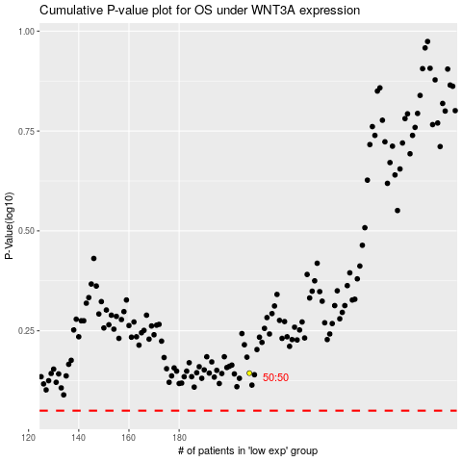

 |  |  |  |  |  | cases_OS | p_OS | rank | exp
 |  |  |  |  |  |  | cases_RFS | p_RFS | rank | exp

