WNT5A _multivariate
Reported by Tex Li-Hsing Chi. tex@gate.sinica.edu.tw 2019-08-14

Table 2. The clinicopathological features of HNSCC cohort and WNT5A expression. (Chi square test)
Cutoff at -0.257 (49.8%)
 |  | WNT5A expression |  | WNT5A expression |  | (Optimised)
 | Features | Low | (%) | High | (%) | Case no | P-value | Remark | Matthews
Gender | Female | 150 | 36.1 | 156 | 37.6 | 415 | 0.6344 | 0 | 0
2 | Male | 57 | 13.7 | 52 | 12.5
Age at diagnosis | <=65y | 148 | 35.7 | 126 | 30.4 | 415 | 0.0248 | 1 | 0
4 | >65y | 59 | 14.2 | 82 | 19.8
Clinical T Status | T1+T2 | 74 | 17.8 | 75 | 18.1 | 415 | 1 | 0 | 0
6 | T3+T4 | 133 | 32 | 133 | 32
Clinical N Status | N0 | 93 | 22.4 | 123 | 29.6 | 415 | 0.0051 | 1 | 0
8 | N1-3 | 114 | 27.5 | 85 | 20.5
Clinical M Status | M0 | 204 | 49.2 | 208 | 50.1 | 415 | 0.1232 | 0 | 0
10 | M1 | 3 | 0.7 | 0 | 0
Clinical Stage | Stage I+II | 42 | 10.1 | 60 | 14.5 | 415 | 0.0561 | 0 | 0
12 | Stage III+IV | 165 | 39.8 | 148 | 35.7
Surgical Margin status | Negative | 154 | 37.1 | 164 | 39.5 | 415 | 0.2984 | 0 | 0
14 | Positive | 53 | 12.8 | 44 | 10.6
Tobacco Exposure | Low | 88 | 21.2 | 73 | 17.6 | 415 | 0.1314 | 0 | 0
16 | High | 119 | 28.7 | 135 | 32.5

Table 3. Univariate/Multivariate Cox's proportional hazards regression analyses on OS time of WNT5A gene expression in HNSCC

 |  | Univariate |  |  |  | Multivariate
 | Features | HR | CI95%(L) | CI95%(H) | P-value | HR | CI95%(L) | CI95%(H) | P-value
1 | Female | 1 |  |  |  | 1
Gender | Male | 1.157 | 0.843 | 1.587 | 0.367 | 1.193 | 0.854 | 1.666 | 0.3
11 | <=65y | 1 |  |  |  | 1
Age at diagnosis | >65y | 1.329 | 0.99 | 1.784 | 0.058 | 1.432 | 1.05 | 1.953 | 0.023
12 | T1+T2 | 1 |  |  |  | 1
Clinical T Status | T3+T4 | 1.409 | 1.028 | 1.931 | 0.033 | 2.259 | 1.194 | 4.276 | 0.012
13 | N0 | 1 |  |  |  | 1
Clinical N Status | N1-3 | 1.185 | 0.89 | 1.577 | 0.246 | 1.22 | 0.854 | 1.742 | 0.275
14 | M0 | 1 |  |  |  | 1
Clinical M Status | M1 | 4.097 | 1.009 | 16.644 | 0.049 | 8.892 | 1.935 | 40.852 | 0.005
15 | Stage I+II | 1 |  |  |  | 1
Clinical Stage | Stage III+IV | 1.245 | 0.882 | 1.759 | 0.213 | 0.489 | 0.227 | 1.05 | 0.067
16 | Negative | 1 |  |  |  | 1
Surgical Margin status | Positive | 1.591 | 1.155 | 2.191 | 0.004 | 1.631 | 1.179 | 2.258 | 0.003
17 | Low | 1 |  |  |  | 1
Tobacco Exposure | High | 1.364 | 1.008 | 1.844 | 0.044 | 1.497 | 1.082 | 2.069 | 0.015
18 | Low | 1 |  |  |  | 1
RNAseq(z-score) | High | 0.85 | 0.637 | 1.134 | 0.269 | 0.828 | 0.613 | 1.119 | 0.22

Table 4. Univariate/Multivariate Cox's proportional hazards regression analyses on RFS time of WNT5A gene expression in HNSCC

 |  | Univariate |  |  |  | Multivariate
 | Features | HR | CI95%(L) | CI95%(H) | P-value | HR | CI95%(L) | CI95%(H) | P-value
1 | Female | 1 |  |  |  | 1
Gender | Male | 1.157 | 0.843 | 1.587 | 0.367 | 1.193 | 0.854 | 1.666 | 0.3
11 | <=65y | 1 |  |  |  | 1
Age at diagnosis | >65y | 1.329 | 0.99 | 1.784 | 0.058 | 1.432 | 1.05 | 1.953 | 0.023
12 | T1+T2 | 1 |  |  |  | 1
Clinical T Status | T3+T4 | 1.409 | 1.028 | 1.931 | 0.033 | 2.259 | 1.194 | 4.276 | 0.012
13 | N0 | 1 |  |  |  | 1
Clinical N Status | N1-3 | 1.185 | 0.89 | 1.577 | 0.246 | 1.22 | 0.854 | 1.742 | 0.275
14 | M0 | 1 |  |  |  | 1
Clinical M Status | M1 | 4.097 | 1.009 | 16.644 | 0.049 | 8.892 | 1.935 | 40.852 | 0.005
15 | Stage I+II | 1 |  |  |  | 1
Clinical Stage | Stage III+IV | 1.245 | 0.882 | 1.759 | 0.213 | 0.489 | 0.227 | 1.05 | 0.067
16 | Negative | 1 |  |  |  | 1
Surgical Margin status | Positive | 1.591 | 1.155 | 2.191 | 0.004 | 1.631 | 1.179 | 2.258 | 0.003
17 | Low | 1 |  |  |  | 1
Tobacco Exposure | High | 1.364 | 1.008 | 1.844 | 0.044 | 1.497 | 1.082 | 2.069 | 0.015
18 | Low | 1 |  |  |  | 1
RNAseq(z-score) | High | 0.85 | 0.637 | 1.134 | 0.269 | 0.828 | 0.613 | 1.119 | 0.22

Kaplan-Meier survival estimate: Cutoff at -0.257 (49.8%)



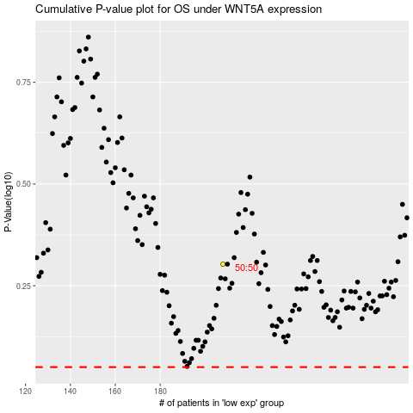

 |  |  |  |  |  | cases_OS | p_OS | rank | exp
 |  |  |  |  |  |  | cases_RFS | p_RFS | rank | exp

