WNT6 _multivariate
Reported by Tex Li-Hsing Chi. tex@gate.sinica.edu.tw 2019-08-14

Table 2. The clinicopathological features of HNSCC cohort and WNT6 expression. (Chi square test)
Cutoff at -0.109 (44.2%)
 |  | WNT6 expression |  | WNT6 expression |  | (Optimised)
 | Features | Low | (%) | High | (%) | Case no | P-value | Remark | Matthews
Gender | Female | 125 | 30.1 | 181 | 43.6 | 415 | 0.0224 | 1 | 0
2 | Male | 59 | 14.2 | 50 | 12
Age at diagnosis | <=65y | 114 | 27.5 | 160 | 38.6 | 415 | 0.1451 | 0 | 0
4 | >65y | 70 | 16.9 | 71 | 17.1
Clinical T Status | T1+T2 | 62 | 14.9 | 87 | 21 | 415 | 0.4631 | 0 | 0
6 | T3+T4 | 122 | 29.4 | 144 | 34.7
Clinical N Status | N0 | 95 | 22.9 | 121 | 29.2 | 415 | 0.9576 | 0 | 0
8 | N1-3 | 89 | 21.4 | 110 | 26.5
Clinical M Status | M0 | 183 | 44.1 | 229 | 55.2 | 415 | 1 | 0 | 0
10 | M1 | 1 | 0.2 | 2 | 0.5
Clinical Stage | Stage I+II | 45 | 10.8 | 57 | 13.7 | 415 | 1 | 0 | 0
12 | Stage III+IV | 139 | 33.5 | 174 | 41.9
Surgical Margin status | Negative | 136 | 32.8 | 182 | 43.9 | 415 | 0.246 | 0 | 0
14 | Positive | 48 | 11.6 | 49 | 11.8
Tobacco Exposure | Low | 79 | 19 | 82 | 19.8 | 415 | 0.1293 | 0 | 0
16 | High | 105 | 25.3 | 149 | 35.9

Table 3. Univariate/Multivariate Cox's proportional hazards regression analyses on OS time of WNT6 gene expression in HNSCC

 |  | Univariate |  |  |  | Multivariate
 | Features | HR | CI95%(L) | CI95%(H) | P-value | HR | CI95%(L) | CI95%(H) | P-value
1 | Female | 1 |  |  |  | 1
Gender | Male | 1.157 | 0.843 | 1.587 | 0.367 | 1.153 | 0.822 | 1.617 | 0.409
11 | <=65y | 1 |  |  |  | 1
Age at diagnosis | >65y | 1.329 | 0.99 | 1.784 | 0.058 | 1.354 | 0.994 | 1.843 | 0.054
12 | T1+T2 | 1 |  |  |  | 1
Clinical T Status | T3+T4 | 1.409 | 1.028 | 1.931 | 0.033 | 2.145 | 1.133 | 4.06 | 0.019
13 | N0 | 1 |  |  |  | 1
Clinical N Status | N1-3 | 1.185 | 0.89 | 1.577 | 0.246 | 1.212 | 0.848 | 1.731 | 0.291
14 | M0 | 1 |  |  |  | 1
Clinical M Status | M1 | 4.097 | 1.009 | 16.644 | 0.049 | 9.791 | 2.135 | 44.895 | 0.003
15 | Stage I+II | 1 |  |  |  | 1
Clinical Stage | Stage III+IV | 1.245 | 0.882 | 1.759 | 0.213 | 0.523 | 0.244 | 1.124 | 0.097
16 | Negative | 1 |  |  |  | 1
Surgical Margin status | Positive | 1.591 | 1.155 | 2.191 | 0.004 | 1.675 | 1.213 | 2.315 | 0.002
17 | Low | 1 |  |  |  | 1
Tobacco Exposure | High | 1.364 | 1.008 | 1.844 | 0.044 | 1.488 | 1.078 | 2.055 | 0.016
18 | Low | 1 |  |  |  | 1
RNAseq(z-score) | High | 0.745 | 0.559 | 0.992 | 0.044 | 0.766 | 0.57 | 1.029 | 0.077

Table 4. Univariate/Multivariate Cox's proportional hazards regression analyses on RFS time of WNT6 gene expression in HNSCC

 |  | Univariate |  |  |  | Multivariate
 | Features | HR | CI95%(L) | CI95%(H) | P-value | HR | CI95%(L) | CI95%(H) | P-value
1 | Female | 1 |  |  |  | 1
Gender | Male | 1.157 | 0.843 | 1.587 | 0.367 | 1.153 | 0.822 | 1.617 | 0.409
11 | <=65y | 1 |  |  |  | 1
Age at diagnosis | >65y | 1.329 | 0.99 | 1.784 | 0.058 | 1.354 | 0.994 | 1.843 | 0.054
12 | T1+T2 | 1 |  |  |  | 1
Clinical T Status | T3+T4 | 1.409 | 1.028 | 1.931 | 0.033 | 2.145 | 1.133 | 4.06 | 0.019
13 | N0 | 1 |  |  |  | 1
Clinical N Status | N1-3 | 1.185 | 0.89 | 1.577 | 0.246 | 1.212 | 0.848 | 1.731 | 0.291
14 | M0 | 1 |  |  |  | 1
Clinical M Status | M1 | 4.097 | 1.009 | 16.644 | 0.049 | 9.791 | 2.135 | 44.895 | 0.003
15 | Stage I+II | 1 |  |  |  | 1
Clinical Stage | Stage III+IV | 1.245 | 0.882 | 1.759 | 0.213 | 0.523 | 0.244 | 1.124 | 0.097
16 | Negative | 1 |  |  |  | 1
Surgical Margin status | Positive | 1.591 | 1.155 | 2.191 | 0.004 | 1.675 | 1.213 | 2.315 | 0.002
17 | Low | 1 |  |  |  | 1
Tobacco Exposure | High | 1.364 | 1.008 | 1.844 | 0.044 | 1.488 | 1.078 | 2.055 | 0.016
18 | Low | 1 |  |  |  | 1
RNAseq(z-score) | High | 0.745 | 0.559 | 0.992 | 0.044 | 0.766 | 0.57 | 1.029 | 0.077

Kaplan-Meier survival estimate: Cutoff at -0.109 (44.2%)



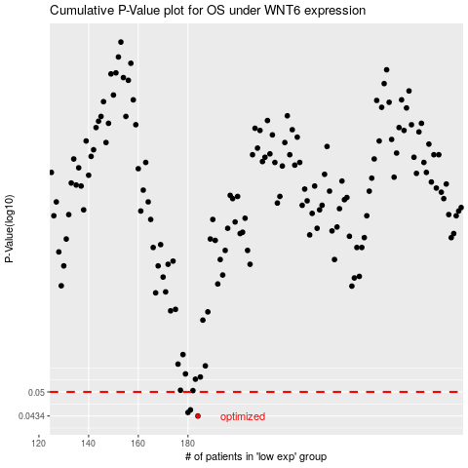

 |  |  |  |  |  | cases_OS | p_OS | rank | exp
 |  |  |  |  |  | 184 | 0.0434 | 400 | -0.10852276924
 |  |  |  |  |  | 180 | 0.0443 | 154 | -0.10953121833
 |  |  |  |  |  | 181 | 0.045 | 312 | -0.1093456142
 |  |  |  |  |  |  | cases_RFS | p_RFS | rank | exp
 |  |  |  |  |  |  | 183 | 0.0434 | 260 | -0.10915124544
 |  |  |  |  |  |  | 179 | 0.0443 | 181 | -0.10976013009
 |  |  |  |  |  |  | 180 | 0.045 | 154 | -0.10953121833

