WNT7B _multivariate
Reported by Tex Li-Hsing Chi. tex@gate.sinica.edu.tw 2019-08-14

Table 2. The clinicopathological features of HNSCC cohort and WNT7B expression. (Chi square test)
Cutoff at -0.064 (50.0%)
 |  | WNT7B expression |  | WNT7B expression |  | (Optimised)
 | Features | Low | (%) | High | (%) | Case no | P-value | Remark | Matthews
Gender | Female | 144 | 34.7 | 162 | 39 | 415 | 0.0697 | 0 | 0
2 | Male | 63 | 15.2 | 46 | 11.1
Age at diagnosis | <=65y | 130 | 31.3 | 144 | 34.7 | 415 | 0.2009 | 0 | 0
4 | >65y | 77 | 18.6 | 64 | 15.4
Clinical T Status | T1+T2 | 82 | 19.8 | 67 | 16.1 | 415 | 0.1417 | 0 | 0
6 | T3+T4 | 125 | 30.1 | 141 | 34
Clinical N Status | N0 | 106 | 25.5 | 110 | 26.5 | 415 | 0.8075 | 0 | 0
8 | N1-3 | 101 | 24.3 | 98 | 23.6
Clinical M Status | M0 | 205 | 49.4 | 207 | 49.9 | 415 | 0.6232 | 0 | 0
10 | M1 | 2 | 0.5 | 1 | 0.2
Clinical Stage | Stage I+II | 52 | 12.5 | 50 | 12 | 415 | 0.8871 | 0 | 0
12 | Stage III+IV | 155 | 37.3 | 158 | 38.1
Surgical Margin status | Negative | 153 | 36.9 | 165 | 39.8 | 415 | 0.2036 | 0 | 0
14 | Positive | 54 | 13 | 43 | 10.4
Tobacco Exposure | Low | 100 | 24.1 | 61 | 14.7 | 415 | 1e-04 | 1 | 0
16 | High | 107 | 25.8 | 147 | 35.4

Table 3. Univariate/Multivariate Cox's proportional hazards regression analyses on OS time of WNT7B gene expression in HNSCC

 |  | Univariate |  |  |  | Multivariate
 | Features | HR | CI95%(L) | CI95%(H) | P-value | HR | CI95%(L) | CI95%(H) | P-value
1 | Female | 1 |  |  |  | 1
Gender | Male | 1.157 | 0.843 | 1.587 | 0.367 | 1.22 | 0.871 | 1.709 | 0.246
11 | <=65y | 1 |  |  |  | 1
Age at diagnosis | >65y | 1.329 | 0.99 | 1.784 | 0.058 | 1.403 | 1.032 | 1.909 | 0.031
12 | T1+T2 | 1 |  |  |  | 1
Clinical T Status | T3+T4 | 1.409 | 1.028 | 1.931 | 0.033 | 2.158 | 1.139 | 4.09 | 0.018
13 | N0 | 1 |  |  |  | 1
Clinical N Status | N1-3 | 1.185 | 0.89 | 1.577 | 0.246 | 1.248 | 0.874 | 1.781 | 0.222
14 | M0 | 1 |  |  |  | 1
Clinical M Status | M1 | 4.097 | 1.009 | 16.644 | 0.049 | 9.353 | 2.041 | 42.874 | 0.004
15 | Stage I+II | 1 |  |  |  | 1
Clinical Stage | Stage III+IV | 1.245 | 0.882 | 1.759 | 0.213 | 0.512 | 0.238 | 1.1 | 0.086
16 | Negative | 1 |  |  |  | 1
Surgical Margin status | Positive | 1.591 | 1.155 | 2.191 | 0.004 | 1.686 | 1.219 | 2.332 | 0.002
17 | Low | 1 |  |  |  | 1
Tobacco Exposure | High | 1.364 | 1.008 | 1.844 | 0.044 | 1.413 | 1.017 | 1.963 | 0.039
18 | Low | 1 |  |  |  | 1
RNAseq(z-score) | High | 1.142 | 0.856 | 1.525 | 0.366 | 1.123 | 0.826 | 1.526 | 0.46

Table 4. Univariate/Multivariate Cox's proportional hazards regression analyses on RFS time of WNT7B gene expression in HNSCC

 |  | Univariate |  |  |  | Multivariate
 | Features | HR | CI95%(L) | CI95%(H) | P-value | HR | CI95%(L) | CI95%(H) | P-value
1 | Female | 1 |  |  |  | 1
Gender | Male | 1.157 | 0.843 | 1.587 | 0.367 | 1.22 | 0.871 | 1.709 | 0.246
11 | <=65y | 1 |  |  |  | 1
Age at diagnosis | >65y | 1.329 | 0.99 | 1.784 | 0.058 | 1.403 | 1.032 | 1.909 | 0.031
12 | T1+T2 | 1 |  |  |  | 1
Clinical T Status | T3+T4 | 1.409 | 1.028 | 1.931 | 0.033 | 2.158 | 1.139 | 4.09 | 0.018
13 | N0 | 1 |  |  |  | 1
Clinical N Status | N1-3 | 1.185 | 0.89 | 1.577 | 0.246 | 1.248 | 0.874 | 1.781 | 0.222
14 | M0 | 1 |  |  |  | 1
Clinical M Status | M1 | 4.097 | 1.009 | 16.644 | 0.049 | 9.353 | 2.041 | 42.874 | 0.004
15 | Stage I+II | 1 |  |  |  | 1
Clinical Stage | Stage III+IV | 1.245 | 0.882 | 1.759 | 0.213 | 0.512 | 0.238 | 1.1 | 0.086
16 | Negative | 1 |  |  |  | 1
Surgical Margin status | Positive | 1.591 | 1.155 | 2.191 | 0.004 | 1.686 | 1.219 | 2.332 | 0.002
17 | Low | 1 |  |  |  | 1
Tobacco Exposure | High | 1.364 | 1.008 | 1.844 | 0.044 | 1.413 | 1.017 | 1.963 | 0.039
18 | Low | 1 |  |  |  | 1
RNAseq(z-score) | High | 1.142 | 0.856 | 1.525 | 0.366 | 1.123 | 0.826 | 1.526 | 0.46

Kaplan-Meier survival estimate: Cutoff at -0.064 (50.0%)



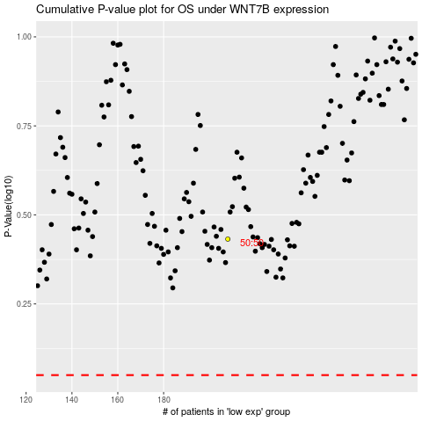

 |  |  |  |  |  | cases_OS | p_OS | rank | exp
 |  |  |  |  |  |  | cases_RFS | p_RFS | rank | exp

