WRAP53 _multivariate
Reported by Tex Li-Hsing Chi. tex@gate.sinica.edu.tw 2019-08-14

Table 2. The clinicopathological features of HNSCC cohort and WRAP53 expression. (Chi square test)
Cutoff at -0.224 (49.8%)
 |  | WRAP53 expression |  | WRAP53 expression |  | (Optimised)
 | Features | Low | (%) | High | (%) | Case no | P-value | Remark | Matthews
Gender | Female | 138 | 33.3 | 168 | 40.5 | 415 | 0.0016 | 1 | 0
2 | Male | 69 | 16.6 | 40 | 9.6
Age at diagnosis | <=65y | 137 | 33 | 137 | 33 | 415 | 1 | 0 | 0
4 | >65y | 70 | 16.9 | 71 | 17.1
Clinical T Status | T1+T2 | 72 | 17.3 | 77 | 18.6 | 415 | 0.7095 | 0 | 0
6 | T3+T4 | 135 | 32.5 | 131 | 31.6
Clinical N Status | N0 | 112 | 27 | 104 | 25.1 | 415 | 0.4599 | 0 | 0
8 | N1-3 | 95 | 22.9 | 104 | 25.1
Clinical M Status | M0 | 207 | 49.9 | 205 | 49.4 | 415 | 0.2482 | 0 | 0
10 | M1 | 0 | 0 | 3 | 0.7
Clinical Stage | Stage I+II | 54 | 13 | 48 | 11.6 | 415 | 0.5498 | 0 | 0
12 | Stage III+IV | 153 | 36.9 | 160 | 38.6
Surgical Margin status | Negative | 160 | 38.6 | 158 | 38.1 | 415 | 0.8167 | 0 | 0
14 | Positive | 47 | 11.3 | 50 | 12
Tobacco Exposure | Low | 81 | 19.5 | 80 | 19.3 | 415 | 0.9199 | 0 | 0
16 | High | 126 | 30.4 | 128 | 30.8

Table 3. Univariate/Multivariate Cox's proportional hazards regression analyses on OS time of WRAP53 gene expression in HNSCC

 |  | Univariate |  |  |  | Multivariate
 | Features | HR | CI95%(L) | CI95%(H) | P-value | HR | CI95%(L) | CI95%(H) | P-value
1 | Female | 1 |  |  |  | 1
Gender | Male | 1.157 | 0.843 | 1.587 | 0.367 | 1.2 | 0.857 | 1.681 | 0.287
11 | <=65y | 1 |  |  |  | 1
Age at diagnosis | >65y | 1.329 | 0.99 | 1.784 | 0.058 | 1.392 | 1.024 | 1.893 | 0.035
12 | T1+T2 | 1 |  |  |  | 1
Clinical T Status | T3+T4 | 1.409 | 1.028 | 1.931 | 0.033 | 2.2 | 1.162 | 4.165 | 0.015
13 | N0 | 1 |  |  |  | 1
Clinical N Status | N1-3 | 1.185 | 0.89 | 1.577 | 0.246 | 1.241 | 0.869 | 1.77 | 0.235
14 | M0 | 1 |  |  |  | 1
Clinical M Status | M1 | 4.097 | 1.009 | 16.644 | 0.049 | 9.434 | 2.05 | 43.409 | 0.004
15 | Stage I+II | 1 |  |  |  | 1
Clinical Stage | Stage III+IV | 1.245 | 0.882 | 1.759 | 0.213 | 0.505 | 0.235 | 1.085 | 0.08
16 | Negative | 1 |  |  |  | 1
Surgical Margin status | Positive | 1.591 | 1.155 | 2.191 | 0.004 | 1.671 | 1.209 | 2.309 | 0.002
17 | Low | 1 |  |  |  | 1
Tobacco Exposure | High | 1.364 | 1.008 | 1.844 | 0.044 | 1.454 | 1.055 | 2.003 | 0.022
18 | Low | 1 |  |  |  | 1
RNAseq(z-score) | High | 0.971 | 0.727 | 1.295 | 0.839 | 0.992 | 0.739 | 1.331 | 0.958

Table 4. Univariate/Multivariate Cox's proportional hazards regression analyses on RFS time of WRAP53 gene expression in HNSCC

 |  | Univariate |  |  |  | Multivariate
 | Features | HR | CI95%(L) | CI95%(H) | P-value | HR | CI95%(L) | CI95%(H) | P-value
1 | Female | 1 |  |  |  | 1
Gender | Male | 1.157 | 0.843 | 1.587 | 0.367 | 1.2 | 0.857 | 1.681 | 0.287
11 | <=65y | 1 |  |  |  | 1
Age at diagnosis | >65y | 1.329 | 0.99 | 1.784 | 0.058 | 1.392 | 1.024 | 1.893 | 0.035
12 | T1+T2 | 1 |  |  |  | 1
Clinical T Status | T3+T4 | 1.409 | 1.028 | 1.931 | 0.033 | 2.2 | 1.162 | 4.165 | 0.015
13 | N0 | 1 |  |  |  | 1
Clinical N Status | N1-3 | 1.185 | 0.89 | 1.577 | 0.246 | 1.241 | 0.869 | 1.77 | 0.235
14 | M0 | 1 |  |  |  | 1
Clinical M Status | M1 | 4.097 | 1.009 | 16.644 | 0.049 | 9.434 | 2.05 | 43.409 | 0.004
15 | Stage I+II | 1 |  |  |  | 1
Clinical Stage | Stage III+IV | 1.245 | 0.882 | 1.759 | 0.213 | 0.505 | 0.235 | 1.085 | 0.08
16 | Negative | 1 |  |  |  | 1
Surgical Margin status | Positive | 1.591 | 1.155 | 2.191 | 0.004 | 1.671 | 1.209 | 2.309 | 0.002
17 | Low | 1 |  |  |  | 1
Tobacco Exposure | High | 1.364 | 1.008 | 1.844 | 0.044 | 1.454 | 1.055 | 2.003 | 0.022
18 | Low | 1 |  |  |  | 1
RNAseq(z-score) | High | 0.971 | 0.727 | 1.295 | 0.839 | 0.992 | 0.739 | 1.331 | 0.958

Kaplan-Meier survival estimate: Cutoff at -0.224 (49.8%)

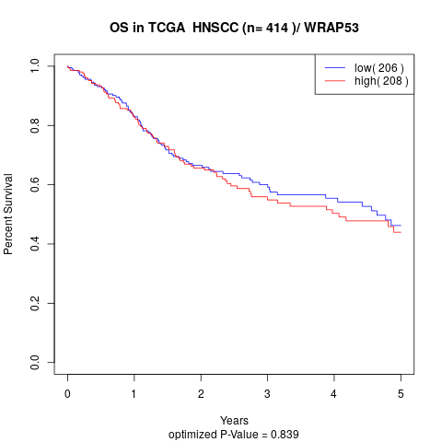

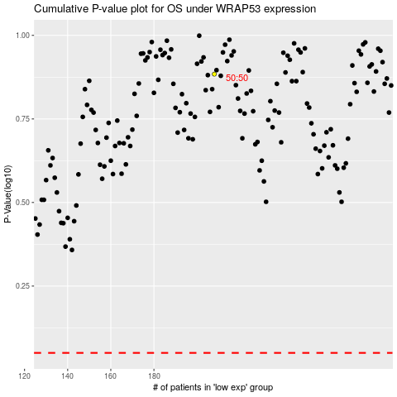

 |  |  |  |  |  | cases_OS | p_OS | rank | exp
 |  |  |  |  |  |  | cases_RFS | p_RFS | rank | exp

