WRB _multivariate
Reported by Tex Li-Hsing Chi. tex@gate.sinica.edu.tw 2019-08-14

Table 2. The clinicopathological features of HNSCC cohort and WRB expression. (Chi square test)
Cutoff at -0.259 (49.8%)
 |  | WRB expression |  | WRB expression |  | (Optimised)
 | Features | Low | (%) | High | (%) | Case no | P-value | Remark | Matthews
Gender | Female | 148 | 35.7 | 158 | 38.1 | 415 | 0.3567 | 0 | 0
2 | Male | 59 | 14.2 | 50 | 12
Age at diagnosis | <=65y | 127 | 30.6 | 147 | 35.4 | 415 | 0.0573 | 0 | 0
4 | >65y | 80 | 19.3 | 61 | 14.7
Clinical T Status | T1+T2 | 63 | 15.2 | 86 | 20.7 | 415 | 0.0268 | 1 | 0
6 | T3+T4 | 144 | 34.7 | 122 | 29.4
Clinical N Status | N0 | 102 | 24.6 | 114 | 27.5 | 415 | 0.3031 | 0 | 0
8 | N1-3 | 105 | 25.3 | 94 | 22.7
Clinical M Status | M0 | 205 | 49.4 | 207 | 49.9 | 415 | 0.6232 | 0 | 0
10 | M1 | 2 | 0.5 | 1 | 0.2
Clinical Stage | Stage I+II | 43 | 10.4 | 59 | 14.2 | 415 | 0.0925 | 0 | 0
12 | Stage III+IV | 164 | 39.5 | 149 | 35.9
Surgical Margin status | Negative | 168 | 40.5 | 150 | 36.1 | 415 | 0.0366 | 1 | 0
14 | Positive | 39 | 9.4 | 58 | 14
Tobacco Exposure | Low | 83 | 20 | 78 | 18.8 | 415 | 0.6152 | 0 | 0
16 | High | 124 | 29.9 | 130 | 31.3

Table 3. Univariate/Multivariate Cox's proportional hazards regression analyses on OS time of WRB gene expression in HNSCC

 |  | Univariate |  |  |  | Multivariate
 | Features | HR | CI95%(L) | CI95%(H) | P-value | HR | CI95%(L) | CI95%(H) | P-value
1 | Female | 1 |  |  |  | 1
Gender | Male | 1.157 | 0.843 | 1.587 | 0.367 | 1.203 | 0.861 | 1.681 | 0.28
11 | <=65y | 1 |  |  |  | 1
Age at diagnosis | >65y | 1.329 | 0.99 | 1.784 | 0.058 | 1.389 | 1.02 | 1.892 | 0.037
12 | T1+T2 | 1 |  |  |  | 1
Clinical T Status | T3+T4 | 1.409 | 1.028 | 1.931 | 0.033 | 2.195 | 1.158 | 4.16 | 0.016
13 | N0 | 1 |  |  |  | 1
Clinical N Status | N1-3 | 1.185 | 0.89 | 1.577 | 0.246 | 1.24 | 0.869 | 1.77 | 0.235
14 | M0 | 1 |  |  |  | 1
Clinical M Status | M1 | 4.097 | 1.009 | 16.644 | 0.049 | 9.338 | 2.027 | 43.016 | 0.004
15 | Stage I+II | 1 |  |  |  | 1
Clinical Stage | Stage III+IV | 1.245 | 0.882 | 1.759 | 0.213 | 0.505 | 0.235 | 1.084 | 0.08
16 | Negative | 1 |  |  |  | 1
Surgical Margin status | Positive | 1.591 | 1.155 | 2.191 | 0.004 | 1.675 | 1.21 | 2.318 | 0.002
17 | Low | 1 |  |  |  | 1
Tobacco Exposure | High | 1.364 | 1.008 | 1.844 | 0.044 | 1.456 | 1.055 | 2.011 | 0.022
18 | Low | 1 |  |  |  | 1
RNAseq(z-score) | High | 0.961 | 0.721 | 1.281 | 0.786 | 0.983 | 0.731 | 1.321 | 0.907

Table 4. Univariate/Multivariate Cox's proportional hazards regression analyses on RFS time of WRB gene expression in HNSCC

 |  | Univariate |  |  |  | Multivariate
 | Features | HR | CI95%(L) | CI95%(H) | P-value | HR | CI95%(L) | CI95%(H) | P-value
1 | Female | 1 |  |  |  | 1
Gender | Male | 1.157 | 0.843 | 1.587 | 0.367 | 1.203 | 0.861 | 1.681 | 0.28
11 | <=65y | 1 |  |  |  | 1
Age at diagnosis | >65y | 1.329 | 0.99 | 1.784 | 0.058 | 1.389 | 1.02 | 1.892 | 0.037
12 | T1+T2 | 1 |  |  |  | 1
Clinical T Status | T3+T4 | 1.409 | 1.028 | 1.931 | 0.033 | 2.195 | 1.158 | 4.16 | 0.016
13 | N0 | 1 |  |  |  | 1
Clinical N Status | N1-3 | 1.185 | 0.89 | 1.577 | 0.246 | 1.24 | 0.869 | 1.77 | 0.235
14 | M0 | 1 |  |  |  | 1
Clinical M Status | M1 | 4.097 | 1.009 | 16.644 | 0.049 | 9.338 | 2.027 | 43.016 | 0.004
15 | Stage I+II | 1 |  |  |  | 1
Clinical Stage | Stage III+IV | 1.245 | 0.882 | 1.759 | 0.213 | 0.505 | 0.235 | 1.084 | 0.08
16 | Negative | 1 |  |  |  | 1
Surgical Margin status | Positive | 1.591 | 1.155 | 2.191 | 0.004 | 1.675 | 1.21 | 2.318 | 0.002
17 | Low | 1 |  |  |  | 1
Tobacco Exposure | High | 1.364 | 1.008 | 1.844 | 0.044 | 1.456 | 1.055 | 2.011 | 0.022
18 | Low | 1 |  |  |  | 1
RNAseq(z-score) | High | 0.961 | 0.721 | 1.281 | 0.786 | 0.983 | 0.731 | 1.321 | 0.907

Kaplan-Meier survival estimate: Cutoff at -0.259 (49.8%)



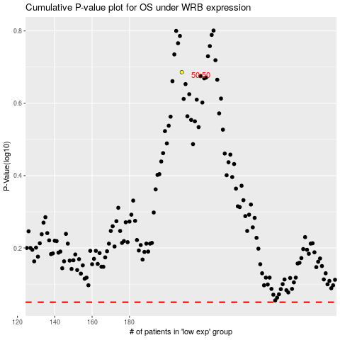

 |  |  |  |  |  | cases_OS | p_OS | rank | exp
 |  |  |  |  |  |  | cases_RFS | p_RFS | rank | exp

