WRN _multivariate
Reported by Tex Li-Hsing Chi. tex@gate.sinica.edu.tw 2019-08-14

Table 2. The clinicopathological features of HNSCC cohort and WRN expression. (Chi square test)
Cutoff at 0.223 (69.8%)
 |  | WRN expression |  | WRN expression |  | (Optimised)
 | Features | Low | (%) | High | (%) | Case no | P-value | Remark | Matthews
Gender | Female | 210 | 50.6 | 96 | 23.1 | 415 | 0.418 | 0 | 0
2 | Male | 80 | 19.3 | 29 | 7
Age at diagnosis | <=65y | 186 | 44.8 | 88 | 21.2 | 415 | 0.2615 | 0 | 0
4 | >65y | 104 | 25.1 | 37 | 8.9
Clinical T Status | T1+T2 | 103 | 24.8 | 46 | 11.1 | 415 | 0.8899 | 0 | 0
6 | T3+T4 | 187 | 45.1 | 79 | 19
Clinical N Status | N0 | 154 | 37.1 | 62 | 14.9 | 415 | 0.5835 | 0 | 0
8 | N1-3 | 136 | 32.8 | 63 | 15.2
Clinical M Status | M0 | 287 | 69.2 | 125 | 30.1 | 415 | 0.5571 | 0 | 0
10 | M1 | 3 | 0.7 | 0 | 0
Clinical Stage | Stage I+II | 69 | 16.6 | 33 | 8 | 415 | 0.6588 | 0 | 0
12 | Stage III+IV | 221 | 53.3 | 92 | 22.2
Surgical Margin status | Negative | 220 | 53 | 98 | 23.6 | 415 | 0.6148 | 0 | 0
14 | Positive | 70 | 16.9 | 27 | 6.5
Tobacco Exposure | Low | 120 | 28.9 | 41 | 9.9 | 415 | 0.1241 | 0 | 0
16 | High | 170 | 41 | 84 | 20.2

Table 3. Univariate/Multivariate Cox's proportional hazards regression analyses on OS time of WRN gene expression in HNSCC

 |  | Univariate |  |  |  | Multivariate
 | Features | HR | CI95%(L) | CI95%(H) | P-value | HR | CI95%(L) | CI95%(H) | P-value
1 | Female | 1 |  |  |  | 1
Gender | Male | 1.157 | 0.843 | 1.587 | 0.367 | 1.145 | 0.817 | 1.604 | 0.433
11 | <=65y | 1 |  |  |  | 1
Age at diagnosis | >65y | 1.329 | 0.99 | 1.784 | 0.058 | 1.358 | 0.998 | 1.846 | 0.051
12 | T1+T2 | 1 |  |  |  | 1
Clinical T Status | T3+T4 | 1.409 | 1.028 | 1.931 | 0.033 | 2.22 | 1.175 | 4.195 | 0.014
13 | N0 | 1 |  |  |  | 1
Clinical N Status | N1-3 | 1.185 | 0.89 | 1.577 | 0.246 | 1.28 | 0.897 | 1.826 | 0.174
14 | M0 | 1 |  |  |  | 1
Clinical M Status | M1 | 4.097 | 1.009 | 16.644 | 0.049 | 8.285 | 1.802 | 38.087 | 0.007
15 | Stage I+II | 1 |  |  |  | 1
Clinical Stage | Stage III+IV | 1.245 | 0.882 | 1.759 | 0.213 | 0.491 | 0.229 | 1.054 | 0.068
16 | Negative | 1 |  |  |  | 1
Surgical Margin status | Positive | 1.591 | 1.155 | 2.191 | 0.004 | 1.6 | 1.156 | 2.214 | 0.005
17 | Low | 1 |  |  |  | 1
Tobacco Exposure | High | 1.364 | 1.008 | 1.844 | 0.044 | 1.459 | 1.059 | 2.01 | 0.021
18 | Low | 1 |  |  |  | 1
RNAseq(z-score) | High | 0.643 | 0.461 | 0.898 | 0.01 | 0.677 | 0.481 | 0.952 | 0.025

Table 4. Univariate/Multivariate Cox's proportional hazards regression analyses on RFS time of WRN gene expression in HNSCC

 |  | Univariate |  |  |  | Multivariate
 | Features | HR | CI95%(L) | CI95%(H) | P-value | HR | CI95%(L) | CI95%(H) | P-value
1 | Female | 1 |  |  |  | 1
Gender | Male | 1.157 | 0.843 | 1.587 | 0.367 | 1.145 | 0.817 | 1.604 | 0.433
11 | <=65y | 1 |  |  |  | 1
Age at diagnosis | >65y | 1.329 | 0.99 | 1.784 | 0.058 | 1.358 | 0.998 | 1.846 | 0.051
12 | T1+T2 | 1 |  |  |  | 1
Clinical T Status | T3+T4 | 1.409 | 1.028 | 1.931 | 0.033 | 2.22 | 1.175 | 4.195 | 0.014
13 | N0 | 1 |  |  |  | 1
Clinical N Status | N1-3 | 1.185 | 0.89 | 1.577 | 0.246 | 1.28 | 0.897 | 1.826 | 0.174
14 | M0 | 1 |  |  |  | 1
Clinical M Status | M1 | 4.097 | 1.009 | 16.644 | 0.049 | 8.285 | 1.802 | 38.087 | 0.007
15 | Stage I+II | 1 |  |  |  | 1
Clinical Stage | Stage III+IV | 1.245 | 0.882 | 1.759 | 0.213 | 0.491 | 0.229 | 1.054 | 0.068
16 | Negative | 1 |  |  |  | 1
Surgical Margin status | Positive | 1.591 | 1.155 | 2.191 | 0.004 | 1.6 | 1.156 | 2.214 | 0.005
17 | Low | 1 |  |  |  | 1
Tobacco Exposure | High | 1.364 | 1.008 | 1.844 | 0.044 | 1.459 | 1.059 | 2.01 | 0.021
18 | Low | 1 |  |  |  | 1
RNAseq(z-score) | High | 0.643 | 0.461 | 0.898 | 0.01 | 0.677 | 0.481 | 0.952 | 0.025

Kaplan-Meier survival estimate: Cutoff at 0.223 (69.8%)

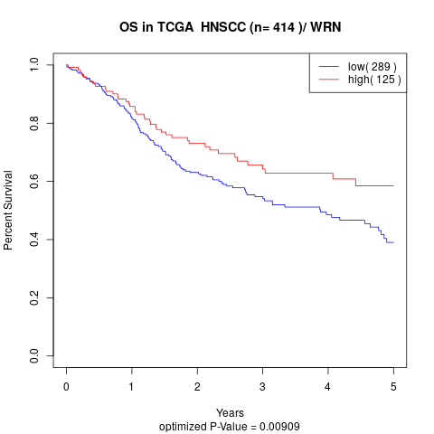

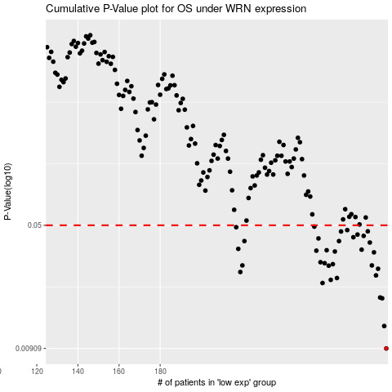

 |  |  |  |  |  | cases_OS | p_OS | rank | exp
 |  |  |  |  |  | 290 | 0.00909 | 135 | 0.22302114588
 |  |  |  |  |  | 289 | 0.0124 | 181 | 0.2215020481
 |  |  |  |  |  | 288 | 0.0182 | 377 | 0.2215014609
 |  |  |  |  |  | 287 | 0.0184 | 259 | 0.20854538303
 |  |  |  |  |  | 259 | 0.0225 | 45 | 0.068389088199
 |  |  |  |  |  | 263 | 0.0235 | 327 | 0.079821957853
 |  |  |  |  |  | 266 | 0.0241 | 175 | 0.089792688552
 |  |  |  |  |  | 285 | 0.025 | 415 | 0.1912017139
 |  |  |  |  |  | 219 | 0.0262 | 238 | -0.15773745391
 |  |  |  |  |  | 286 | 0.0274 | 281 | 0.19253349347
 |  |  |  |  |  | 262 | 0.0286 | 82 | 0.079283491418
 |  |  |  |  |  | 283 | 0.0287 | 95 | 0.18273070323
 |  |  |  |  |  | 220 | 0.0287 | 110 | -0.15441387701
 |  |  |  |  |  | 264 | 0.0292 | 134 | 0.081071528814
 |  |  |  |  |  | 260 | 0.0296 | 158 | 0.07065569718
 |  |  |  |  |  | 258 | 0.03 | 54 | 0.060834703602
 |  |  |  |  |  | 284 | 0.0344 | 67 | 0.18959277384
 |  |  |  |  |  | 265 | 0.0348 | 394 | 0.087882512641
 |  |  |  |  |  | 256 | 0.0352 | 157 | 0.032701740833
 |  |  |  |  |  | 261 | 0.0354 | 203 | 0.073342744511
 |  |  |  |  |  | 278 | 0.0357 | 83 | 0.15728948543
 |  |  |  |  |  | 218 | 0.0361 | 79 | -0.16538696562
 |  |  |  |  |  | 282 | 0.0394 | 133 | 0.1760260034
 |  |  |  |  |  | 267 | 0.0402 | 53 | 0.10286973052
 |  |  |  |  |  | 221 | 0.0402 | 396 | -0.14288470584
 |  |  |  |  |  | 257 | 0.0417 | 64 | 0.059610969634
 |  |  |  |  |  | 274 | 0.0424 | 111 | 0.14577558157
 |  |  |  |  |  | 279 | 0.0432 | 122 | 0.16356024121
 |  |  |  |  |  | 276 | 0.044 | 336 | 0.15423719696
 |  |  |  |  |  | 268 | 0.0459 | 170 | 0.1107147813
 |  |  |  |  |  | 281 | 0.046 | 55 | 0.17554332139
 |  |  |  |  |  | 271 | 0.0468 | 300 | 0.13348245747
 |  |  |  |  |  | 217 | 0.0487 | 296 | -0.16621257501
 |  |  |  |  |  | 255 | 0.0491 | 21 | 0.031324159313
 |  |  |  |  |  |  | cases_RFS | p_RFS | rank | exp
 |  |  |  |  |  |  | 289 | 0.00909 | 181 | 0.2215020481
 |  |  |  |  |  |  | 288 | 0.0124 | 377 | 0.2215014609
 |  |  |  |  |  |  | 287 | 0.0182 | 259 | 0.20854538303
 |  |  |  |  |  |  | 286 | 0.0184 | 281 | 0.19253349347
 |  |  |  |  |  |  | 258 | 0.0225 | 54 | 0.060834703602
 |  |  |  |  |  |  | 262 | 0.0235 | 82 | 0.079283491418
 |  |  |  |  |  |  | 265 | 0.0241 | 394 | 0.087882512641
 |  |  |  |  |  |  | 284 | 0.025 | 67 | 0.18959277384
 |  |  |  |  |  |  | 218 | 0.0262 | 79 | -0.16538696562
 |  |  |  |  |  |  | 285 | 0.0274 | 415 | 0.1912017139
 |  |  |  |  |  |  | 261 | 0.0286 | 203 | 0.073342744511
 |  |  |  |  |  |  | 282 | 0.0287 | 133 | 0.1760260034
 |  |  |  |  |  |  | 219 | 0.0287 | 238 | -0.15773745391
 |  |  |  |  |  |  | 263 | 0.0292 | 327 | 0.079821957853
 |  |  |  |  |  |  | 259 | 0.0296 | 45 | 0.068389088199
 |  |  |  |  |  |  | 257 | 0.03 | 64 | 0.059610969634
 |  |  |  |  |  |  | 283 | 0.0344 | 95 | 0.18273070323
 |  |  |  |  |  |  | 264 | 0.0348 | 134 | 0.081071528814
 |  |  |  |  |  |  | 255 | 0.0352 | 21 | 0.031324159313
 |  |  |  |  |  |  | 260 | 0.0354 | 158 | 0.07065569718
 |  |  |  |  |  |  | 277 | 0.0357 | 217 | 0.15625835451
 |  |  |  |  |  |  | 217 | 0.0361 | 296 | -0.16621257501
 |  |  |  |  |  |  | 281 | 0.0394 | 55 | 0.17554332139
 |  |  |  |  |  |  | 220 | 0.0402 | 110 | -0.15441387701
 |  |  |  |  |  |  | 266 | 0.0402 | 175 | 0.089792688552
 |  |  |  |  |  |  | 256 | 0.0417 | 157 | 0.032701740833
 |  |  |  |  |  |  | 273 | 0.0424 | 222 | 0.14248077769
 |  |  |  |  |  |  | 278 | 0.0432 | 83 | 0.15728948543
 |  |  |  |  |  |  | 275 | 0.044 | 404 | 0.15161356771
 |  |  |  |  |  |  | 267 | 0.0459 | 53 | 0.10286973052
 |  |  |  |  |  |  | 280 | 0.046 | 209 | 0.17242937646
 |  |  |  |  |  |  | 270 | 0.0468 | 68 | 0.12697564552
 |  |  |  |  |  |  | 216 | 0.0487 | 361 | -0.16765416181
 |  |  |  |  |  |  | 254 | 0.0491 | 87 | 0.031105719276

