WSCD1 _multivariate
Reported by Tex Li-Hsing Chi. tex@gate.sinica.edu.tw 2019-08-14

Table 2. The clinicopathological features of HNSCC cohort and WSCD1 expression. (Chi square test)
Cutoff at -0.262 (50.0%)
 |  | WSCD1 expression |  | WSCD1 expression |  | (Optimised)
 | Features | Low | (%) | High | (%) | Case no | P-value | Remark | Matthews
Gender | Female | 148 | 35.7 | 158 | 38.1 | 415 | 0.3567 | 0 | 0
2 | Male | 59 | 14.2 | 50 | 12
Age at diagnosis | <=65y | 129 | 31.1 | 145 | 34.9 | 415 | 0.1372 | 0 | 0
4 | >65y | 78 | 18.8 | 63 | 15.2
Clinical T Status | T1+T2 | 69 | 16.6 | 80 | 19.3 | 415 | 0.3239 | 0 | 0
6 | T3+T4 | 138 | 33.3 | 128 | 30.8
Clinical N Status | N0 | 116 | 28 | 100 | 24.1 | 415 | 0.1273 | 1 | 0
8 | N1-3 | 91 | 21.9 | 108 | 26
Clinical M Status | M0 | 204 | 49.2 | 208 | 50.1 | 415 | 0.1232 | 0 | 0
10 | M1 | 3 | 0.7 | 0 | 0
Clinical Stage | Stage I+II | 49 | 11.8 | 53 | 12.8 | 415 | 0.7535 | 0 | 0
12 | Stage III+IV | 158 | 38.1 | 155 | 37.3
Surgical Margin status | Negative | 162 | 39 | 156 | 37.6 | 415 | 0.4867 | 0 | 0
14 | Positive | 45 | 10.8 | 52 | 12.5
Tobacco Exposure | Low | 86 | 20.7 | 75 | 18.1 | 415 | 0.2687 | 0 | 0
16 | High | 121 | 29.2 | 133 | 32

Table 3. Univariate/Multivariate Cox's proportional hazards regression analyses on OS time of WSCD1 gene expression in HNSCC

 |  | Univariate |  |  |  | Multivariate
 | Features | HR | CI95%(L) | CI95%(H) | P-value | HR | CI95%(L) | CI95%(H) | P-value
1 | Female | 1 |  |  |  | 1
Gender | Male | 1.157 | 0.843 | 1.587 | 0.367 | 1.198 | 0.857 | 1.675 | 0.291
11 | <=65y | 1 |  |  |  | 1
Age at diagnosis | >65y | 1.329 | 0.99 | 1.784 | 0.058 | 1.381 | 1.015 | 1.877 | 0.04
12 | T1+T2 | 1 |  |  |  | 1
Clinical T Status | T3+T4 | 1.409 | 1.028 | 1.931 | 0.033 | 2.173 | 1.149 | 4.112 | 0.017
13 | N0 | 1 |  |  |  | 1
Clinical N Status | N1-3 | 1.185 | 0.89 | 1.577 | 0.246 | 1.257 | 0.88 | 1.796 | 0.209
14 | M0 | 1 |  |  |  | 1
Clinical M Status | M1 | 4.097 | 1.009 | 16.644 | 0.049 | 8.695 | 1.878 | 40.258 | 0.006
15 | Stage I+II | 1 |  |  |  | 1
Clinical Stage | Stage III+IV | 1.245 | 0.882 | 1.759 | 0.213 | 0.507 | 0.236 | 1.088 | 0.081
16 | Negative | 1 |  |  |  | 1
Surgical Margin status | Positive | 1.591 | 1.155 | 2.191 | 0.004 | 1.687 | 1.22 | 2.333 | 0.002
17 | Low | 1 |  |  |  | 1
Tobacco Exposure | High | 1.364 | 1.008 | 1.844 | 0.044 | 1.474 | 1.067 | 2.036 | 0.019
18 | Low | 1 |  |  |  | 1
RNAseq(z-score) | High | 0.895 | 0.672 | 1.192 | 0.449 | 0.88 | 0.655 | 1.181 | 0.393

Table 4. Univariate/Multivariate Cox's proportional hazards regression analyses on RFS time of WSCD1 gene expression in HNSCC

 |  | Univariate |  |  |  | Multivariate
 | Features | HR | CI95%(L) | CI95%(H) | P-value | HR | CI95%(L) | CI95%(H) | P-value
1 | Female | 1 |  |  |  | 1
Gender | Male | 1.157 | 0.843 | 1.587 | 0.367 | 1.198 | 0.857 | 1.675 | 0.291
11 | <=65y | 1 |  |  |  | 1
Age at diagnosis | >65y | 1.329 | 0.99 | 1.784 | 0.058 | 1.381 | 1.015 | 1.877 | 0.04
12 | T1+T2 | 1 |  |  |  | 1
Clinical T Status | T3+T4 | 1.409 | 1.028 | 1.931 | 0.033 | 2.173 | 1.149 | 4.112 | 0.017
13 | N0 | 1 |  |  |  | 1
Clinical N Status | N1-3 | 1.185 | 0.89 | 1.577 | 0.246 | 1.257 | 0.88 | 1.796 | 0.209
14 | M0 | 1 |  |  |  | 1
Clinical M Status | M1 | 4.097 | 1.009 | 16.644 | 0.049 | 8.695 | 1.878 | 40.258 | 0.006
15 | Stage I+II | 1 |  |  |  | 1
Clinical Stage | Stage III+IV | 1.245 | 0.882 | 1.759 | 0.213 | 0.507 | 0.236 | 1.088 | 0.081
16 | Negative | 1 |  |  |  | 1
Surgical Margin status | Positive | 1.591 | 1.155 | 2.191 | 0.004 | 1.687 | 1.22 | 2.333 | 0.002
17 | Low | 1 |  |  |  | 1
Tobacco Exposure | High | 1.364 | 1.008 | 1.844 | 0.044 | 1.474 | 1.067 | 2.036 | 0.019
18 | Low | 1 |  |  |  | 1
RNAseq(z-score) | High | 0.895 | 0.672 | 1.192 | 0.449 | 0.88 | 0.655 | 1.181 | 0.393

Kaplan-Meier survival estimate: Cutoff at -0.262 (50.0%)



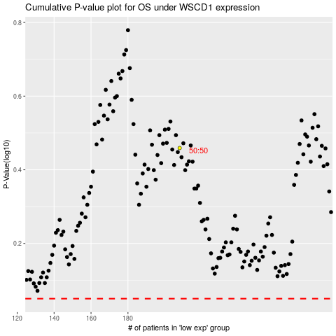

 |  |  |  |  |  | cases_OS | p_OS | rank | exp
 |  |  |  |  |  |  | cases_RFS | p_RFS | rank | exp

