WWP1 _multivariate
Reported by Tex Li-Hsing Chi. tex@gate.sinica.edu.tw 2019-08-14

Table 2. The clinicopathological features of HNSCC cohort and WWP1 expression. (Chi square test)
Cutoff at -0.095 (50.0%)
 |  | WWP1 expression |  | WWP1 expression |  | (Optimised)
 | Features | Low | (%) | High | (%) | Case no | P-value | Remark | Matthews
Gender | Female | 158 | 38.1 | 148 | 35.7 | 415 | 0.2774 | 0 | 0
2 | Male | 49 | 11.8 | 60 | 14.5
Age at diagnosis | <=65y | 134 | 32.3 | 140 | 33.7 | 415 | 0.6529 | 0 | 0
4 | >65y | 73 | 17.6 | 68 | 16.4
Clinical T Status | T1+T2 | 66 | 15.9 | 83 | 20 | 415 | 0.1095 | 0 | 0
6 | T3+T4 | 141 | 34 | 125 | 30.1
Clinical N Status | N0 | 108 | 26 | 108 | 26 | 415 | 1 | 0 | 0
8 | N1-3 | 99 | 23.9 | 100 | 24.1
Clinical M Status | M0 | 205 | 49.4 | 207 | 49.9 | 415 | 0.6232 | 0 | 0
10 | M1 | 2 | 0.5 | 1 | 0.2
Clinical Stage | Stage I+II | 43 | 10.4 | 59 | 14.2 | 415 | 0.0925 | 0 | 0
12 | Stage III+IV | 164 | 39.5 | 149 | 35.9
Surgical Margin status | Negative | 150 | 36.1 | 168 | 40.5 | 415 | 0.0492 | 1 | 0
14 | Positive | 57 | 13.7 | 40 | 9.6
Tobacco Exposure | Low | 74 | 17.8 | 87 | 21 | 415 | 0.227 | 0 | 0
16 | High | 133 | 32 | 121 | 29.2

Table 3. Univariate/Multivariate Cox's proportional hazards regression analyses on OS time of WWP1 gene expression in HNSCC

 |  | Univariate |  |  |  | Multivariate
 | Features | HR | CI95%(L) | CI95%(H) | P-value | HR | CI95%(L) | CI95%(H) | P-value
1 | Female | 1 |  |  |  | 1
Gender | Male | 1.157 | 0.843 | 1.587 | 0.367 | 1.205 | 0.863 | 1.683 | 0.274
11 | <=65y | 1 |  |  |  | 1
Age at diagnosis | >65y | 1.329 | 0.99 | 1.784 | 0.058 | 1.396 | 1.026 | 1.899 | 0.033
12 | T1+T2 | 1 |  |  |  | 1
Clinical T Status | T3+T4 | 1.409 | 1.028 | 1.931 | 0.033 | 2.205 | 1.166 | 4.17 | 0.015
13 | N0 | 1 |  |  |  | 1
Clinical N Status | N1-3 | 1.185 | 0.89 | 1.577 | 0.246 | 1.232 | 0.862 | 1.76 | 0.252
14 | M0 | 1 |  |  |  | 1
Clinical M Status | M1 | 4.097 | 1.009 | 16.644 | 0.049 | 9.621 | 2.092 | 44.248 | 0.004
15 | Stage I+II | 1 |  |  |  | 1
Clinical Stage | Stage III+IV | 1.245 | 0.882 | 1.759 | 0.213 | 0.511 | 0.237 | 1.099 | 0.086
16 | Negative | 1 |  |  |  | 1
Surgical Margin status | Positive | 1.591 | 1.155 | 2.191 | 0.004 | 1.691 | 1.219 | 2.347 | 0.002
17 | Low | 1 |  |  |  | 1
Tobacco Exposure | High | 1.364 | 1.008 | 1.844 | 0.044 | 1.462 | 1.06 | 2.017 | 0.021
18 | Low | 1 |  |  |  | 1
RNAseq(z-score) | High | 0.937 | 0.703 | 1.247 | 0.654 | 1.068 | 0.795 | 1.434 | 0.663

Table 4. Univariate/Multivariate Cox's proportional hazards regression analyses on RFS time of WWP1 gene expression in HNSCC

 |  | Univariate |  |  |  | Multivariate
 | Features | HR | CI95%(L) | CI95%(H) | P-value | HR | CI95%(L) | CI95%(H) | P-value
1 | Female | 1 |  |  |  | 1
Gender | Male | 1.157 | 0.843 | 1.587 | 0.367 | 1.205 | 0.863 | 1.683 | 0.274
11 | <=65y | 1 |  |  |  | 1
Age at diagnosis | >65y | 1.329 | 0.99 | 1.784 | 0.058 | 1.396 | 1.026 | 1.899 | 0.033
12 | T1+T2 | 1 |  |  |  | 1
Clinical T Status | T3+T4 | 1.409 | 1.028 | 1.931 | 0.033 | 2.205 | 1.166 | 4.17 | 0.015
13 | N0 | 1 |  |  |  | 1
Clinical N Status | N1-3 | 1.185 | 0.89 | 1.577 | 0.246 | 1.232 | 0.862 | 1.76 | 0.252
14 | M0 | 1 |  |  |  | 1
Clinical M Status | M1 | 4.097 | 1.009 | 16.644 | 0.049 | 9.621 | 2.092 | 44.248 | 0.004
15 | Stage I+II | 1 |  |  |  | 1
Clinical Stage | Stage III+IV | 1.245 | 0.882 | 1.759 | 0.213 | 0.511 | 0.237 | 1.099 | 0.086
16 | Negative | 1 |  |  |  | 1
Surgical Margin status | Positive | 1.591 | 1.155 | 2.191 | 0.004 | 1.691 | 1.219 | 2.347 | 0.002
17 | Low | 1 |  |  |  | 1
Tobacco Exposure | High | 1.364 | 1.008 | 1.844 | 0.044 | 1.462 | 1.06 | 2.017 | 0.021
18 | Low | 1 |  |  |  | 1
RNAseq(z-score) | High | 0.937 | 0.703 | 1.247 | 0.654 | 1.068 | 0.795 | 1.434 | 0.663

Kaplan-Meier survival estimate: Cutoff at -0.095 (50.0%)



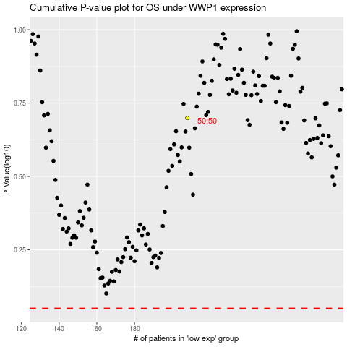

 |  |  |  |  |  | cases_OS | p_OS | rank | exp
 |  |  |  |  |  |  | cases_RFS | p_RFS | rank | exp

