WWTR1 _multivariate
Reported by Tex Li-Hsing Chi. tex@gate.sinica.edu.tw 2019-08-14

Table 2. The clinicopathological features of HNSCC cohort and WWTR1 expression. (Chi square test)
Cutoff at -0.159 (49.8%)
 |  | WWTR1 expression |  | WWTR1 expression |  | (Optimised)
 | Features | Low | (%) | High | (%) | Case no | P-value | Remark | Matthews
Gender | Female | 147 | 35.4 | 159 | 38.3 | 415 | 0.2523 | 0 | 0
2 | Male | 60 | 14.5 | 49 | 11.8
Age at diagnosis | <=65y | 143 | 34.5 | 131 | 31.6 | 415 | 0.2269 | 0 | 0
4 | >65y | 64 | 15.4 | 77 | 18.6
Clinical T Status | T1+T2 | 75 | 18.1 | 74 | 17.8 | 415 | 0.9707 | 0 | 0
6 | T3+T4 | 132 | 31.8 | 134 | 32.3
Clinical N Status | N0 | 105 | 25.3 | 111 | 26.7 | 415 | 0.6598 | 0 | 0
8 | N1-3 | 102 | 24.6 | 97 | 23.4
Clinical M Status | M0 | 205 | 49.4 | 207 | 49.9 | 415 | 0.6232 | 0 | 0
10 | M1 | 2 | 0.5 | 1 | 0.2
Clinical Stage | Stage I+II | 49 | 11.8 | 53 | 12.8 | 415 | 0.7535 | 0 | 0
12 | Stage III+IV | 158 | 38.1 | 155 | 37.3
Surgical Margin status | Negative | 152 | 36.6 | 166 | 40 | 415 | 0.1329 | 0 | 0
14 | Positive | 55 | 13.3 | 42 | 10.1
Tobacco Exposure | Low | 90 | 21.7 | 71 | 17.1 | 415 | 0.0559 | 0 | 0
16 | High | 117 | 28.2 | 137 | 33

Table 3. Univariate/Multivariate Cox's proportional hazards regression analyses on OS time of WWTR1 gene expression in HNSCC

 |  | Univariate |  |  |  | Multivariate
 | Features | HR | CI95%(L) | CI95%(H) | P-value | HR | CI95%(L) | CI95%(H) | P-value
1 | Female | 1 |  |  |  | 1
Gender | Male | 1.157 | 0.843 | 1.587 | 0.367 | 1.219 | 0.872 | 1.704 | 0.247
11 | <=65y | 1 |  |  |  | 1
Age at diagnosis | >65y | 1.329 | 0.99 | 1.784 | 0.058 | 1.361 | 0.997 | 1.858 | 0.052
12 | T1+T2 | 1 |  |  |  | 1
Clinical T Status | T3+T4 | 1.409 | 1.028 | 1.931 | 0.033 | 2.205 | 1.166 | 4.171 | 0.015
13 | N0 | 1 |  |  |  | 1
Clinical N Status | N1-3 | 1.185 | 0.89 | 1.577 | 0.246 | 1.253 | 0.878 | 1.789 | 0.215
14 | M0 | 1 |  |  |  | 1
Clinical M Status | M1 | 4.097 | 1.009 | 16.644 | 0.049 | 9.768 | 2.126 | 44.886 | 0.003
15 | Stage I+II | 1 |  |  |  | 1
Clinical Stage | Stage III+IV | 1.245 | 0.882 | 1.759 | 0.213 | 0.511 | 0.238 | 1.097 | 0.085
16 | Negative | 1 |  |  |  | 1
Surgical Margin status | Positive | 1.591 | 1.155 | 2.191 | 0.004 | 1.709 | 1.232 | 2.371 | 0.001
17 | Low | 1 |  |  |  | 1
Tobacco Exposure | High | 1.364 | 1.008 | 1.844 | 0.044 | 1.436 | 1.041 | 1.98 | 0.027
18 | Low | 1 |  |  |  | 1
RNAseq(z-score) | High | 1.084 | 0.813 | 1.445 | 0.583 | 1.145 | 0.848 | 1.547 | 0.377

Table 4. Univariate/Multivariate Cox's proportional hazards regression analyses on RFS time of WWTR1 gene expression in HNSCC

 |  | Univariate |  |  |  | Multivariate
 | Features | HR | CI95%(L) | CI95%(H) | P-value | HR | CI95%(L) | CI95%(H) | P-value
1 | Female | 1 |  |  |  | 1
Gender | Male | 1.157 | 0.843 | 1.587 | 0.367 | 1.219 | 0.872 | 1.704 | 0.247
11 | <=65y | 1 |  |  |  | 1
Age at diagnosis | >65y | 1.329 | 0.99 | 1.784 | 0.058 | 1.361 | 0.997 | 1.858 | 0.052
12 | T1+T2 | 1 |  |  |  | 1
Clinical T Status | T3+T4 | 1.409 | 1.028 | 1.931 | 0.033 | 2.205 | 1.166 | 4.171 | 0.015
13 | N0 | 1 |  |  |  | 1
Clinical N Status | N1-3 | 1.185 | 0.89 | 1.577 | 0.246 | 1.253 | 0.878 | 1.789 | 0.215
14 | M0 | 1 |  |  |  | 1
Clinical M Status | M1 | 4.097 | 1.009 | 16.644 | 0.049 | 9.768 | 2.126 | 44.886 | 0.003
15 | Stage I+II | 1 |  |  |  | 1
Clinical Stage | Stage III+IV | 1.245 | 0.882 | 1.759 | 0.213 | 0.511 | 0.238 | 1.097 | 0.085
16 | Negative | 1 |  |  |  | 1
Surgical Margin status | Positive | 1.591 | 1.155 | 2.191 | 0.004 | 1.709 | 1.232 | 2.371 | 0.001
17 | Low | 1 |  |  |  | 1
Tobacco Exposure | High | 1.364 | 1.008 | 1.844 | 0.044 | 1.436 | 1.041 | 1.98 | 0.027
18 | Low | 1 |  |  |  | 1
RNAseq(z-score) | High | 1.084 | 0.813 | 1.445 | 0.583 | 1.145 | 0.848 | 1.547 | 0.377

Kaplan-Meier survival estimate: Cutoff at -0.159 (49.8%)



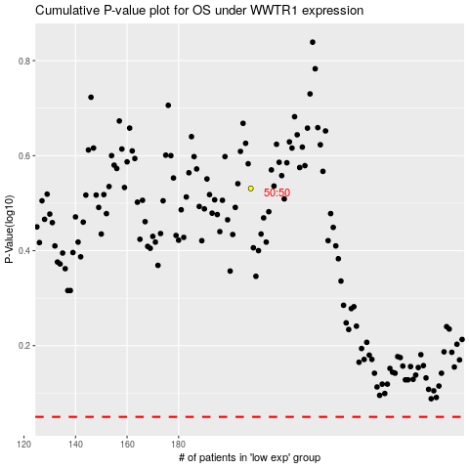

 |  |  |  |  |  | cases_OS | p_OS | rank | exp
 |  |  |  |  |  |  | cases_RFS | p_RFS | rank | exp

