XAB2 _multivariate
Reported by Tex Li-Hsing Chi. tex@gate.sinica.edu.tw 2019-08-14

Table 2. The clinicopathological features of HNSCC cohort and XAB2 expression. (Chi square test)
Cutoff at -0.354 (37.4%)
 |  | XAB2 expression |  | XAB2 expression |  | (Optimised)
 | Features | Low | (%) | High | (%) | Case no | P-value | Remark | Matthews
Gender | Female | 104 | 25.1 | 202 | 48.7 | 415 | 0.0153 | 1 | 0
2 | Male | 52 | 12.5 | 57 | 13.7
Age at diagnosis | <=65y | 94 | 22.7 | 180 | 43.4 | 415 | 0.069 | 0 | 0
4 | >65y | 62 | 14.9 | 79 | 19
Clinical T Status | T1+T2 | 62 | 14.9 | 87 | 21 | 415 | 0.2461 | 0 | 0
6 | T3+T4 | 94 | 22.7 | 172 | 41.4
Clinical N Status | N0 | 85 | 20.5 | 131 | 31.6 | 415 | 0.5026 | 0 | 0
8 | N1-3 | 71 | 17.1 | 128 | 30.8
Clinical M Status | M0 | 155 | 37.3 | 257 | 61.9 | 415 | 1 | 0 | 0
10 | M1 | 1 | 0.2 | 2 | 0.5
Clinical Stage | Stage I+II | 47 | 11.3 | 55 | 13.3 | 415 | 0.0548 | 0 | 0
12 | Stage III+IV | 109 | 26.3 | 204 | 49.2
Surgical Margin status | Negative | 117 | 28.2 | 201 | 48.4 | 415 | 0.5514 | 0 | 0
14 | Positive | 39 | 9.4 | 58 | 14
Tobacco Exposure | Low | 65 | 15.7 | 96 | 23.1 | 415 | 0.4055 | 0 | 0
16 | High | 91 | 21.9 | 163 | 39.3

Table 3. Univariate/Multivariate Cox's proportional hazards regression analyses on OS time of XAB2 gene expression in HNSCC

 |  | Univariate |  |  |  | Multivariate
 | Features | HR | CI95%(L) | CI95%(H) | P-value | HR | CI95%(L) | CI95%(H) | P-value
1 | Female | 1 |  |  |  | 1
Gender | Male | 1.157 | 0.843 | 1.587 | 0.367 | 1.159 | 0.829 | 1.621 | 0.387
11 | <=65y | 1 |  |  |  | 1
Age at diagnosis | >65y | 1.329 | 0.99 | 1.784 | 0.058 | 1.377 | 1.013 | 1.873 | 0.041
12 | T1+T2 | 1 |  |  |  | 1
Clinical T Status | T3+T4 | 1.409 | 1.028 | 1.931 | 0.033 | 2.243 | 1.185 | 4.247 | 0.013
13 | N0 | 1 |  |  |  | 1
Clinical N Status | N1-3 | 1.185 | 0.89 | 1.577 | 0.246 | 1.261 | 0.884 | 1.799 | 0.201
14 | M0 | 1 |  |  |  | 1
Clinical M Status | M1 | 4.097 | 1.009 | 16.644 | 0.049 | 9.302 | 2.027 | 42.681 | 0.004
15 | Stage I+II | 1 |  |  |  | 1
Clinical Stage | Stage III+IV | 1.245 | 0.882 | 1.759 | 0.213 | 0.51 | 0.238 | 1.096 | 0.085
16 | Negative | 1 |  |  |  | 1
Surgical Margin status | Positive | 1.591 | 1.155 | 2.191 | 0.004 | 1.681 | 1.215 | 2.326 | 0.002
17 | Low | 1 |  |  |  | 1
Tobacco Exposure | High | 1.364 | 1.008 | 1.844 | 0.044 | 1.466 | 1.064 | 2.021 | 0.019
18 | Low | 1 |  |  |  | 1
RNAseq(z-score) | High | 0.723 | 0.538 | 0.971 | 0.031 | 0.708 | 0.525 | 0.956 | 0.024

Table 4. Univariate/Multivariate Cox's proportional hazards regression analyses on RFS time of XAB2 gene expression in HNSCC

 |  | Univariate |  |  |  | Multivariate
 | Features | HR | CI95%(L) | CI95%(H) | P-value | HR | CI95%(L) | CI95%(H) | P-value
1 | Female | 1 |  |  |  | 1
Gender | Male | 1.157 | 0.843 | 1.587 | 0.367 | 1.159 | 0.829 | 1.621 | 0.387
11 | <=65y | 1 |  |  |  | 1
Age at diagnosis | >65y | 1.329 | 0.99 | 1.784 | 0.058 | 1.377 | 1.013 | 1.873 | 0.041
12 | T1+T2 | 1 |  |  |  | 1
Clinical T Status | T3+T4 | 1.409 | 1.028 | 1.931 | 0.033 | 2.243 | 1.185 | 4.247 | 0.013
13 | N0 | 1 |  |  |  | 1
Clinical N Status | N1-3 | 1.185 | 0.89 | 1.577 | 0.246 | 1.261 | 0.884 | 1.799 | 0.201
14 | M0 | 1 |  |  |  | 1
Clinical M Status | M1 | 4.097 | 1.009 | 16.644 | 0.049 | 9.302 | 2.027 | 42.681 | 0.004
15 | Stage I+II | 1 |  |  |  | 1
Clinical Stage | Stage III+IV | 1.245 | 0.882 | 1.759 | 0.213 | 0.51 | 0.238 | 1.096 | 0.085
16 | Negative | 1 |  |  |  | 1
Surgical Margin status | Positive | 1.591 | 1.155 | 2.191 | 0.004 | 1.681 | 1.215 | 2.326 | 0.002
17 | Low | 1 |  |  |  | 1
Tobacco Exposure | High | 1.364 | 1.008 | 1.844 | 0.044 | 1.466 | 1.064 | 2.021 | 0.019
18 | Low | 1 |  |  |  | 1
RNAseq(z-score) | High | 0.723 | 0.538 | 0.971 | 0.031 | 0.708 | 0.525 | 0.956 | 0.024

Kaplan-Meier survival estimate: Cutoff at -0.354 (37.4%)

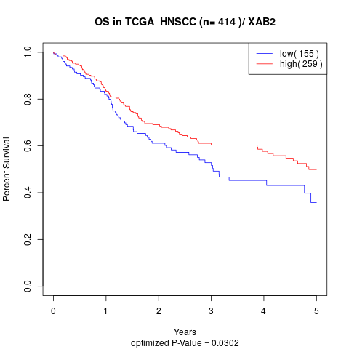

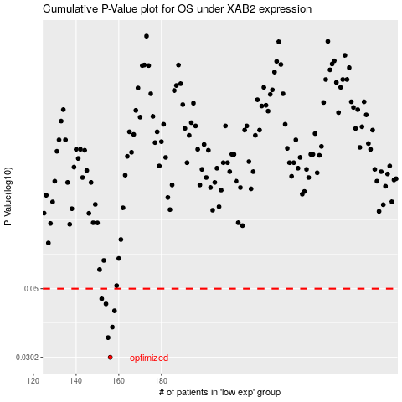

 |  |  |  |  |  | cases_OS | p_OS | rank | exp
 |  |  |  |  |  | 156 | 0.0302 | 89 | -0.35386436887
 |  |  |  |  |  | 155 | 0.0349 | 142 | -0.35398421472
 |  |  |  |  |  | 157 | 0.0377 | 8 | -0.35371822646
 |  |  |  |  |  | 158 | 0.0425 | 136 | -0.34974079521
 |  |  |  |  |  | 154 | 0.0447 | 404 | -0.35559238578
 |  |  |  |  |  | 152 | 0.0464 | 122 | -0.36292368718
 |  |  |  |  |  |  | cases_RFS | p_RFS | rank | exp
 |  |  |  |  |  |  | 155 | 0.0302 | 142 | -0.35398421472
 |  |  |  |  |  |  | 154 | 0.0349 | 404 | -0.35559238578
 |  |  |  |  |  |  | 156 | 0.0377 | 89 | -0.35386436887
 |  |  |  |  |  |  | 157 | 0.0425 | 8 | -0.35371822646
 |  |  |  |  |  |  | 153 | 0.0447 | 61 | -0.36067910898
 |  |  |  |  |  |  | 151 | 0.0464 | 375 | -0.36810184384

