XG _multivariate
Reported by Tex Li-Hsing Chi. tex@gate.sinica.edu.tw 2019-08-14

Table 2. The clinicopathological features of HNSCC cohort and XG expression. (Chi square test)
Cutoff at -0.421 (40.3%)
 |  | XG expression |  | XG expression |  | (Optimised)
 | Features | Low | (%) | High | (%) | Case no | P-value | Remark | Matthews
Gender | Female | 143 | 34.5 | 163 | 39.3 | 415 | 0 | 1 | 0
2 | Male | 24 | 5.8 | 85 | 20.5
Age at diagnosis | <=65y | 110 | 26.5 | 164 | 39.5 | 415 | 1 | 0 | 0
4 | >65y | 57 | 13.7 | 84 | 20.2
Clinical T Status | T1+T2 | 64 | 15.4 | 85 | 20.5 | 415 | 0.46 | 0 | 0
6 | T3+T4 | 103 | 24.8 | 163 | 39.3
Clinical N Status | N0 | 77 | 18.6 | 139 | 33.5 | 415 | 0.0591 | 0 | 0
8 | N1-3 | 90 | 21.7 | 109 | 26.3
Clinical M Status | M0 | 164 | 39.5 | 248 | 59.8 | 415 | 0.0645 | 0 | 0
10 | M1 | 3 | 0.7 | 0 | 0
Clinical Stage | Stage I+II | 36 | 8.7 | 66 | 15.9 | 415 | 0.2906 | 0 | 0
12 | Stage III+IV | 131 | 31.6 | 182 | 43.9
Surgical Margin status | Negative | 125 | 30.1 | 193 | 46.5 | 415 | 0.481 | 0 | 0
14 | Positive | 42 | 10.1 | 55 | 13.3
Tobacco Exposure | Low | 56 | 13.5 | 105 | 25.3 | 415 | 0.0809 | 0 | 0
16 | High | 111 | 26.7 | 143 | 34.5

Table 3. Univariate/Multivariate Cox's proportional hazards regression analyses on OS time of XG gene expression in HNSCC

 |  | Univariate |  |  |  | Multivariate
 | Features | HR | CI95%(L) | CI95%(H) | P-value | HR | CI95%(L) | CI95%(H) | P-value
1 | Female | 1 |  |  |  | 1
Gender | Male | 1.157 | 0.843 | 1.587 | 0.367 | 1.33 | 0.94 | 1.88 | 0.107
11 | <=65y | 1 |  |  |  | 1
Age at diagnosis | >65y | 1.329 | 0.99 | 1.784 | 0.058 | 1.383 | 1.017 | 1.879 | 0.038
12 | T1+T2 | 1 |  |  |  | 1
Clinical T Status | T3+T4 | 1.409 | 1.028 | 1.931 | 0.033 | 2.33 | 1.231 | 4.411 | 0.009
13 | N0 | 1 |  |  |  | 1
Clinical N Status | N1-3 | 1.185 | 0.89 | 1.577 | 0.246 | 1.241 | 0.869 | 1.773 | 0.235
14 | M0 | 1 |  |  |  | 1
Clinical M Status | M1 | 4.097 | 1.009 | 16.644 | 0.049 | 8.356 | 1.818 | 38.4 | 0.006
15 | Stage I+II | 1 |  |  |  | 1
Clinical Stage | Stage III+IV | 1.245 | 0.882 | 1.759 | 0.213 | 0.464 | 0.215 | 1 | 0.05
16 | Negative | 1 |  |  |  | 1
Surgical Margin status | Positive | 1.591 | 1.155 | 2.191 | 0.004 | 1.657 | 1.199 | 2.29 | 0.002
17 | Low | 1 |  |  |  | 1
Tobacco Exposure | High | 1.364 | 1.008 | 1.844 | 0.044 | 1.455 | 1.057 | 2.003 | 0.022
18 | Low | 1 |  |  |  | 1
RNAseq(z-score) | High | 0.739 | 0.554 | 0.986 | 0.04 | 0.7 | 0.516 | 0.949 | 0.022

Table 4. Univariate/Multivariate Cox's proportional hazards regression analyses on RFS time of XG gene expression in HNSCC

 |  | Univariate |  |  |  | Multivariate
 | Features | HR | CI95%(L) | CI95%(H) | P-value | HR | CI95%(L) | CI95%(H) | P-value
1 | Female | 1 |  |  |  | 1
Gender | Male | 1.157 | 0.843 | 1.587 | 0.367 | 1.33 | 0.94 | 1.88 | 0.107
11 | <=65y | 1 |  |  |  | 1
Age at diagnosis | >65y | 1.329 | 0.99 | 1.784 | 0.058 | 1.383 | 1.017 | 1.879 | 0.038
12 | T1+T2 | 1 |  |  |  | 1
Clinical T Status | T3+T4 | 1.409 | 1.028 | 1.931 | 0.033 | 2.33 | 1.231 | 4.411 | 0.009
13 | N0 | 1 |  |  |  | 1
Clinical N Status | N1-3 | 1.185 | 0.89 | 1.577 | 0.246 | 1.241 | 0.869 | 1.773 | 0.235
14 | M0 | 1 |  |  |  | 1
Clinical M Status | M1 | 4.097 | 1.009 | 16.644 | 0.049 | 8.356 | 1.818 | 38.4 | 0.006
15 | Stage I+II | 1 |  |  |  | 1
Clinical Stage | Stage III+IV | 1.245 | 0.882 | 1.759 | 0.213 | 0.464 | 0.215 | 1 | 0.05
16 | Negative | 1 |  |  |  | 1
Surgical Margin status | Positive | 1.591 | 1.155 | 2.191 | 0.004 | 1.657 | 1.199 | 2.29 | 0.002
17 | Low | 1 |  |  |  | 1
Tobacco Exposure | High | 1.364 | 1.008 | 1.844 | 0.044 | 1.455 | 1.057 | 2.003 | 0.022
18 | Low | 1 |  |  |  | 1
RNAseq(z-score) | High | 0.739 | 0.554 | 0.986 | 0.04 | 0.7 | 0.516 | 0.949 | 0.022

Kaplan-Meier survival estimate: Cutoff at -0.421 (40.3%)



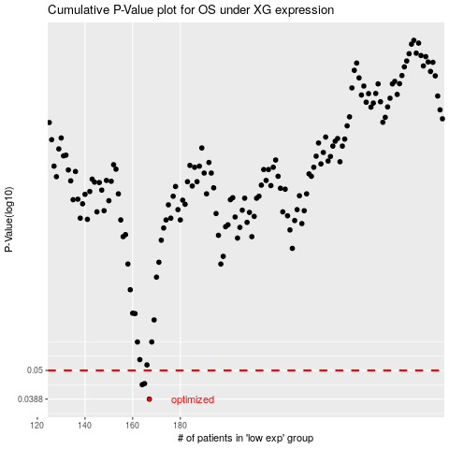

 |  |  |  |  |  | cases_OS | p_OS | rank | exp
 |  |  |  |  |  | 167 | 0.0388 | 219 | -0.42134547407
 |  |  |  |  |  | 164 | 0.0441 | 179 | -0.42893294272
 |  |  |  |  |  | 165 | 0.0445 | 47 | -0.42558180742
 |  |  |  |  |  |  | cases_RFS | p_RFS | rank | exp
 |  |  |  |  |  |  | 166 | 0.0388 | 113 | -0.42205410864
 |  |  |  |  |  |  | 163 | 0.0441 | 180 | -0.43386680104
 |  |  |  |  |  |  | 164 | 0.0445 | 179 | -0.42893294272

