XKR5 _multivariate
Reported by Tex Li-Hsing Chi. tex@gate.sinica.edu.tw 2019-08-14

Table 2. The clinicopathological features of HNSCC cohort and XKR5 expression. (Chi square test)
Cutoff at -0.334 (49.8%)
 |  | XKR5 expression |  | XKR5 expression |  | (Optimised)
 | Features | Low | (%) | High | (%) | Case no | P-value | Remark | Matthews
Gender | Female | 143 | 34.5 | 163 | 39.3 | 415 | 0.0416 | 1 | 0
2 | Male | 64 | 15.4 | 45 | 10.8
Age at diagnosis | <=65y | 135 | 32.5 | 139 | 33.5 | 415 | 0.8084 | 0 | 0
4 | >65y | 72 | 17.3 | 69 | 16.6
Clinical T Status | T1+T2 | 70 | 16.9 | 79 | 19 | 415 | 0.4343 | 0 | 0
6 | T3+T4 | 137 | 33 | 129 | 31.1
Clinical N Status | N0 | 113 | 27.2 | 103 | 24.8 | 415 | 0.3495 | 1 | 0
8 | N1-3 | 94 | 22.7 | 105 | 25.3
Clinical M Status | M0 | 205 | 49.4 | 207 | 49.9 | 415 | 0.6232 | 0 | 0
10 | M1 | 2 | 0.5 | 1 | 0.2
Clinical Stage | Stage I+II | 51 | 12.3 | 51 | 12.3 | 415 | 1 | 0 | 0
12 | Stage III+IV | 156 | 37.6 | 157 | 37.8
Surgical Margin status | Negative | 168 | 40.5 | 150 | 36.1 | 415 | 0.0366 | 1 | 0
14 | Positive | 39 | 9.4 | 58 | 14
Tobacco Exposure | Low | 92 | 22.2 | 69 | 16.6 | 415 | 0.0206 | 1 | 0
16 | High | 115 | 27.7 | 139 | 33.5

Table 3. Univariate/Multivariate Cox's proportional hazards regression analyses on OS time of XKR5 gene expression in HNSCC

 |  | Univariate |  |  |  | Multivariate
 | Features | HR | CI95%(L) | CI95%(H) | P-value | HR | CI95%(L) | CI95%(H) | P-value
1 | Female | 1 |  |  |  | 1
Gender | Male | 1.157 | 0.843 | 1.587 | 0.367 | 1.198 | 0.857 | 1.675 | 0.291
11 | <=65y | 1 |  |  |  | 1
Age at diagnosis | >65y | 1.329 | 0.99 | 1.784 | 0.058 | 1.395 | 1.026 | 1.897 | 0.034
12 | T1+T2 | 1 |  |  |  | 1
Clinical T Status | T3+T4 | 1.409 | 1.028 | 1.931 | 0.033 | 2.196 | 1.161 | 4.152 | 0.016
13 | N0 | 1 |  |  |  | 1
Clinical N Status | N1-3 | 1.185 | 0.89 | 1.577 | 0.246 | 1.241 | 0.87 | 1.771 | 0.233
14 | M0 | 1 |  |  |  | 1
Clinical M Status | M1 | 4.097 | 1.009 | 16.644 | 0.049 | 9.262 | 2.012 | 42.63 | 0.004
15 | Stage I+II | 1 |  |  |  | 1
Clinical Stage | Stage III+IV | 1.245 | 0.882 | 1.759 | 0.213 | 0.506 | 0.236 | 1.087 | 0.081
16 | Negative | 1 |  |  |  | 1
Surgical Margin status | Positive | 1.591 | 1.155 | 2.191 | 0.004 | 1.678 | 1.213 | 2.32 | 0.002
17 | Low | 1 |  |  |  | 1
Tobacco Exposure | High | 1.364 | 1.008 | 1.844 | 0.044 | 1.461 | 1.058 | 2.019 | 0.021
18 | Low | 1 |  |  |  | 1
RNAseq(z-score) | High | 0.996 | 0.747 | 1.326 | 0.976 | 0.96 | 0.716 | 1.288 | 0.786

Table 4. Univariate/Multivariate Cox's proportional hazards regression analyses on RFS time of XKR5 gene expression in HNSCC

 |  | Univariate |  |  |  | Multivariate
 | Features | HR | CI95%(L) | CI95%(H) | P-value | HR | CI95%(L) | CI95%(H) | P-value
1 | Female | 1 |  |  |  | 1
Gender | Male | 1.157 | 0.843 | 1.587 | 0.367 | 1.198 | 0.857 | 1.675 | 0.291
11 | <=65y | 1 |  |  |  | 1
Age at diagnosis | >65y | 1.329 | 0.99 | 1.784 | 0.058 | 1.395 | 1.026 | 1.897 | 0.034
12 | T1+T2 | 1 |  |  |  | 1
Clinical T Status | T3+T4 | 1.409 | 1.028 | 1.931 | 0.033 | 2.196 | 1.161 | 4.152 | 0.016
13 | N0 | 1 |  |  |  | 1
Clinical N Status | N1-3 | 1.185 | 0.89 | 1.577 | 0.246 | 1.241 | 0.87 | 1.771 | 0.233
14 | M0 | 1 |  |  |  | 1
Clinical M Status | M1 | 4.097 | 1.009 | 16.644 | 0.049 | 9.262 | 2.012 | 42.63 | 0.004
15 | Stage I+II | 1 |  |  |  | 1
Clinical Stage | Stage III+IV | 1.245 | 0.882 | 1.759 | 0.213 | 0.506 | 0.236 | 1.087 | 0.081
16 | Negative | 1 |  |  |  | 1
Surgical Margin status | Positive | 1.591 | 1.155 | 2.191 | 0.004 | 1.678 | 1.213 | 2.32 | 0.002
17 | Low | 1 |  |  |  | 1
Tobacco Exposure | High | 1.364 | 1.008 | 1.844 | 0.044 | 1.461 | 1.058 | 2.019 | 0.021
18 | Low | 1 |  |  |  | 1
RNAseq(z-score) | High | 0.996 | 0.747 | 1.326 | 0.976 | 0.96 | 0.716 | 1.288 | 0.786

Kaplan-Meier survival estimate: Cutoff at -0.334 (49.8%)



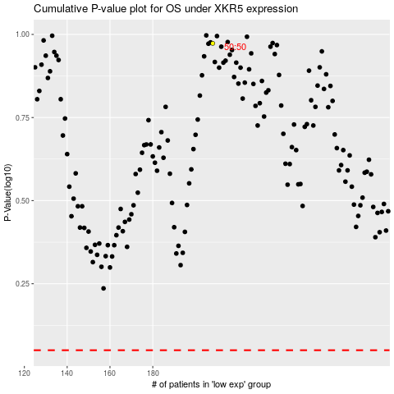

 |  |  |  |  |  | cases_OS | p_OS | rank | exp
 |  |  |  |  |  |  | cases_RFS | p_RFS | rank | exp

