XKR8 _multivariate
Reported by Tex Li-Hsing Chi. tex@gate.sinica.edu.tw 2019-08-14

Table 2. The clinicopathological features of HNSCC cohort and XKR8 expression. (Chi square test)
Cutoff at -0.405 (40.6%)
 |  | XKR8 expression |  | XKR8 expression |  | (Optimised)
 | Features | Low | (%) | High | (%) | Case no | P-value | Remark | Matthews
Gender | Female | 133 | 32 | 173 | 41.7 | 415 | 0.05 | 1 | 0
2 | Male | 35 | 8.4 | 74 | 17.8
Age at diagnosis | <=65y | 112 | 27 | 162 | 39 | 415 | 0.9026 | 0 | 0
4 | >65y | 56 | 13.5 | 85 | 20.5
Clinical T Status | T1+T2 | 61 | 14.7 | 88 | 21.2 | 415 | 0.9697 | 0 | 0
6 | T3+T4 | 107 | 25.8 | 159 | 38.3
Clinical N Status | N0 | 84 | 20.2 | 132 | 31.8 | 415 | 0.5561 | 0 | 0
8 | N1-3 | 84 | 20.2 | 115 | 27.7
Clinical M Status | M0 | 166 | 40 | 246 | 59.3 | 415 | 0.5684 | 0 | 0
10 | M1 | 2 | 0.5 | 1 | 0.2
Clinical Stage | Stage I+II | 40 | 9.6 | 62 | 14.9 | 415 | 0.8541 | 0 | 0
12 | Stage III+IV | 128 | 30.8 | 185 | 44.6
Surgical Margin status | Negative | 124 | 29.9 | 194 | 46.7 | 415 | 0.2883 | 0 | 0
14 | Positive | 44 | 10.6 | 53 | 12.8
Tobacco Exposure | Low | 67 | 16.1 | 94 | 22.7 | 415 | 0.7584 | 0 | 0
16 | High | 101 | 24.3 | 153 | 36.9

Table 3. Univariate/Multivariate Cox's proportional hazards regression analyses on OS time of XKR8 gene expression in HNSCC

 |  | Univariate |  |  |  | Multivariate
 | Features | HR | CI95%(L) | CI95%(H) | P-value | HR | CI95%(L) | CI95%(H) | P-value
1 | Female | 1 |  |  |  | 1
Gender | Male | 1.157 | 0.843 | 1.587 | 0.367 | 1.253 | 0.893 | 1.759 | 0.192
11 | <=65y | 1 |  |  |  | 1
Age at diagnosis | >65y | 1.329 | 0.99 | 1.784 | 0.058 | 1.378 | 1.014 | 1.871 | 0.04
12 | T1+T2 | 1 |  |  |  | 1
Clinical T Status | T3+T4 | 1.409 | 1.028 | 1.931 | 0.033 | 2.189 | 1.157 | 4.141 | 0.016
13 | N0 | 1 |  |  |  | 1
Clinical N Status | N1-3 | 1.185 | 0.89 | 1.577 | 0.246 | 1.218 | 0.853 | 1.739 | 0.279
14 | M0 | 1 |  |  |  | 1
Clinical M Status | M1 | 4.097 | 1.009 | 16.644 | 0.049 | 9.015 | 1.966 | 41.347 | 0.005
15 | Stage I+II | 1 |  |  |  | 1
Clinical Stage | Stage III+IV | 1.245 | 0.882 | 1.759 | 0.213 | 0.5 | 0.233 | 1.075 | 0.076
16 | Negative | 1 |  |  |  | 1
Surgical Margin status | Positive | 1.591 | 1.155 | 2.191 | 0.004 | 1.671 | 1.209 | 2.309 | 0.002
17 | Low | 1 |  |  |  | 1
Tobacco Exposure | High | 1.364 | 1.008 | 1.844 | 0.044 | 1.489 | 1.079 | 2.053 | 0.015
18 | Low | 1 |  |  |  | 1
RNAseq(z-score) | High | 0.748 | 0.561 | 0.997 | 0.048 | 0.752 | 0.562 | 1.008 | 0.057

Table 4. Univariate/Multivariate Cox's proportional hazards regression analyses on RFS time of XKR8 gene expression in HNSCC

 |  | Univariate |  |  |  | Multivariate
 | Features | HR | CI95%(L) | CI95%(H) | P-value | HR | CI95%(L) | CI95%(H) | P-value
1 | Female | 1 |  |  |  | 1
Gender | Male | 1.157 | 0.843 | 1.587 | 0.367 | 1.253 | 0.893 | 1.759 | 0.192
11 | <=65y | 1 |  |  |  | 1
Age at diagnosis | >65y | 1.329 | 0.99 | 1.784 | 0.058 | 1.378 | 1.014 | 1.871 | 0.04
12 | T1+T2 | 1 |  |  |  | 1
Clinical T Status | T3+T4 | 1.409 | 1.028 | 1.931 | 0.033 | 2.189 | 1.157 | 4.141 | 0.016
13 | N0 | 1 |  |  |  | 1
Clinical N Status | N1-3 | 1.185 | 0.89 | 1.577 | 0.246 | 1.218 | 0.853 | 1.739 | 0.279
14 | M0 | 1 |  |  |  | 1
Clinical M Status | M1 | 4.097 | 1.009 | 16.644 | 0.049 | 9.015 | 1.966 | 41.347 | 0.005
15 | Stage I+II | 1 |  |  |  | 1
Clinical Stage | Stage III+IV | 1.245 | 0.882 | 1.759 | 0.213 | 0.5 | 0.233 | 1.075 | 0.076
16 | Negative | 1 |  |  |  | 1
Surgical Margin status | Positive | 1.591 | 1.155 | 2.191 | 0.004 | 1.671 | 1.209 | 2.309 | 0.002
17 | Low | 1 |  |  |  | 1
Tobacco Exposure | High | 1.364 | 1.008 | 1.844 | 0.044 | 1.489 | 1.079 | 2.053 | 0.015
18 | Low | 1 |  |  |  | 1
RNAseq(z-score) | High | 0.748 | 0.561 | 0.997 | 0.048 | 0.752 | 0.562 | 1.008 | 0.057

Kaplan-Meier survival estimate: Cutoff at -0.405 (40.6%)



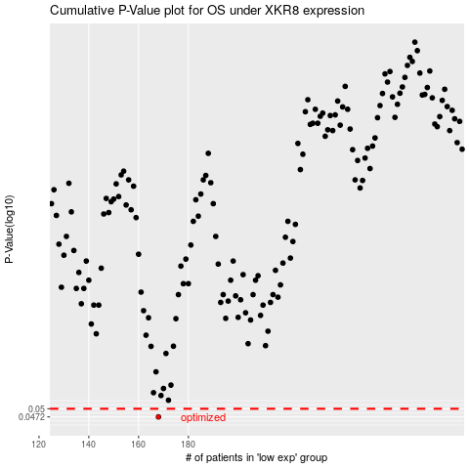

 |  |  |  |  |  | cases_OS | p_OS | rank | exp
 |  |  |  |  |  | 168 | 0.0472 | 317 | -0.40503761551
 |  |  |  |  |  |  | cases_RFS | p_RFS | rank | exp
 |  |  |  |  |  |  | 167 | 0.0472 | 285 | -0.40773639908

