XKR9 _multivariate
Reported by Tex Li-Hsing Chi. tex@gate.sinica.edu.tw 2019-08-14

Table 2. The clinicopathological features of HNSCC cohort and XKR9 expression. (Chi square test)
Cutoff at -0.203 (50.0%)
 |  | XKR9 expression |  | XKR9 expression |  | (Optimised)
 | Features | Low | (%) | High | (%) | Case no | P-value | Remark | Matthews
Gender | Female | 149 | 35.9 | 157 | 37.8 | 415 | 0.4848 | 0 | 0
2 | Male | 58 | 14 | 51 | 12.3
Age at diagnosis | <=65y | 131 | 31.6 | 143 | 34.5 | 415 | 0.2839 | 0 | 0
4 | >65y | 76 | 18.3 | 65 | 15.7
Clinical T Status | T1+T2 | 78 | 18.8 | 71 | 17.1 | 415 | 0.5152 | 0 | 0
6 | T3+T4 | 129 | 31.1 | 137 | 33
Clinical N Status | N0 | 111 | 26.7 | 105 | 25.3 | 415 | 0.5875 | 0 | 0
8 | N1-3 | 96 | 23.1 | 103 | 24.8
Clinical M Status | M0 | 206 | 49.6 | 206 | 49.6 | 415 | 1 | 0 | 0
10 | M1 | 1 | 0.2 | 2 | 0.5
Clinical Stage | Stage I+II | 53 | 12.8 | 49 | 11.8 | 415 | 0.7113 | 0 | 0
12 | Stage III+IV | 154 | 37.1 | 159 | 38.3
Surgical Margin status | Negative | 157 | 37.8 | 161 | 38.8 | 415 | 0.729 | 0 | 0
14 | Positive | 50 | 12 | 47 | 11.3
Tobacco Exposure | Low | 74 | 17.8 | 87 | 21 | 415 | 0.227 | 0 | 0
16 | High | 133 | 32 | 121 | 29.2

Table 3. Univariate/Multivariate Cox's proportional hazards regression analyses on OS time of XKR9 gene expression in HNSCC

 |  | Univariate |  |  |  | Multivariate
 | Features | HR | CI95%(L) | CI95%(H) | P-value | HR | CI95%(L) | CI95%(H) | P-value
1 | Female | 1 |  |  |  | 1
Gender | Male | 1.157 | 0.843 | 1.587 | 0.367 | 1.225 | 0.875 | 1.715 | 0.237
11 | <=65y | 1 |  |  |  | 1
Age at diagnosis | >65y | 1.329 | 0.99 | 1.784 | 0.058 | 1.393 | 1.024 | 1.894 | 0.035
12 | T1+T2 | 1 |  |  |  | 1
Clinical T Status | T3+T4 | 1.409 | 1.028 | 1.931 | 0.033 | 2.182 | 1.153 | 4.128 | 0.016
13 | N0 | 1 |  |  |  | 1
Clinical N Status | N1-3 | 1.185 | 0.89 | 1.577 | 0.246 | 1.211 | 0.846 | 1.732 | 0.295
14 | M0 | 1 |  |  |  | 1
Clinical M Status | M1 | 4.097 | 1.009 | 16.644 | 0.049 | 9.299 | 2.028 | 42.636 | 0.004
15 | Stage I+II | 1 |  |  |  | 1
Clinical Stage | Stage III+IV | 1.245 | 0.882 | 1.759 | 0.213 | 0.511 | 0.238 | 1.099 | 0.086
16 | Negative | 1 |  |  |  | 1
Surgical Margin status | Positive | 1.591 | 1.155 | 2.191 | 0.004 | 1.684 | 1.219 | 2.328 | 0.002
17 | Low | 1 |  |  |  | 1
Tobacco Exposure | High | 1.364 | 1.008 | 1.844 | 0.044 | 1.483 | 1.074 | 2.05 | 0.017
18 | Low | 1 |  |  |  | 1
RNAseq(z-score) | High | 1.144 | 0.858 | 1.526 | 0.36 | 1.184 | 0.884 | 1.587 | 0.257

Table 4. Univariate/Multivariate Cox's proportional hazards regression analyses on RFS time of XKR9 gene expression in HNSCC

 |  | Univariate |  |  |  | Multivariate
 | Features | HR | CI95%(L) | CI95%(H) | P-value | HR | CI95%(L) | CI95%(H) | P-value
1 | Female | 1 |  |  |  | 1
Gender | Male | 1.157 | 0.843 | 1.587 | 0.367 | 1.225 | 0.875 | 1.715 | 0.237
11 | <=65y | 1 |  |  |  | 1
Age at diagnosis | >65y | 1.329 | 0.99 | 1.784 | 0.058 | 1.393 | 1.024 | 1.894 | 0.035
12 | T1+T2 | 1 |  |  |  | 1
Clinical T Status | T3+T4 | 1.409 | 1.028 | 1.931 | 0.033 | 2.182 | 1.153 | 4.128 | 0.016
13 | N0 | 1 |  |  |  | 1
Clinical N Status | N1-3 | 1.185 | 0.89 | 1.577 | 0.246 | 1.211 | 0.846 | 1.732 | 0.295
14 | M0 | 1 |  |  |  | 1
Clinical M Status | M1 | 4.097 | 1.009 | 16.644 | 0.049 | 9.299 | 2.028 | 42.636 | 0.004
15 | Stage I+II | 1 |  |  |  | 1
Clinical Stage | Stage III+IV | 1.245 | 0.882 | 1.759 | 0.213 | 0.511 | 0.238 | 1.099 | 0.086
16 | Negative | 1 |  |  |  | 1
Surgical Margin status | Positive | 1.591 | 1.155 | 2.191 | 0.004 | 1.684 | 1.219 | 2.328 | 0.002
17 | Low | 1 |  |  |  | 1
Tobacco Exposure | High | 1.364 | 1.008 | 1.844 | 0.044 | 1.483 | 1.074 | 2.05 | 0.017
18 | Low | 1 |  |  |  | 1
RNAseq(z-score) | High | 1.144 | 0.858 | 1.526 | 0.36 | 1.184 | 0.884 | 1.587 | 0.257

Kaplan-Meier survival estimate: Cutoff at -0.203 (50.0%)



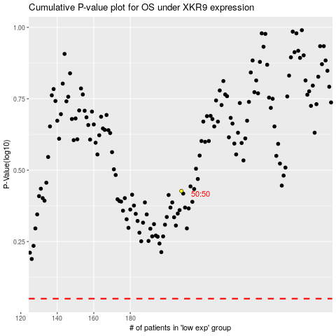

 |  |  |  |  |  | cases_OS | p_OS | rank | exp
 |  |  |  |  |  |  | cases_RFS | p_RFS | rank | exp

