XPA _multivariate
Reported by Tex Li-Hsing Chi. tex@gate.sinica.edu.tw 2019-08-14

Table 2. The clinicopathological features of HNSCC cohort and XPA expression. (Chi square test)
Cutoff at -0.499 (37.2%)
 |  | XPA expression |  | XPA expression |  | (Optimised)
 | Features | Low | (%) | High | (%) | Case no | P-value | Remark | Matthews
Gender | Female | 117 | 28.2 | 189 | 45.5 | 415 | 0.6102 | 0 | 0
2 | Male | 38 | 9.2 | 71 | 17.1
Age at diagnosis | <=65y | 103 | 24.8 | 171 | 41.2 | 415 | 0.9722 | 0 | 0
4 | >65y | 52 | 12.5 | 89 | 21.4
Clinical T Status | T1+T2 | 50 | 12 | 99 | 23.9 | 415 | 0.2759 | 0 | 0
6 | T3+T4 | 105 | 25.3 | 161 | 38.8
Clinical N Status | N0 | 71 | 17.1 | 145 | 34.9 | 415 | 0.0624 | 0 | 0
8 | N1-3 | 84 | 20.2 | 115 | 27.7
Clinical M Status | M0 | 154 | 37.1 | 258 | 62.2 | 415 | 1 | 0 | 0
10 | M1 | 1 | 0.2 | 2 | 0.5
Clinical Stage | Stage I+II | 34 | 8.2 | 68 | 16.4 | 415 | 0.3966 | 0 | 0
12 | Stage III+IV | 121 | 29.2 | 192 | 46.3
Surgical Margin status | Negative | 114 | 27.5 | 204 | 49.2 | 415 | 0.281 | 0 | 0
14 | Positive | 41 | 9.9 | 56 | 13.5
Tobacco Exposure | Low | 65 | 15.7 | 96 | 23.1 | 415 | 0.3488 | 0 | 0
16 | High | 90 | 21.7 | 164 | 39.5

Table 3. Univariate/Multivariate Cox's proportional hazards regression analyses on OS time of XPA gene expression in HNSCC

 |  | Univariate |  |  |  | Multivariate
 | Features | HR | CI95%(L) | CI95%(H) | P-value | HR | CI95%(L) | CI95%(H) | P-value
1 | Female | 1 |  |  |  | 1
Gender | Male | 1.157 | 0.843 | 1.587 | 0.367 | 1.208 | 0.865 | 1.687 | 0.267
11 | <=65y | 1 |  |  |  | 1
Age at diagnosis | >65y | 1.329 | 0.99 | 1.784 | 0.058 | 1.42 | 1.043 | 1.933 | 0.026
12 | T1+T2 | 1 |  |  |  | 1
Clinical T Status | T3+T4 | 1.409 | 1.028 | 1.931 | 0.033 | 2.164 | 1.145 | 4.09 | 0.017
13 | N0 | 1 |  |  |  | 1
Clinical N Status | N1-3 | 1.185 | 0.89 | 1.577 | 0.246 | 1.242 | 0.87 | 1.772 | 0.233
14 | M0 | 1 |  |  |  | 1
Clinical M Status | M1 | 4.097 | 1.009 | 16.644 | 0.049 | 9.245 | 2.016 | 42.408 | 0.004
15 | Stage I+II | 1 |  |  |  | 1
Clinical Stage | Stage III+IV | 1.245 | 0.882 | 1.759 | 0.213 | 0.504 | 0.235 | 1.082 | 0.079
16 | Negative | 1 |  |  |  | 1
Surgical Margin status | Positive | 1.591 | 1.155 | 2.191 | 0.004 | 1.647 | 1.192 | 2.276 | 0.002
17 | Low | 1 |  |  |  | 1
Tobacco Exposure | High | 1.364 | 1.008 | 1.844 | 0.044 | 1.494 | 1.083 | 2.06 | 0.014
18 | Low | 1 |  |  |  | 1
RNAseq(z-score) | High | 0.742 | 0.555 | 0.992 | 0.044 | 0.746 | 0.557 | 1 | 0.05

Table 4. Univariate/Multivariate Cox's proportional hazards regression analyses on RFS time of XPA gene expression in HNSCC

 |  | Univariate |  |  |  | Multivariate
 | Features | HR | CI95%(L) | CI95%(H) | P-value | HR | CI95%(L) | CI95%(H) | P-value
1 | Female | 1 |  |  |  | 1
Gender | Male | 1.157 | 0.843 | 1.587 | 0.367 | 1.208 | 0.865 | 1.687 | 0.267
11 | <=65y | 1 |  |  |  | 1
Age at diagnosis | >65y | 1.329 | 0.99 | 1.784 | 0.058 | 1.42 | 1.043 | 1.933 | 0.026
12 | T1+T2 | 1 |  |  |  | 1
Clinical T Status | T3+T4 | 1.409 | 1.028 | 1.931 | 0.033 | 2.164 | 1.145 | 4.09 | 0.017
13 | N0 | 1 |  |  |  | 1
Clinical N Status | N1-3 | 1.185 | 0.89 | 1.577 | 0.246 | 1.242 | 0.87 | 1.772 | 0.233
14 | M0 | 1 |  |  |  | 1
Clinical M Status | M1 | 4.097 | 1.009 | 16.644 | 0.049 | 9.245 | 2.016 | 42.408 | 0.004
15 | Stage I+II | 1 |  |  |  | 1
Clinical Stage | Stage III+IV | 1.245 | 0.882 | 1.759 | 0.213 | 0.504 | 0.235 | 1.082 | 0.079
16 | Negative | 1 |  |  |  | 1
Surgical Margin status | Positive | 1.591 | 1.155 | 2.191 | 0.004 | 1.647 | 1.192 | 2.276 | 0.002
17 | Low | 1 |  |  |  | 1
Tobacco Exposure | High | 1.364 | 1.008 | 1.844 | 0.044 | 1.494 | 1.083 | 2.06 | 0.014
18 | Low | 1 |  |  |  | 1
RNAseq(z-score) | High | 0.742 | 0.555 | 0.992 | 0.044 | 0.746 | 0.557 | 1 | 0.05

Kaplan-Meier survival estimate: Cutoff at -0.499 (37.2%)



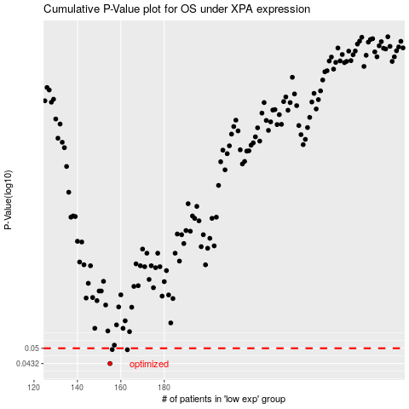

 |  |  |  |  |  | cases_OS | p_OS | rank | exp
 |  |  |  |  |  | 155 | 0.0432 | 367 | -0.49910179324
 |  |  |  |  |  | 163 | 0.0493 | 167 | -0.4732377367
 |  |  |  |  |  | 156 | 0.0494 | 277 | -0.49897565727
 |  |  |  |  |  |  | cases_RFS | p_RFS | rank | exp
 |  |  |  |  |  |  | 154 | 0.0432 | 223 | -0.50362784856
 |  |  |  |  |  |  | 162 | 0.0493 | 62 | -0.47389067583
 |  |  |  |  |  |  | 155 | 0.0494 | 367 | -0.49910179324

