XPNPEP3 _multivariate
Reported by Tex Li-Hsing Chi. tex@gate.sinica.edu.tw 2019-08-14

Table 2. The clinicopathological features of HNSCC cohort and XPNPEP3 expression. (Chi square test)
Cutoff at 0.052 (59.4%)
 |  | XPNPEP3 expression |  | XPNPEP3 expression |  | (Optimised)
 | Features | Low | (%) | High | (%) | Case no | P-value | Remark | Matthews
Gender | Female | 176 | 42.4 | 130 | 31.3 | 415 | 0.2011 | 0 | 0
2 | Male | 71 | 17.1 | 38 | 9.2
Age at diagnosis | <=65y | 164 | 39.5 | 110 | 26.5 | 415 | 0.9293 | 0 | 0
4 | >65y | 83 | 20 | 58 | 14
Clinical T Status | T1+T2 | 98 | 23.6 | 51 | 12.3 | 415 | 0.066 | 0 | 0
6 | T3+T4 | 149 | 35.9 | 117 | 28.2
Clinical N Status | N0 | 127 | 30.6 | 89 | 21.4 | 415 | 0.8321 | 0 | 0
8 | N1-3 | 120 | 28.9 | 79 | 19
Clinical M Status | M0 | 246 | 59.3 | 166 | 40 | 415 | 0.5684 | 0 | 0
10 | M1 | 1 | 0.2 | 2 | 0.5
Clinical Stage | Stage I+II | 70 | 16.9 | 32 | 7.7 | 415 | 0.0411 | 1 | 0
12 | Stage III+IV | 177 | 42.7 | 136 | 32.8
Surgical Margin status | Negative | 187 | 45.1 | 131 | 31.6 | 415 | 0.6374 | 0 | 0
14 | Positive | 60 | 14.5 | 37 | 8.9
Tobacco Exposure | Low | 112 | 27 | 49 | 11.8 | 415 | 0.001 | 1 | 0
16 | High | 135 | 32.5 | 119 | 28.7

Table 3. Univariate/Multivariate Cox's proportional hazards regression analyses on OS time of XPNPEP3 gene expression in HNSCC

 |  | Univariate |  |  |  | Multivariate
 | Features | HR | CI95%(L) | CI95%(H) | P-value | HR | CI95%(L) | CI95%(H) | P-value
1 | Female | 1 |  |  |  | 1
Gender | Male | 1.157 | 0.843 | 1.587 | 0.367 | 1.217 | 0.872 | 1.7 | 0.248
11 | <=65y | 1 |  |  |  | 1
Age at diagnosis | >65y | 1.329 | 0.99 | 1.784 | 0.058 | 1.39 | 1.022 | 1.891 | 0.036
12 | T1+T2 | 1 |  |  |  | 1
Clinical T Status | T3+T4 | 1.409 | 1.028 | 1.931 | 0.033 | 2.161 | 1.143 | 4.085 | 0.018
13 | N0 | 1 |  |  |  | 1
Clinical N Status | N1-3 | 1.185 | 0.89 | 1.577 | 0.246 | 1.264 | 0.884 | 1.807 | 0.199
14 | M0 | 1 |  |  |  | 1
Clinical M Status | M1 | 4.097 | 1.009 | 16.644 | 0.049 | 8.403 | 1.824 | 38.715 | 0.006
15 | Stage I+II | 1 |  |  |  | 1
Clinical Stage | Stage III+IV | 1.245 | 0.882 | 1.759 | 0.213 | 0.486 | 0.226 | 1.045 | 0.065
16 | Negative | 1 |  |  |  | 1
Surgical Margin status | Positive | 1.591 | 1.155 | 2.191 | 0.004 | 1.667 | 1.207 | 2.303 | 0.002
17 | Low | 1 |  |  |  | 1
Tobacco Exposure | High | 1.364 | 1.008 | 1.844 | 0.044 | 1.423 | 1.033 | 1.961 | 0.031
18 | Low | 1 |  |  |  | 1
RNAseq(z-score) | High | 1.368 | 1.024 | 1.827 | 0.034 | 1.297 | 0.964 | 1.745 | 0.086

Table 4. Univariate/Multivariate Cox's proportional hazards regression analyses on RFS time of XPNPEP3 gene expression in HNSCC

 |  | Univariate |  |  |  | Multivariate
 | Features | HR | CI95%(L) | CI95%(H) | P-value | HR | CI95%(L) | CI95%(H) | P-value
1 | Female | 1 |  |  |  | 1
Gender | Male | 1.157 | 0.843 | 1.587 | 0.367 | 1.217 | 0.872 | 1.7 | 0.248
11 | <=65y | 1 |  |  |  | 1
Age at diagnosis | >65y | 1.329 | 0.99 | 1.784 | 0.058 | 1.39 | 1.022 | 1.891 | 0.036
12 | T1+T2 | 1 |  |  |  | 1
Clinical T Status | T3+T4 | 1.409 | 1.028 | 1.931 | 0.033 | 2.161 | 1.143 | 4.085 | 0.018
13 | N0 | 1 |  |  |  | 1
Clinical N Status | N1-3 | 1.185 | 0.89 | 1.577 | 0.246 | 1.264 | 0.884 | 1.807 | 0.199
14 | M0 | 1 |  |  |  | 1
Clinical M Status | M1 | 4.097 | 1.009 | 16.644 | 0.049 | 8.403 | 1.824 | 38.715 | 0.006
15 | Stage I+II | 1 |  |  |  | 1
Clinical Stage | Stage III+IV | 1.245 | 0.882 | 1.759 | 0.213 | 0.486 | 0.226 | 1.045 | 0.065
16 | Negative | 1 |  |  |  | 1
Surgical Margin status | Positive | 1.591 | 1.155 | 2.191 | 0.004 | 1.667 | 1.207 | 2.303 | 0.002
17 | Low | 1 |  |  |  | 1
Tobacco Exposure | High | 1.364 | 1.008 | 1.844 | 0.044 | 1.423 | 1.033 | 1.961 | 0.031
18 | Low | 1 |  |  |  | 1
RNAseq(z-score) | High | 1.368 | 1.024 | 1.827 | 0.034 | 1.297 | 0.964 | 1.745 | 0.086

Kaplan-Meier survival estimate: Cutoff at 0.052 (59.4%)



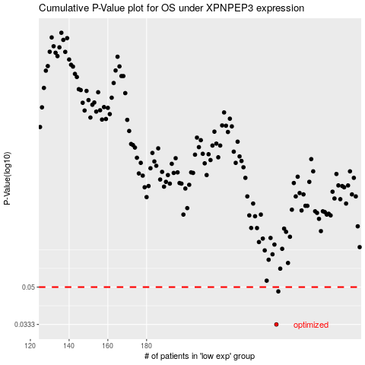

 |  |  |  |  |  | cases_OS | p_OS | rank | exp
 |  |  |  |  |  | 247 | 0.0333 | 225 | 0.051527355562
 |  |  |  |  |  | 248 | 0.0477 | 361 | 0.053125406386
 |  |  |  |  |  |  | cases_RFS | p_RFS | rank | exp
 |  |  |  |  |  |  | 246 | 0.0333 | 245 | 0.042403316149
 |  |  |  |  |  |  | 247 | 0.0477 | 225 | 0.051527355562

