XPO1 _multivariate
Reported by Tex Li-Hsing Chi. tex@gate.sinica.edu.tw 2019-08-14

Table 2. The clinicopathological features of HNSCC cohort and XPO1 expression. (Chi square test)
Cutoff at -0.084 (49.8%)
 |  | XPO1 expression |  | XPO1 expression |  | (Optimised)
 | Features | Low | (%) | High | (%) | Case no | P-value | Remark | Matthews
Gender | Female | 140 | 33.7 | 166 | 40 | 415 | 0.0068 | 1 | 0
2 | Male | 67 | 16.1 | 42 | 10.1
Age at diagnosis | <=65y | 135 | 32.5 | 139 | 33.5 | 415 | 0.8084 | 0 | 0
4 | >65y | 72 | 17.3 | 69 | 16.6
Clinical T Status | T1+T2 | 83 | 20 | 66 | 15.9 | 415 | 0.0941 | 0 | 0
6 | T3+T4 | 124 | 29.9 | 142 | 34.2
Clinical N Status | N0 | 114 | 27.5 | 102 | 24.6 | 415 | 0.2576 | 1 | 0
8 | N1-3 | 93 | 22.4 | 106 | 25.5
Clinical M Status | M0 | 205 | 49.4 | 207 | 49.9 | 415 | 0.6232 | 0 | 0
10 | M1 | 2 | 0.5 | 1 | 0.2
Clinical Stage | Stage I+II | 59 | 14.2 | 43 | 10.4 | 415 | 0.0822 | 0 | 0
12 | Stage III+IV | 148 | 35.7 | 165 | 39.8
Surgical Margin status | Negative | 169 | 40.7 | 149 | 35.9 | 415 | 0.0201 | 1 | 0
14 | Positive | 38 | 9.2 | 59 | 14.2
Tobacco Exposure | Low | 93 | 22.4 | 68 | 16.4 | 415 | 0.0118 | 1 | 0
16 | High | 114 | 27.5 | 140 | 33.7

Table 3. Univariate/Multivariate Cox's proportional hazards regression analyses on OS time of XPO1 gene expression in HNSCC

 |  | Univariate |  |  |  | Multivariate
 | Features | HR | CI95%(L) | CI95%(H) | P-value | HR | CI95%(L) | CI95%(H) | P-value
1 | Female | 1 |  |  |  | 1
Gender | Male | 1.157 | 0.843 | 1.587 | 0.367 | 1.244 | 0.886 | 1.746 | 0.207
11 | <=65y | 1 |  |  |  | 1
Age at diagnosis | >65y | 1.329 | 0.99 | 1.784 | 0.058 | 1.402 | 1.031 | 1.908 | 0.031
12 | T1+T2 | 1 |  |  |  | 1
Clinical T Status | T3+T4 | 1.409 | 1.028 | 1.931 | 0.033 | 2.195 | 1.161 | 4.151 | 0.016
13 | N0 | 1 |  |  |  | 1
Clinical N Status | N1-3 | 1.185 | 0.89 | 1.577 | 0.246 | 1.25 | 0.876 | 1.785 | 0.219
14 | M0 | 1 |  |  |  | 1
Clinical M Status | M1 | 4.097 | 1.009 | 16.644 | 0.049 | 10.026 | 2.178 | 46.16 | 0.003
15 | Stage I+II | 1 |  |  |  | 1
Clinical Stage | Stage III+IV | 1.245 | 0.882 | 1.759 | 0.213 | 0.495 | 0.23 | 1.063 | 0.071
16 | Negative | 1 |  |  |  | 1
Surgical Margin status | Positive | 1.591 | 1.155 | 2.191 | 0.004 | 1.628 | 1.175 | 2.257 | 0.003
17 | Low | 1 |  |  |  | 1
Tobacco Exposure | High | 1.364 | 1.008 | 1.844 | 0.044 | 1.459 | 1.058 | 2.011 | 0.021
18 | Low | 1 |  |  |  | 1
RNAseq(z-score) | High | 1.197 | 0.898 | 1.596 | 0.219 | 1.192 | 0.884 | 1.608 | 0.25

Table 4. Univariate/Multivariate Cox's proportional hazards regression analyses on RFS time of XPO1 gene expression in HNSCC

 |  | Univariate |  |  |  | Multivariate
 | Features | HR | CI95%(L) | CI95%(H) | P-value | HR | CI95%(L) | CI95%(H) | P-value
1 | Female | 1 |  |  |  | 1
Gender | Male | 1.157 | 0.843 | 1.587 | 0.367 | 1.244 | 0.886 | 1.746 | 0.207
11 | <=65y | 1 |  |  |  | 1
Age at diagnosis | >65y | 1.329 | 0.99 | 1.784 | 0.058 | 1.402 | 1.031 | 1.908 | 0.031
12 | T1+T2 | 1 |  |  |  | 1
Clinical T Status | T3+T4 | 1.409 | 1.028 | 1.931 | 0.033 | 2.195 | 1.161 | 4.151 | 0.016
13 | N0 | 1 |  |  |  | 1
Clinical N Status | N1-3 | 1.185 | 0.89 | 1.577 | 0.246 | 1.25 | 0.876 | 1.785 | 0.219
14 | M0 | 1 |  |  |  | 1
Clinical M Status | M1 | 4.097 | 1.009 | 16.644 | 0.049 | 10.026 | 2.178 | 46.16 | 0.003
15 | Stage I+II | 1 |  |  |  | 1
Clinical Stage | Stage III+IV | 1.245 | 0.882 | 1.759 | 0.213 | 0.495 | 0.23 | 1.063 | 0.071
16 | Negative | 1 |  |  |  | 1
Surgical Margin status | Positive | 1.591 | 1.155 | 2.191 | 0.004 | 1.628 | 1.175 | 2.257 | 0.003
17 | Low | 1 |  |  |  | 1
Tobacco Exposure | High | 1.364 | 1.008 | 1.844 | 0.044 | 1.459 | 1.058 | 2.011 | 0.021
18 | Low | 1 |  |  |  | 1
RNAseq(z-score) | High | 1.197 | 0.898 | 1.596 | 0.219 | 1.192 | 0.884 | 1.608 | 0.25

Kaplan-Meier survival estimate: Cutoff at -0.084 (49.8%)



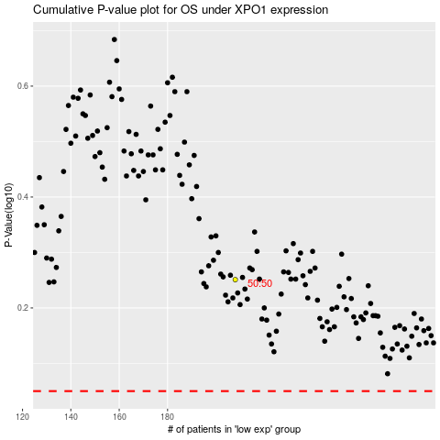

 |  |  |  |  |  | cases_OS | p_OS | rank | exp
 |  |  |  |  |  |  | cases_RFS | p_RFS | rank | exp

