XPO4 _multivariate
Reported by Tex Li-Hsing Chi. tex@gate.sinica.edu.tw 2019-08-14

Table 2. The clinicopathological features of HNSCC cohort and XPO4 expression. (Chi square test)
Cutoff at 0.241 (69.1%)
 |  | XPO4 expression |  | XPO4 expression |  | (Optimised)
 | Features | Low | (%) | High | (%) | Case no | P-value | Remark | Matthews
Gender | Female | 212 | 51.1 | 94 | 22.7 | 415 | 1 | 0 | 0
2 | Male | 75 | 18.1 | 34 | 8.2
Age at diagnosis | <=65y | 193 | 46.5 | 81 | 19.5 | 415 | 0.4993 | 0 | 0
4 | >65y | 94 | 22.7 | 47 | 11.3
Clinical T Status | T1+T2 | 96 | 23.1 | 53 | 12.8 | 415 | 0.1471 | 0 | 0
6 | T3+T4 | 191 | 46 | 75 | 18.1
Clinical N Status | N0 | 146 | 35.2 | 70 | 16.9 | 415 | 0.5403 | 0 | 0
8 | N1-3 | 141 | 34 | 58 | 14
Clinical M Status | M0 | 284 | 68.4 | 128 | 30.8 | 415 | 0.5558 | 0 | 0
10 | M1 | 3 | 0.7 | 0 | 0
Clinical Stage | Stage I+II | 66 | 15.9 | 36 | 8.7 | 415 | 0.3186 | 0 | 0
12 | Stage III+IV | 221 | 53.3 | 92 | 22.2
Surgical Margin status | Negative | 219 | 52.8 | 99 | 23.9 | 415 | 0.9002 | 0 | 0
14 | Positive | 68 | 16.4 | 29 | 7
Tobacco Exposure | Low | 115 | 27.7 | 46 | 11.1 | 415 | 0.4468 | 0 | 0
16 | High | 172 | 41.4 | 82 | 19.8

Table 3. Univariate/Multivariate Cox's proportional hazards regression analyses on OS time of XPO4 gene expression in HNSCC

 |  | Univariate |  |  |  | Multivariate
 | Features | HR | CI95%(L) | CI95%(H) | P-value | HR | CI95%(L) | CI95%(H) | P-value
1 | Female | 1 |  |  |  | 1
Gender | Male | 1.157 | 0.843 | 1.587 | 0.367 | 1.239 | 0.885 | 1.733 | 0.212
11 | <=65y | 1 |  |  |  | 1
Age at diagnosis | >65y | 1.329 | 0.99 | 1.784 | 0.058 | 1.382 | 1.018 | 1.877 | 0.038
12 | T1+T2 | 1 |  |  |  | 1
Clinical T Status | T3+T4 | 1.409 | 1.028 | 1.931 | 0.033 | 2.377 | 1.254 | 4.504 | 0.008
13 | N0 | 1 |  |  |  | 1
Clinical N Status | N1-3 | 1.185 | 0.89 | 1.577 | 0.246 | 1.279 | 0.896 | 1.825 | 0.175
14 | M0 | 1 |  |  |  | 1
Clinical M Status | M1 | 4.097 | 1.009 | 16.644 | 0.049 | 11.615 | 2.511 | 53.724 | 0.002
15 | Stage I+II | 1 |  |  |  | 1
Clinical Stage | Stage III+IV | 1.245 | 0.882 | 1.759 | 0.213 | 0.478 | 0.222 | 1.029 | 0.059
16 | Negative | 1 |  |  |  | 1
Surgical Margin status | Positive | 1.591 | 1.155 | 2.191 | 0.004 | 1.677 | 1.214 | 2.317 | 0.002
17 | Low | 1 |  |  |  | 1
Tobacco Exposure | High | 1.364 | 1.008 | 1.844 | 0.044 | 1.487 | 1.077 | 2.053 | 0.016
18 | Low | 1 |  |  |  | 1
RNAseq(z-score) | High | 1.407 | 1.047 | 1.892 | 0.024 | 1.543 | 1.142 | 2.086 | 0.005

Table 4. Univariate/Multivariate Cox's proportional hazards regression analyses on RFS time of XPO4 gene expression in HNSCC

 |  | Univariate |  |  |  | Multivariate
 | Features | HR | CI95%(L) | CI95%(H) | P-value | HR | CI95%(L) | CI95%(H) | P-value
1 | Female | 1 |  |  |  | 1
Gender | Male | 1.157 | 0.843 | 1.587 | 0.367 | 1.239 | 0.885 | 1.733 | 0.212
11 | <=65y | 1 |  |  |  | 1
Age at diagnosis | >65y | 1.329 | 0.99 | 1.784 | 0.058 | 1.382 | 1.018 | 1.877 | 0.038
12 | T1+T2 | 1 |  |  |  | 1
Clinical T Status | T3+T4 | 1.409 | 1.028 | 1.931 | 0.033 | 2.377 | 1.254 | 4.504 | 0.008
13 | N0 | 1 |  |  |  | 1
Clinical N Status | N1-3 | 1.185 | 0.89 | 1.577 | 0.246 | 1.279 | 0.896 | 1.825 | 0.175
14 | M0 | 1 |  |  |  | 1
Clinical M Status | M1 | 4.097 | 1.009 | 16.644 | 0.049 | 11.615 | 2.511 | 53.724 | 0.002
15 | Stage I+II | 1 |  |  |  | 1
Clinical Stage | Stage III+IV | 1.245 | 0.882 | 1.759 | 0.213 | 0.478 | 0.222 | 1.029 | 0.059
16 | Negative | 1 |  |  |  | 1
Surgical Margin status | Positive | 1.591 | 1.155 | 2.191 | 0.004 | 1.677 | 1.214 | 2.317 | 0.002
17 | Low | 1 |  |  |  | 1
Tobacco Exposure | High | 1.364 | 1.008 | 1.844 | 0.044 | 1.487 | 1.077 | 2.053 | 0.016
18 | Low | 1 |  |  |  | 1
RNAseq(z-score) | High | 1.407 | 1.047 | 1.892 | 0.024 | 1.543 | 1.142 | 2.086 | 0.005

Kaplan-Meier survival estimate: Cutoff at 0.241 (69.1%)

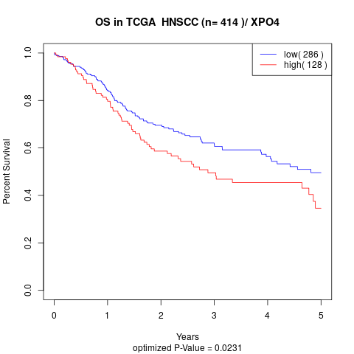

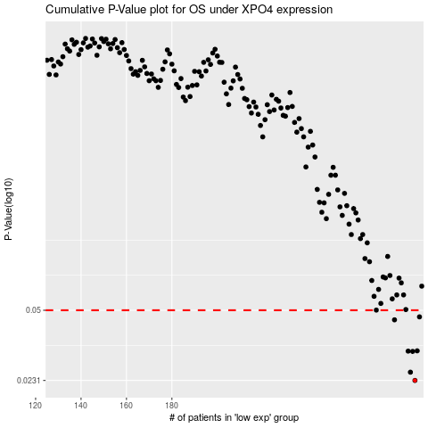

 |  |  |  |  |  | cases_OS | p_OS | rank | exp
 |  |  |  |  |  | 287 | 0.0231 | 67 | 0.24052031306
 |  |  |  |  |  | 285 | 0.0253 | 202 | 0.2331302889
 |  |  |  |  |  | 286 | 0.0318 | 122 | 0.24047889927
 |  |  |  |  |  | 284 | 0.0319 | 350 | 0.23264568073
 |  |  |  |  |  | 288 | 0.032 | 155 | 0.24307394097
 |  |  |  |  |  | 278 | 0.045 | 302 | 0.2104899695
 |  |  |  |  |  | 289 | 0.0465 | 210 | 0.25305700293
 |  |  |  |  |  |  | cases_RFS | p_RFS | rank | exp
 |  |  |  |  |  |  | 286 | 0.0231 | 122 | 0.24047889927
 |  |  |  |  |  |  | 284 | 0.0253 | 350 | 0.23264568073
 |  |  |  |  |  |  | 285 | 0.0318 | 202 | 0.2331302889
 |  |  |  |  |  |  | 283 | 0.0319 | 232 | 0.23163972634
 |  |  |  |  |  |  | 287 | 0.032 | 67 | 0.24052031306
 |  |  |  |  |  |  | 277 | 0.045 | 130 | 0.20930934242
 |  |  |  |  |  |  | 288 | 0.0465 | 155 | 0.24307394097

