XPO5 _multivariate
Reported by Tex Li-Hsing Chi. tex@gate.sinica.edu.tw 2019-08-14

Table 2. The clinicopathological features of HNSCC cohort and XPO5 expression. (Chi square test)
Cutoff at 0.117 (60.4%)
 |  | XPO5 expression |  | XPO5 expression |  | (Optimised)
 | Features | Low | (%) | High | (%) | Case no | P-value | Remark | Matthews
Gender | Female | 181 | 43.6 | 125 | 30.1 | 415 | 0.4147 | 0 | 0
2 | Male | 70 | 16.9 | 39 | 9.4
Age at diagnosis | <=65y | 157 | 37.8 | 117 | 28.2 | 415 | 0.0814 | 0 | 0
4 | >65y | 94 | 22.7 | 47 | 11.3
Clinical T Status | T1+T2 | 102 | 24.6 | 47 | 11.3 | 415 | 0.0172 | 1 | 0
6 | T3+T4 | 149 | 35.9 | 117 | 28.2
Clinical N Status | N0 | 133 | 32 | 83 | 20 | 415 | 0.7087 | 0 | 0
8 | N1-3 | 118 | 28.4 | 81 | 19.5
Clinical M Status | M0 | 249 | 60 | 163 | 39.3 | 415 | 1 | 0 | 0
10 | M1 | 2 | 0.5 | 1 | 0.2
Clinical Stage | Stage I+II | 67 | 16.1 | 35 | 8.4 | 415 | 0.2621 | 0 | 0
12 | Stage III+IV | 184 | 44.3 | 129 | 31.1
Surgical Margin status | Negative | 188 | 45.3 | 130 | 31.3 | 415 | 0.3432 | 0 | 0
14 | Positive | 63 | 15.2 | 34 | 8.2
Tobacco Exposure | Low | 111 | 26.7 | 50 | 12 | 415 | 0.0054 | 1 | 0
16 | High | 140 | 33.7 | 114 | 27.5

Table 3. Univariate/Multivariate Cox's proportional hazards regression analyses on OS time of XPO5 gene expression in HNSCC

 |  | Univariate |  |  |  | Multivariate
 | Features | HR | CI95%(L) | CI95%(H) | P-value | HR | CI95%(L) | CI95%(H) | P-value
1 | Female | 1 |  |  |  | 1
Gender | Male | 1.157 | 0.843 | 1.587 | 0.367 | 1.228 | 0.878 | 1.718 | 0.23
11 | <=65y | 1 |  |  |  | 1
Age at diagnosis | >65y | 1.329 | 0.99 | 1.784 | 0.058 | 1.463 | 1.071 | 1.997 | 0.017
12 | T1+T2 | 1 |  |  |  | 1
Clinical T Status | T3+T4 | 1.409 | 1.028 | 1.931 | 0.033 | 2.062 | 1.088 | 3.909 | 0.027
13 | N0 | 1 |  |  |  | 1
Clinical N Status | N1-3 | 1.185 | 0.89 | 1.577 | 0.246 | 1.235 | 0.864 | 1.764 | 0.248
14 | M0 | 1 |  |  |  | 1
Clinical M Status | M1 | 4.097 | 1.009 | 16.644 | 0.049 | 9.185 | 2.003 | 42.129 | 0.004
15 | Stage I+II | 1 |  |  |  | 1
Clinical Stage | Stage III+IV | 1.245 | 0.882 | 1.759 | 0.213 | 0.515 | 0.24 | 1.107 | 0.089
16 | Negative | 1 |  |  |  | 1
Surgical Margin status | Positive | 1.591 | 1.155 | 2.191 | 0.004 | 1.734 | 1.252 | 2.402 | 0.001
17 | Low | 1 |  |  |  | 1
Tobacco Exposure | High | 1.364 | 1.008 | 1.844 | 0.044 | 1.44 | 1.043 | 1.986 | 0.026
18 | Low | 1 |  |  |  | 1
RNAseq(z-score) | High | 1.361 | 1.021 | 1.814 | 0.036 | 1.392 | 1.032 | 1.875 | 0.03

Table 4. Univariate/Multivariate Cox's proportional hazards regression analyses on RFS time of XPO5 gene expression in HNSCC

 |  | Univariate |  |  |  | Multivariate
 | Features | HR | CI95%(L) | CI95%(H) | P-value | HR | CI95%(L) | CI95%(H) | P-value
1 | Female | 1 |  |  |  | 1
Gender | Male | 1.157 | 0.843 | 1.587 | 0.367 | 1.228 | 0.878 | 1.718 | 0.23
11 | <=65y | 1 |  |  |  | 1
Age at diagnosis | >65y | 1.329 | 0.99 | 1.784 | 0.058 | 1.463 | 1.071 | 1.997 | 0.017
12 | T1+T2 | 1 |  |  |  | 1
Clinical T Status | T3+T4 | 1.409 | 1.028 | 1.931 | 0.033 | 2.062 | 1.088 | 3.909 | 0.027
13 | N0 | 1 |  |  |  | 1
Clinical N Status | N1-3 | 1.185 | 0.89 | 1.577 | 0.246 | 1.235 | 0.864 | 1.764 | 0.248
14 | M0 | 1 |  |  |  | 1
Clinical M Status | M1 | 4.097 | 1.009 | 16.644 | 0.049 | 9.185 | 2.003 | 42.129 | 0.004
15 | Stage I+II | 1 |  |  |  | 1
Clinical Stage | Stage III+IV | 1.245 | 0.882 | 1.759 | 0.213 | 0.515 | 0.24 | 1.107 | 0.089
16 | Negative | 1 |  |  |  | 1
Surgical Margin status | Positive | 1.591 | 1.155 | 2.191 | 0.004 | 1.734 | 1.252 | 2.402 | 0.001
17 | Low | 1 |  |  |  | 1
Tobacco Exposure | High | 1.364 | 1.008 | 1.844 | 0.044 | 1.44 | 1.043 | 1.986 | 0.026
18 | Low | 1 |  |  |  | 1
RNAseq(z-score) | High | 1.361 | 1.021 | 1.814 | 0.036 | 1.392 | 1.032 | 1.875 | 0.03

Kaplan-Meier survival estimate: Cutoff at 0.117 (60.4%)



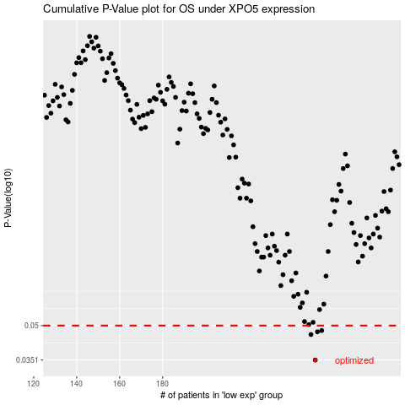

 |  |  |  |  |  | cases_OS | p_OS | rank | exp
 |  |  |  |  |  | 251 | 0.0351 | 62 | 0.11693884962
 |  |  |  |  |  | 249 | 0.0456 | 275 | 0.10652536375
 |  |  |  |  |  | 252 | 0.0469 | 181 | 0.12241935518
 |  |  |  |  |  | 254 | 0.0475 | 227 | 0.14404164937
 |  |  |  |  |  |  | cases_RFS | p_RFS | rank | exp
 |  |  |  |  |  |  | 250 | 0.0351 | 272 | 0.10799938936
 |  |  |  |  |  |  | 248 | 0.0456 | 352 | 0.10215716893
 |  |  |  |  |  |  | 251 | 0.0469 | 62 | 0.11693884962
 |  |  |  |  |  |  | 253 | 0.0475 | 42 | 0.13405456679

