XPO6 _multivariate
Reported by Tex Li-Hsing Chi. tex@gate.sinica.edu.tw 2019-08-14

Table 2. The clinicopathological features of HNSCC cohort and XPO6 expression. (Chi square test)
Cutoff at 0.005 (50.0%)
 |  | XPO6 expression |  | XPO6 expression |  | (Optimised)
 | Features | Low | (%) | High | (%) | Case no | P-value | Remark | Matthews
Gender | Female | 152 | 36.6 | 154 | 37.1 | 415 | 0.9766 | 0 | 0
2 | Male | 55 | 13.3 | 54 | 13
Age at diagnosis | <=65y | 137 | 33 | 137 | 33 | 415 | 1 | 0 | 0
4 | >65y | 70 | 16.9 | 71 | 17.1
Clinical T Status | T1+T2 | 82 | 19.8 | 67 | 16.1 | 415 | 0.1417 | 0 | 0
6 | T3+T4 | 125 | 30.1 | 141 | 34
Clinical N Status | N0 | 105 | 25.3 | 111 | 26.7 | 415 | 0.6598 | 0 | 0
8 | N1-3 | 102 | 24.6 | 97 | 23.4
Clinical M Status | M0 | 207 | 49.9 | 205 | 49.4 | 415 | 0.2482 | 0 | 0
10 | M1 | 0 | 0 | 3 | 0.7
Clinical Stage | Stage I+II | 55 | 13.3 | 47 | 11.3 | 415 | 0.4087 | 0 | 0
12 | Stage III+IV | 152 | 36.6 | 161 | 38.8
Surgical Margin status | Negative | 148 | 35.7 | 170 | 41 | 415 | 0.015 | 1 | 0
14 | Positive | 59 | 14.2 | 38 | 9.2
Tobacco Exposure | Low | 91 | 21.9 | 70 | 16.9 | 415 | 0.0346 | 1 | 0
16 | High | 116 | 28 | 138 | 33.3

Table 3. Univariate/Multivariate Cox's proportional hazards regression analyses on OS time of XPO6 gene expression in HNSCC

 |  | Univariate |  |  |  | Multivariate
 | Features | HR | CI95%(L) | CI95%(H) | P-value | HR | CI95%(L) | CI95%(H) | P-value
1 | Female | 1 |  |  |  | 1
Gender | Male | 1.157 | 0.843 | 1.587 | 0.367 | 1.202 | 0.859 | 1.68 | 0.283
11 | <=65y | 1 |  |  |  | 1
Age at diagnosis | >65y | 1.329 | 0.99 | 1.784 | 0.058 | 1.392 | 1.022 | 1.895 | 0.036
12 | T1+T2 | 1 |  |  |  | 1
Clinical T Status | T3+T4 | 1.409 | 1.028 | 1.931 | 0.033 | 2.202 | 1.164 | 4.167 | 0.015
13 | N0 | 1 |  |  |  | 1
Clinical N Status | N1-3 | 1.185 | 0.89 | 1.577 | 0.246 | 1.241 | 0.87 | 1.771 | 0.234
14 | M0 | 1 |  |  |  | 1
Clinical M Status | M1 | 4.097 | 1.009 | 16.644 | 0.049 | 9.398 | 2.026 | 43.59 | 0.004
15 | Stage I+II | 1 |  |  |  | 1
Clinical Stage | Stage III+IV | 1.245 | 0.882 | 1.759 | 0.213 | 0.505 | 0.235 | 1.083 | 0.079
16 | Negative | 1 |  |  |  | 1
Surgical Margin status | Positive | 1.591 | 1.155 | 2.191 | 0.004 | 1.672 | 1.208 | 2.314 | 0.002
17 | Low | 1 |  |  |  | 1
Tobacco Exposure | High | 1.364 | 1.008 | 1.844 | 0.044 | 1.453 | 1.053 | 2.005 | 0.023
18 | Low | 1 |  |  |  | 1
RNAseq(z-score) | High | 1.056 | 0.792 | 1.407 | 0.712 | 1.001 | 0.746 | 1.344 | 0.993

Table 4. Univariate/Multivariate Cox's proportional hazards regression analyses on RFS time of XPO6 gene expression in HNSCC

 |  | Univariate |  |  |  | Multivariate
 | Features | HR | CI95%(L) | CI95%(H) | P-value | HR | CI95%(L) | CI95%(H) | P-value
1 | Female | 1 |  |  |  | 1
Gender | Male | 1.157 | 0.843 | 1.587 | 0.367 | 1.202 | 0.859 | 1.68 | 0.283
11 | <=65y | 1 |  |  |  | 1
Age at diagnosis | >65y | 1.329 | 0.99 | 1.784 | 0.058 | 1.392 | 1.022 | 1.895 | 0.036
12 | T1+T2 | 1 |  |  |  | 1
Clinical T Status | T3+T4 | 1.409 | 1.028 | 1.931 | 0.033 | 2.202 | 1.164 | 4.167 | 0.015
13 | N0 | 1 |  |  |  | 1
Clinical N Status | N1-3 | 1.185 | 0.89 | 1.577 | 0.246 | 1.241 | 0.87 | 1.771 | 0.234
14 | M0 | 1 |  |  |  | 1
Clinical M Status | M1 | 4.097 | 1.009 | 16.644 | 0.049 | 9.398 | 2.026 | 43.59 | 0.004
15 | Stage I+II | 1 |  |  |  | 1
Clinical Stage | Stage III+IV | 1.245 | 0.882 | 1.759 | 0.213 | 0.505 | 0.235 | 1.083 | 0.079
16 | Negative | 1 |  |  |  | 1
Surgical Margin status | Positive | 1.591 | 1.155 | 2.191 | 0.004 | 1.672 | 1.208 | 2.314 | 0.002
17 | Low | 1 |  |  |  | 1
Tobacco Exposure | High | 1.364 | 1.008 | 1.844 | 0.044 | 1.453 | 1.053 | 2.005 | 0.023
18 | Low | 1 |  |  |  | 1
RNAseq(z-score) | High | 1.056 | 0.792 | 1.407 | 0.712 | 1.001 | 0.746 | 1.344 | 0.993

Kaplan-Meier survival estimate: Cutoff at 0.005 (50.0%)



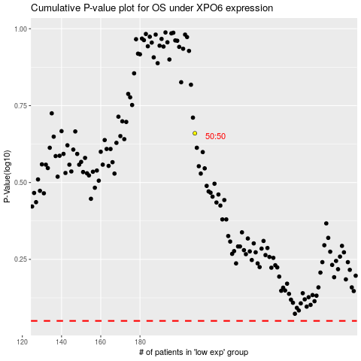

 |  |  |  |  |  | cases_OS | p_OS | rank | exp
 |  |  |  |  |  |  | cases_RFS | p_RFS | rank | exp

