XPO7 _multivariate
Reported by Tex Li-Hsing Chi. tex@gate.sinica.edu.tw 2019-08-14

Table 2. The clinicopathological features of HNSCC cohort and XPO7 expression. (Chi square test)
Cutoff at 0.349 (69.8%)
 |  | XPO7 expression |  | XPO7 expression |  | (Optimised)
 | Features | Low | (%) | High | (%) | Case no | P-value | Remark | Matthews
Gender | Female | 214 | 51.6 | 92 | 22.2 | 415 | 1 | 0 | 0
2 | Male | 76 | 18.3 | 33 | 8
Age at diagnosis | <=65y | 184 | 44.3 | 90 | 21.7 | 415 | 0.1154 | 0 | 0
4 | >65y | 106 | 25.5 | 35 | 8.4
Clinical T Status | T1+T2 | 106 | 25.5 | 43 | 10.4 | 415 | 0.7583 | 0 | 0
6 | T3+T4 | 184 | 44.3 | 82 | 19.8
Clinical N Status | N0 | 155 | 37.3 | 61 | 14.7 | 415 | 0.4458 | 0 | 0
8 | N1-3 | 135 | 32.5 | 64 | 15.4
Clinical M Status | M0 | 287 | 69.2 | 125 | 30.1 | 415 | 0.5571 | 0 | 0
10 | M1 | 3 | 0.7 | 0 | 0
Clinical Stage | Stage I+II | 74 | 17.8 | 28 | 6.7 | 415 | 0.5807 | 0 | 0
12 | Stage III+IV | 216 | 52 | 97 | 23.4
Surgical Margin status | Negative | 216 | 52 | 102 | 24.6 | 415 | 0.13 | 0 | 0
14 | Positive | 74 | 17.8 | 23 | 5.5
Tobacco Exposure | Low | 121 | 29.2 | 40 | 9.6 | 415 | 0.0633 | 0 | 0
16 | High | 169 | 40.7 | 85 | 20.5

Table 3. Univariate/Multivariate Cox's proportional hazards regression analyses on OS time of XPO7 gene expression in HNSCC

 |  | Univariate |  |  |  | Multivariate
 | Features | HR | CI95%(L) | CI95%(H) | P-value | HR | CI95%(L) | CI95%(H) | P-value
1 | Female | 1 |  |  |  | 1
Gender | Male | 1.157 | 0.843 | 1.587 | 0.367 | 1.216 | 0.871 | 1.698 | 0.251
11 | <=65y | 1 |  |  |  | 1
Age at diagnosis | >65y | 1.329 | 0.99 | 1.784 | 0.058 | 1.374 | 1.011 | 1.867 | 0.042
12 | T1+T2 | 1 |  |  |  | 1
Clinical T Status | T3+T4 | 1.409 | 1.028 | 1.931 | 0.033 | 2.146 | 1.135 | 4.057 | 0.019
13 | N0 | 1 |  |  |  | 1
Clinical N Status | N1-3 | 1.185 | 0.89 | 1.577 | 0.246 | 1.252 | 0.878 | 1.787 | 0.215
14 | M0 | 1 |  |  |  | 1
Clinical M Status | M1 | 4.097 | 1.009 | 16.644 | 0.049 | 8.122 | 1.765 | 37.367 | 0.007
15 | Stage I+II | 1 |  |  |  | 1
Clinical Stage | Stage III+IV | 1.245 | 0.882 | 1.759 | 0.213 | 0.53 | 0.247 | 1.138 | 0.104
16 | Negative | 1 |  |  |  | 1
Surgical Margin status | Positive | 1.591 | 1.155 | 2.191 | 0.004 | 1.599 | 1.155 | 2.212 | 0.005
17 | Low | 1 |  |  |  | 1
Tobacco Exposure | High | 1.364 | 1.008 | 1.844 | 0.044 | 1.467 | 1.065 | 2.02 | 0.019
18 | Low | 1 |  |  |  | 1
RNAseq(z-score) | High | 0.636 | 0.454 | 0.891 | 0.008 | 0.658 | 0.468 | 0.926 | 0.016

Table 4. Univariate/Multivariate Cox's proportional hazards regression analyses on RFS time of XPO7 gene expression in HNSCC

 |  | Univariate |  |  |  | Multivariate
 | Features | HR | CI95%(L) | CI95%(H) | P-value | HR | CI95%(L) | CI95%(H) | P-value
1 | Female | 1 |  |  |  | 1
Gender | Male | 1.157 | 0.843 | 1.587 | 0.367 | 1.216 | 0.871 | 1.698 | 0.251
11 | <=65y | 1 |  |  |  | 1
Age at diagnosis | >65y | 1.329 | 0.99 | 1.784 | 0.058 | 1.374 | 1.011 | 1.867 | 0.042
12 | T1+T2 | 1 |  |  |  | 1
Clinical T Status | T3+T4 | 1.409 | 1.028 | 1.931 | 0.033 | 2.146 | 1.135 | 4.057 | 0.019
13 | N0 | 1 |  |  |  | 1
Clinical N Status | N1-3 | 1.185 | 0.89 | 1.577 | 0.246 | 1.252 | 0.878 | 1.787 | 0.215
14 | M0 | 1 |  |  |  | 1
Clinical M Status | M1 | 4.097 | 1.009 | 16.644 | 0.049 | 8.122 | 1.765 | 37.367 | 0.007
15 | Stage I+II | 1 |  |  |  | 1
Clinical Stage | Stage III+IV | 1.245 | 0.882 | 1.759 | 0.213 | 0.53 | 0.247 | 1.138 | 0.104
16 | Negative | 1 |  |  |  | 1
Surgical Margin status | Positive | 1.591 | 1.155 | 2.191 | 0.004 | 1.599 | 1.155 | 2.212 | 0.005
17 | Low | 1 |  |  |  | 1
Tobacco Exposure | High | 1.364 | 1.008 | 1.844 | 0.044 | 1.467 | 1.065 | 2.02 | 0.019
18 | Low | 1 |  |  |  | 1
RNAseq(z-score) | High | 0.636 | 0.454 | 0.891 | 0.008 | 0.658 | 0.468 | 0.926 | 0.016

Kaplan-Meier survival estimate: Cutoff at 0.349 (69.8%)

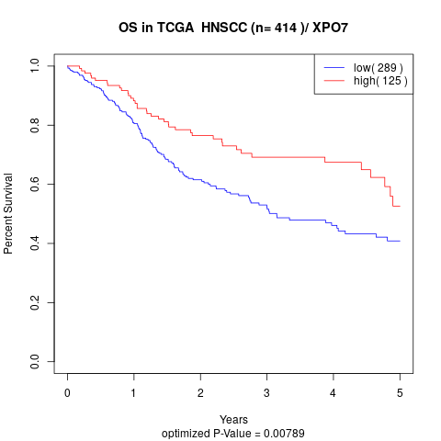

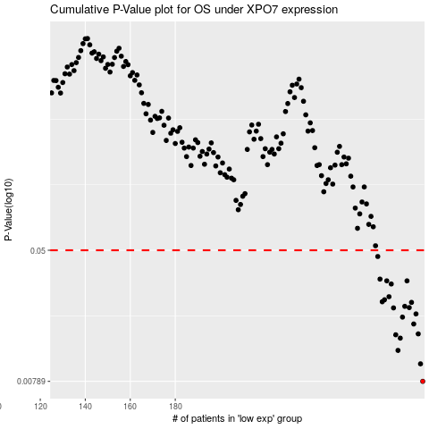

 |  |  |  |  |  | cases_OS | p_OS | rank | exp
 |  |  |  |  |  | 290 | 0.00789 | 309 | 0.34899653913
 |  |  |  |  |  | 289 | 0.0101 | 267 | 0.34438247133
 |  |  |  |  |  | 279 | 0.0122 | 102 | 0.29554851672
 |  |  |  |  |  | 280 | 0.0145 | 45 | 0.3090286942
 |  |  |  |  |  | 278 | 0.0152 | 118 | 0.29280159527
 |  |  |  |  |  | 288 | 0.0154 | 257 | 0.34290999759
 |  |  |  |  |  | 286 | 0.0177 | 354 | 0.32946323317
 |  |  |  |  |  | 281 | 0.0195 | 103 | 0.31553366535
 |  |  |  |  |  | 287 | 0.0204 | 77 | 0.33365457977
 |  |  |  |  |  | 277 | 0.0222 | 389 | 0.28324929168
 |  |  |  |  |  | 284 | 0.0223 | 98 | 0.32704630402
 |  |  |  |  |  | 282 | 0.0227 | 368 | 0.3170403185
 |  |  |  |  |  | 285 | 0.024 | 208 | 0.32812211261
 |  |  |  |  |  | 272 | 0.0242 | 25 | 0.25265672243
 |  |  |  |  |  | 273 | 0.0249 | 406 | 0.26362494279
 |  |  |  |  |  | 275 | 0.026 | 407 | 0.28187445152
 |  |  |  |  |  | 276 | 0.0311 | 38 | 0.28193836549
 |  |  |  |  |  | 283 | 0.0325 | 201 | 0.31865058279
 |  |  |  |  |  | 274 | 0.0325 | 203 | 0.27868794908
 |  |  |  |  |  | 271 | 0.0333 | 133 | 0.24864822804
 |  |  |  |  |  | 270 | 0.0458 | 296 | 0.224694742
 |  |  |  |  |  |  | cases_RFS | p_RFS | rank | exp
 |  |  |  |  |  |  | 289 | 0.00789 | 267 | 0.34438247133
 |  |  |  |  |  |  | 288 | 0.0101 | 257 | 0.34290999759
 |  |  |  |  |  |  | 278 | 0.0122 | 118 | 0.29280159527
 |  |  |  |  |  |  | 279 | 0.0145 | 102 | 0.29554851672
 |  |  |  |  |  |  | 277 | 0.0152 | 389 | 0.28324929168
 |  |  |  |  |  |  | 287 | 0.0154 | 77 | 0.33365457977
 |  |  |  |  |  |  | 285 | 0.0177 | 208 | 0.32812211261
 |  |  |  |  |  |  | 280 | 0.0195 | 45 | 0.3090286942
 |  |  |  |  |  |  | 286 | 0.0204 | 354 | 0.32946323317
 |  |  |  |  |  |  | 276 | 0.0222 | 38 | 0.28193836549
 |  |  |  |  |  |  | 283 | 0.0223 | 201 | 0.31865058279
 |  |  |  |  |  |  | 281 | 0.0227 | 103 | 0.31553366535
 |  |  |  |  |  |  | 284 | 0.024 | 98 | 0.32704630402
 |  |  |  |  |  |  | 271 | 0.0242 | 133 | 0.24864822804
 |  |  |  |  |  |  | 272 | 0.0249 | 25 | 0.25265672243
 |  |  |  |  |  |  | 274 | 0.026 | 203 | 0.27868794908
 |  |  |  |  |  |  | 275 | 0.0311 | 407 | 0.28187445152
 |  |  |  |  |  |  | 282 | 0.0325 | 368 | 0.3170403185
 |  |  |  |  |  |  | 273 | 0.0325 | 406 | 0.26362494279
 |  |  |  |  |  |  | 270 | 0.0333 | 296 | 0.224694742
 |  |  |  |  |  |  | 269 | 0.0458 | 3 | 0.2246804878

