XRCC2 _multivariate
Reported by Tex Li-Hsing Chi. tex@gate.sinica.edu.tw 2019-08-14

Table 2. The clinicopathological features of HNSCC cohort and XRCC2 expression. (Chi square test)
Cutoff at -0.109 (49.8%)
 |  | XRCC2 expression |  | XRCC2 expression |  | (Optimised)
 | Features | Low | (%) | High | (%) | Case no | P-value | Remark | Matthews
Gender | Female | 144 | 34.7 | 162 | 39 | 415 | 0.0697 | 0 | 0
2 | Male | 63 | 15.2 | 46 | 11.1
Age at diagnosis | <=65y | 132 | 31.8 | 142 | 34.2 | 415 | 0.3874 | 0 | 0
4 | >65y | 75 | 18.1 | 66 | 15.9
Clinical T Status | T1+T2 | 79 | 19 | 70 | 16.9 | 415 | 0.3924 | 0 | 0
6 | T3+T4 | 128 | 30.8 | 138 | 33.3
Clinical N Status | N0 | 112 | 27 | 104 | 25.1 | 415 | 0.4599 | 0 | 0
8 | N1-3 | 95 | 22.9 | 104 | 25.1
Clinical M Status | M0 | 206 | 49.6 | 206 | 49.6 | 415 | 1 | 0 | 0
10 | M1 | 1 | 0.2 | 2 | 0.5
Clinical Stage | Stage I+II | 54 | 13 | 48 | 11.6 | 415 | 0.5498 | 0 | 0
12 | Stage III+IV | 153 | 36.9 | 160 | 38.6
Surgical Margin status | Negative | 163 | 39.3 | 155 | 37.3 | 415 | 0.3537 | 0 | 0
14 | Positive | 44 | 10.6 | 53 | 12.8
Tobacco Exposure | Low | 96 | 23.1 | 65 | 15.7 | 415 | 0.0018 | 1 | 0
16 | High | 111 | 26.7 | 143 | 34.5

Table 3. Univariate/Multivariate Cox's proportional hazards regression analyses on OS time of XRCC2 gene expression in HNSCC

 |  | Univariate |  |  |  | Multivariate
 | Features | HR | CI95%(L) | CI95%(H) | P-value | HR | CI95%(L) | CI95%(H) | P-value
1 | Female | 1 |  |  |  | 1
Gender | Male | 1.157 | 0.843 | 1.587 | 0.367 | 1.208 | 0.861 | 1.695 | 0.274
11 | <=65y | 1 |  |  |  | 1
Age at diagnosis | >65y | 1.329 | 0.99 | 1.784 | 0.058 | 1.39 | 1.023 | 1.89 | 0.036
12 | T1+T2 | 1 |  |  |  | 1
Clinical T Status | T3+T4 | 1.409 | 1.028 | 1.931 | 0.033 | 2.197 | 1.161 | 4.155 | 0.016
13 | N0 | 1 |  |  |  | 1
Clinical N Status | N1-3 | 1.185 | 0.89 | 1.577 | 0.246 | 1.239 | 0.869 | 1.769 | 0.237
14 | M0 | 1 |  |  |  | 1
Clinical M Status | M1 | 4.097 | 1.009 | 16.644 | 0.049 | 9.382 | 2.046 | 43.016 | 0.004
15 | Stage I+II | 1 |  |  |  | 1
Clinical Stage | Stage III+IV | 1.245 | 0.882 | 1.759 | 0.213 | 0.506 | 0.236 | 1.086 | 0.08
16 | Negative | 1 |  |  |  | 1
Surgical Margin status | Positive | 1.591 | 1.155 | 2.191 | 0.004 | 1.669 | 1.207 | 2.307 | 0.002
17 | Low | 1 |  |  |  | 1
Tobacco Exposure | High | 1.364 | 1.008 | 1.844 | 0.044 | 1.451 | 1.052 | 1.999 | 0.023
18 | Low | 1 |  |  |  | 1
RNAseq(z-score) | High | 1.066 | 0.799 | 1.422 | 0.664 | 1.029 | 0.767 | 1.382 | 0.847

Table 4. Univariate/Multivariate Cox's proportional hazards regression analyses on RFS time of XRCC2 gene expression in HNSCC

 |  | Univariate |  |  |  | Multivariate
 | Features | HR | CI95%(L) | CI95%(H) | P-value | HR | CI95%(L) | CI95%(H) | P-value
1 | Female | 1 |  |  |  | 1
Gender | Male | 1.157 | 0.843 | 1.587 | 0.367 | 1.208 | 0.861 | 1.695 | 0.274
11 | <=65y | 1 |  |  |  | 1
Age at diagnosis | >65y | 1.329 | 0.99 | 1.784 | 0.058 | 1.39 | 1.023 | 1.89 | 0.036
12 | T1+T2 | 1 |  |  |  | 1
Clinical T Status | T3+T4 | 1.409 | 1.028 | 1.931 | 0.033 | 2.197 | 1.161 | 4.155 | 0.016
13 | N0 | 1 |  |  |  | 1
Clinical N Status | N1-3 | 1.185 | 0.89 | 1.577 | 0.246 | 1.239 | 0.869 | 1.769 | 0.237
14 | M0 | 1 |  |  |  | 1
Clinical M Status | M1 | 4.097 | 1.009 | 16.644 | 0.049 | 9.382 | 2.046 | 43.016 | 0.004
15 | Stage I+II | 1 |  |  |  | 1
Clinical Stage | Stage III+IV | 1.245 | 0.882 | 1.759 | 0.213 | 0.506 | 0.236 | 1.086 | 0.08
16 | Negative | 1 |  |  |  | 1
Surgical Margin status | Positive | 1.591 | 1.155 | 2.191 | 0.004 | 1.669 | 1.207 | 2.307 | 0.002
17 | Low | 1 |  |  |  | 1
Tobacco Exposure | High | 1.364 | 1.008 | 1.844 | 0.044 | 1.451 | 1.052 | 1.999 | 0.023
18 | Low | 1 |  |  |  | 1
RNAseq(z-score) | High | 1.066 | 0.799 | 1.422 | 0.664 | 1.029 | 0.767 | 1.382 | 0.847

Kaplan-Meier survival estimate: Cutoff at -0.109 (49.8%)



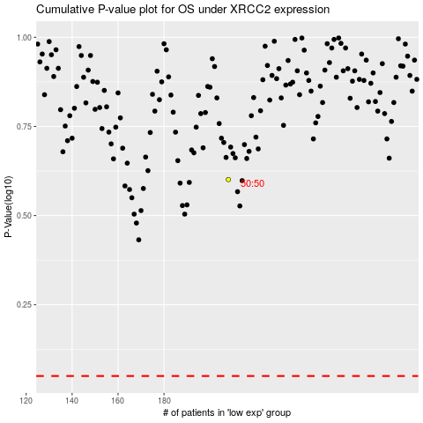

 |  |  |  |  |  | cases_OS | p_OS | rank | exp
 |  |  |  |  |  |  | cases_RFS | p_RFS | rank | exp

