XRCC4 _multivariate
Reported by Tex Li-Hsing Chi. tex@gate.sinica.edu.tw 2019-08-14

Table 2. The clinicopathological features of HNSCC cohort and XRCC4 expression. (Chi square test)
Cutoff at -0.106 (50.0%)
 |  | XRCC4 expression |  | XRCC4 expression |  | (Optimised)
 | Features | Low | (%) | High | (%) | Case no | P-value | Remark | Matthews
Gender | Female | 151 | 36.4 | 155 | 37.3 | 415 | 0.8007 | 0 | 0
2 | Male | 56 | 13.5 | 53 | 12.8
Age at diagnosis | <=65y | 135 | 32.5 | 139 | 33.5 | 415 | 0.8084 | 0 | 0
4 | >65y | 72 | 17.3 | 69 | 16.6
Clinical T Status | T1+T2 | 66 | 15.9 | 83 | 20 | 415 | 0.1095 | 0 | 0
6 | T3+T4 | 141 | 34 | 125 | 30.1
Clinical N Status | N0 | 111 | 26.7 | 105 | 25.3 | 415 | 0.5875 | 0 | 0
8 | N1-3 | 96 | 23.1 | 103 | 24.8
Clinical M Status | M0 | 207 | 49.9 | 205 | 49.4 | 415 | 0.2482 | 0 | 0
10 | M1 | 0 | 0 | 3 | 0.7
Clinical Stage | Stage I+II | 49 | 11.8 | 53 | 12.8 | 415 | 0.7535 | 0 | 0
12 | Stage III+IV | 158 | 38.1 | 155 | 37.3
Surgical Margin status | Negative | 156 | 37.6 | 162 | 39 | 415 | 0.5636 | 0 | 0
14 | Positive | 51 | 12.3 | 46 | 11.1
Tobacco Exposure | Low | 78 | 18.8 | 83 | 20 | 415 | 0.6873 | 0 | 0
16 | High | 129 | 31.1 | 125 | 30.1

Table 3. Univariate/Multivariate Cox's proportional hazards regression analyses on OS time of XRCC4 gene expression in HNSCC

 |  | Univariate |  |  |  | Multivariate
 | Features | HR | CI95%(L) | CI95%(H) | P-value | HR | CI95%(L) | CI95%(H) | P-value
1 | Female | 1 |  |  |  | 1
Gender | Male | 1.157 | 0.843 | 1.587 | 0.367 | 1.2 | 0.859 | 1.677 | 0.286
11 | <=65y | 1 |  |  |  | 1
Age at diagnosis | >65y | 1.329 | 0.99 | 1.784 | 0.058 | 1.391 | 1.024 | 1.892 | 0.035
12 | T1+T2 | 1 |  |  |  | 1
Clinical T Status | T3+T4 | 1.409 | 1.028 | 1.931 | 0.033 | 2.218 | 1.17 | 4.205 | 0.015
13 | N0 | 1 |  |  |  | 1
Clinical N Status | N1-3 | 1.185 | 0.89 | 1.577 | 0.246 | 1.241 | 0.87 | 1.77 | 0.234
14 | M0 | 1 |  |  |  | 1
Clinical M Status | M1 | 4.097 | 1.009 | 16.644 | 0.049 | 9.296 | 2.022 | 42.748 | 0.004
15 | Stage I+II | 1 |  |  |  | 1
Clinical Stage | Stage III+IV | 1.245 | 0.882 | 1.759 | 0.213 | 0.502 | 0.233 | 1.078 | 0.077
16 | Negative | 1 |  |  |  | 1
Surgical Margin status | Positive | 1.591 | 1.155 | 2.191 | 0.004 | 1.671 | 1.209 | 2.309 | 0.002
17 | Low | 1 |  |  |  | 1
Tobacco Exposure | High | 1.364 | 1.008 | 1.844 | 0.044 | 1.451 | 1.053 | 2 | 0.023
18 | Low | 1 |  |  |  | 1
RNAseq(z-score) | High | 1.014 | 0.761 | 1.351 | 0.925 | 1.035 | 0.774 | 1.383 | 0.816

Table 4. Univariate/Multivariate Cox's proportional hazards regression analyses on RFS time of XRCC4 gene expression in HNSCC

 |  | Univariate |  |  |  | Multivariate
 | Features | HR | CI95%(L) | CI95%(H) | P-value | HR | CI95%(L) | CI95%(H) | P-value
1 | Female | 1 |  |  |  | 1
Gender | Male | 1.157 | 0.843 | 1.587 | 0.367 | 1.2 | 0.859 | 1.677 | 0.286
11 | <=65y | 1 |  |  |  | 1
Age at diagnosis | >65y | 1.329 | 0.99 | 1.784 | 0.058 | 1.391 | 1.024 | 1.892 | 0.035
12 | T1+T2 | 1 |  |  |  | 1
Clinical T Status | T3+T4 | 1.409 | 1.028 | 1.931 | 0.033 | 2.218 | 1.17 | 4.205 | 0.015
13 | N0 | 1 |  |  |  | 1
Clinical N Status | N1-3 | 1.185 | 0.89 | 1.577 | 0.246 | 1.241 | 0.87 | 1.77 | 0.234
14 | M0 | 1 |  |  |  | 1
Clinical M Status | M1 | 4.097 | 1.009 | 16.644 | 0.049 | 9.296 | 2.022 | 42.748 | 0.004
15 | Stage I+II | 1 |  |  |  | 1
Clinical Stage | Stage III+IV | 1.245 | 0.882 | 1.759 | 0.213 | 0.502 | 0.233 | 1.078 | 0.077
16 | Negative | 1 |  |  |  | 1
Surgical Margin status | Positive | 1.591 | 1.155 | 2.191 | 0.004 | 1.671 | 1.209 | 2.309 | 0.002
17 | Low | 1 |  |  |  | 1
Tobacco Exposure | High | 1.364 | 1.008 | 1.844 | 0.044 | 1.451 | 1.053 | 2 | 0.023
18 | Low | 1 |  |  |  | 1
RNAseq(z-score) | High | 1.014 | 0.761 | 1.351 | 0.925 | 1.035 | 0.774 | 1.383 | 0.816

Kaplan-Meier survival estimate: Cutoff at -0.106 (50.0%)



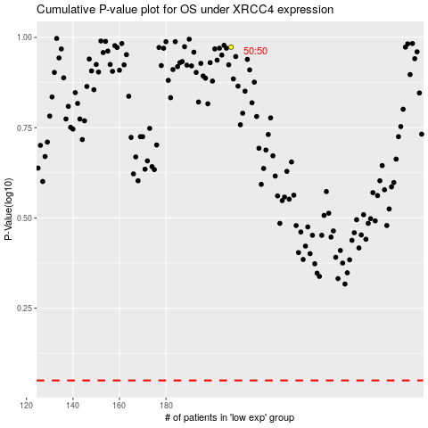

 |  |  |  |  |  | cases_OS | p_OS | rank | exp
 |  |  |  |  |  |  | cases_RFS | p_RFS | rank | exp

