XRCC6BP1 _multivariate
Reported by Tex Li-Hsing Chi. tex@gate.sinica.edu.tw 2019-08-14

Table 2. The clinicopathological features of HNSCC cohort and XRCC6BP1 expression. (Chi square test)
Cutoff at -0.233 (49.8%)
 |  | XRCC6BP1 expression |  | XRCC6BP1 expression |  | (Optimised)
 | Features | Low | (%) | High | (%) | Case no | P-value | Remark | Matthews
Gender | Female | 152 | 36.6 | 154 | 37.1 | 415 | 0.9766 | 0 | 0
2 | Male | 55 | 13.3 | 54 | 13
Age at diagnosis | <=65y | 135 | 32.5 | 139 | 33.5 | 415 | 0.8084 | 0 | 0
4 | >65y | 72 | 17.3 | 69 | 16.6
Clinical T Status | T1+T2 | 70 | 16.9 | 79 | 19 | 415 | 0.4343 | 0 | 0
6 | T3+T4 | 137 | 33 | 129 | 31.1
Clinical N Status | N0 | 109 | 26.3 | 107 | 25.8 | 415 | 0.8812 | 0 | 0
8 | N1-3 | 98 | 23.6 | 101 | 24.3
Clinical M Status | M0 | 207 | 49.9 | 205 | 49.4 | 415 | 0.2482 | 0 | 0
10 | M1 | 0 | 0 | 3 | 0.7
Clinical Stage | Stage I+II | 50 | 12 | 52 | 12.5 | 415 | 0.9315 | 0 | 0
12 | Stage III+IV | 157 | 37.8 | 156 | 37.6
Surgical Margin status | Negative | 164 | 39.5 | 154 | 37.1 | 415 | 0.2462 | 0 | 0
14 | Positive | 43 | 10.4 | 54 | 13
Tobacco Exposure | Low | 83 | 20 | 78 | 18.8 | 415 | 0.6152 | 0 | 0
16 | High | 124 | 29.9 | 130 | 31.3

Table 3. Univariate/Multivariate Cox's proportional hazards regression analyses on OS time of XRCC6BP1 gene expression in HNSCC

 |  | Univariate |  |  |  | Multivariate
 | Features | HR | CI95%(L) | CI95%(H) | P-value | HR | CI95%(L) | CI95%(H) | P-value
1 | Female | 1 |  |  |  | 1
Gender | Male | 1.157 | 0.843 | 1.587 | 0.367 | 1.21 | 0.866 | 1.691 | 0.263
11 | <=65y | 1 |  |  |  | 1
Age at diagnosis | >65y | 1.329 | 0.99 | 1.784 | 0.058 | 1.403 | 1.032 | 1.907 | 0.03
12 | T1+T2 | 1 |  |  |  | 1
Clinical T Status | T3+T4 | 1.409 | 1.028 | 1.931 | 0.033 | 2.21 | 1.17 | 4.178 | 0.015
13 | N0 | 1 |  |  |  | 1
Clinical N Status | N1-3 | 1.185 | 0.89 | 1.577 | 0.246 | 1.235 | 0.865 | 1.763 | 0.245
14 | M0 | 1 |  |  |  | 1
Clinical M Status | M1 | 4.097 | 1.009 | 16.644 | 0.049 | 8.641 | 1.875 | 39.825 | 0.006
15 | Stage I+II | 1 |  |  |  | 1
Clinical Stage | Stage III+IV | 1.245 | 0.882 | 1.759 | 0.213 | 0.506 | 0.236 | 1.085 | 0.08
16 | Negative | 1 |  |  |  | 1
Surgical Margin status | Positive | 1.591 | 1.155 | 2.191 | 0.004 | 1.642 | 1.187 | 2.272 | 0.003
17 | Low | 1 |  |  |  | 1
Tobacco Exposure | High | 1.364 | 1.008 | 1.844 | 0.044 | 1.432 | 1.039 | 1.974 | 0.028
18 | Low | 1 |  |  |  | 1
RNAseq(z-score) | High | 1.252 | 0.94 | 1.669 | 0.125 | 1.201 | 0.898 | 1.608 | 0.217

Table 4. Univariate/Multivariate Cox's proportional hazards regression analyses on RFS time of XRCC6BP1 gene expression in HNSCC

 |  | Univariate |  |  |  | Multivariate
 | Features | HR | CI95%(L) | CI95%(H) | P-value | HR | CI95%(L) | CI95%(H) | P-value
1 | Female | 1 |  |  |  | 1
Gender | Male | 1.157 | 0.843 | 1.587 | 0.367 | 1.21 | 0.866 | 1.691 | 0.263
11 | <=65y | 1 |  |  |  | 1
Age at diagnosis | >65y | 1.329 | 0.99 | 1.784 | 0.058 | 1.403 | 1.032 | 1.907 | 0.03
12 | T1+T2 | 1 |  |  |  | 1
Clinical T Status | T3+T4 | 1.409 | 1.028 | 1.931 | 0.033 | 2.21 | 1.17 | 4.178 | 0.015
13 | N0 | 1 |  |  |  | 1
Clinical N Status | N1-3 | 1.185 | 0.89 | 1.577 | 0.246 | 1.235 | 0.865 | 1.763 | 0.245
14 | M0 | 1 |  |  |  | 1
Clinical M Status | M1 | 4.097 | 1.009 | 16.644 | 0.049 | 8.641 | 1.875 | 39.825 | 0.006
15 | Stage I+II | 1 |  |  |  | 1
Clinical Stage | Stage III+IV | 1.245 | 0.882 | 1.759 | 0.213 | 0.506 | 0.236 | 1.085 | 0.08
16 | Negative | 1 |  |  |  | 1
Surgical Margin status | Positive | 1.591 | 1.155 | 2.191 | 0.004 | 1.642 | 1.187 | 2.272 | 0.003
17 | Low | 1 |  |  |  | 1
Tobacco Exposure | High | 1.364 | 1.008 | 1.844 | 0.044 | 1.432 | 1.039 | 1.974 | 0.028
18 | Low | 1 |  |  |  | 1
RNAseq(z-score) | High | 1.252 | 0.94 | 1.669 | 0.125 | 1.201 | 0.898 | 1.608 | 0.217

Kaplan-Meier survival estimate: Cutoff at -0.233 (49.8%)



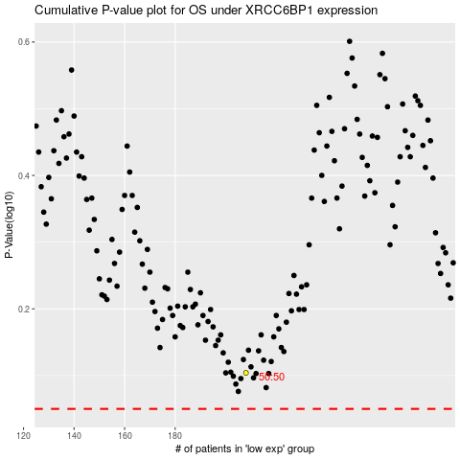

 |  |  |  |  |  | cases_OS | p_OS | rank | exp
 |  |  |  |  |  |  | cases_RFS | p_RFS | rank | exp

